LHFPL1 _multivariate
Reported by Tex Li-Hsing Chi. tex@gate.sinica.edu.tw 2019-08-18

Table 2. The clinicopathological features of HNSCC cohort and LHFPL1 expression. (Chi square test)
Cutoff at -0.35 (50.0%)
 |  | LHFPL1 expression |  | LHFPL1 expression |  | (Optimised)
 | Features | Low | (%) | High | (%) | Case no | P-value | Remark | Matthews
Gender | Female | 147 | 35.4 | 159 | 38.3 | 415 | 0.2523 | 0 | 0
2 | Male | 60 | 14.5 | 49 | 11.8
Age at diagnosis | <=65y | 129 | 31.1 | 145 | 34.9 | 415 | 0.1372 | 0 | 0
4 | >65y | 78 | 18.8 | 63 | 15.2
Clinical T Status | T1+T2 | 60 | 14.5 | 89 | 21.4 | 415 | 0.0047 | 1 | 0
6 | T3+T4 | 147 | 35.4 | 119 | 28.7
Clinical N Status | N0 | 106 | 25.5 | 110 | 26.5 | 415 | 0.8075 | 0 | 0
8 | N1-3 | 101 | 24.3 | 98 | 23.6
Clinical M Status | M0 | 205 | 49.4 | 207 | 49.9 | 415 | 0.6232 | 0 | 0
10 | M1 | 2 | 0.5 | 1 | 0.2
Clinical Stage | Stage I+II | 44 | 10.6 | 58 | 14 | 415 | 0.1459 | 0 | 0
12 | Stage III+IV | 163 | 39.3 | 150 | 36.1
Surgical Margin status | Negative | 155 | 37.3 | 163 | 39.3 | 415 | 0.4187 | 0 | 0
14 | Positive | 52 | 12.5 | 45 | 10.8
Tobacco Exposure | Low | 78 | 18.8 | 83 | 20 | 415 | 0.6873 | 0 | 0
16 | High | 129 | 31.1 | 125 | 30.1

Table 3. Univariate/Multivariate Cox's proportional hazards regression analyses on OS time of LHFPL1 gene expression in HNSCC

 |  | Univariate |  |  |  | Multivariate
 | Features | HR | CI95%(L) | CI95%(H) | P-value | HR | CI95%(L) | CI95%(H) | P-value
1 | Female | 1 |  |  |  | 1
Gender | Male | 1.157 | 0.843 | 1.587 | 0.367 | 1.207 | 0.863 | 1.686 | 0.271
11 | <=65y | 1 |  |  |  | 1
Age at diagnosis | >65y | 1.329 | 0.99 | 1.784 | 0.058 | 1.394 | 1.025 | 1.894 | 0.034
12 | T1+T2 | 1 |  |  |  | 1
Clinical T Status | T3+T4 | 1.409 | 1.028 | 1.931 | 0.033 | 2.242 | 1.181 | 4.259 | 0.014
13 | N0 | 1 |  |  |  | 1
Clinical N Status | N1-3 | 1.185 | 0.89 | 1.577 | 0.246 | 1.247 | 0.874 | 1.781 | 0.224
14 | M0 | 1 |  |  |  | 1
Clinical M Status | M1 | 4.097 | 1.009 | 16.644 | 0.049 | 9.584 | 2.087 | 44.017 | 0.004
15 | Stage I+II | 1 |  |  |  | 1
Clinical Stage | Stage III+IV | 1.245 | 0.882 | 1.759 | 0.213 | 0.498 | 0.231 | 1.071 | 0.074
16 | Negative | 1 |  |  |  | 1
Surgical Margin status | Positive | 1.591 | 1.155 | 2.191 | 0.004 | 1.675 | 1.212 | 2.315 | 0.002
17 | Low | 1 |  |  |  | 1
Tobacco Exposure | High | 1.364 | 1.008 | 1.844 | 0.044 | 1.45 | 1.053 | 1.997 | 0.023
18 | Low | 1 |  |  |  | 1
RNAseq(z-score) | High | 0.987 | 0.74 | 1.316 | 0.928 | 1.073 | 0.803 | 1.436 | 0.633

Table 4. Univariate/Multivariate Cox's proportional hazards regression analyses on RFS time of LHFPL1 gene expression in HNSCC

 |  | Univariate |  |  |  | Multivariate
 | Features | HR | CI95%(L) | CI95%(H) | P-value | HR | CI95%(L) | CI95%(H) | P-value
1 | Female | 1 |  |  |  | 1
Gender | Male | 1.157 | 0.843 | 1.587 | 0.367 | 1.207 | 0.863 | 1.686 | 0.271
11 | <=65y | 1 |  |  |  | 1
Age at diagnosis | >65y | 1.329 | 0.99 | 1.784 | 0.058 | 1.394 | 1.025 | 1.894 | 0.034
12 | T1+T2 | 1 |  |  |  | 1
Clinical T Status | T3+T4 | 1.409 | 1.028 | 1.931 | 0.033 | 2.242 | 1.181 | 4.259 | 0.014
13 | N0 | 1 |  |  |  | 1
Clinical N Status | N1-3 | 1.185 | 0.89 | 1.577 | 0.246 | 1.247 | 0.874 | 1.781 | 0.224
14 | M0 | 1 |  |  |  | 1
Clinical M Status | M1 | 4.097 | 1.009 | 16.644 | 0.049 | 9.584 | 2.087 | 44.017 | 0.004
15 | Stage I+II | 1 |  |  |  | 1
Clinical Stage | Stage III+IV | 1.245 | 0.882 | 1.759 | 0.213 | 0.498 | 0.231 | 1.071 | 0.074
16 | Negative | 1 |  |  |  | 1
Surgical Margin status | Positive | 1.591 | 1.155 | 2.191 | 0.004 | 1.675 | 1.212 | 2.315 | 0.002
17 | Low | 1 |  |  |  | 1
Tobacco Exposure | High | 1.364 | 1.008 | 1.844 | 0.044 | 1.45 | 1.053 | 1.997 | 0.023
18 | Low | 1 |  |  |  | 1
RNAseq(z-score) | High | 0.987 | 0.74 | 1.316 | 0.928 | 1.073 | 0.803 | 1.436 | 0.633

Kaplan-Meier survival estimate: Cutoff at -0.35 (50.0%)



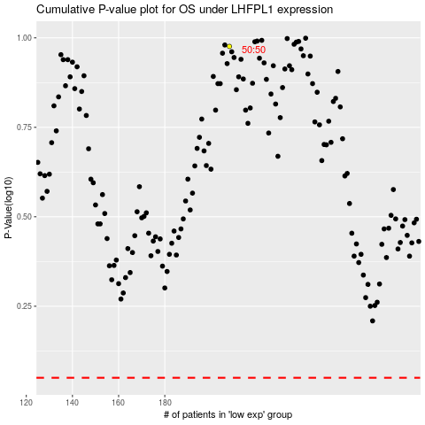

 |  |  |  |  |  | cases_OS | p_OS | rank | exp
 |  |  |  |  |  |  | cases_RFS | p_RFS | rank | exp

