LHFPL2 _multivariate
Reported by Tex Li-Hsing Chi. tex@gate.sinica.edu.tw 2019-08-18

Table 2. The clinicopathological features of HNSCC cohort and LHFPL2 expression. (Chi square test)
Cutoff at 0.362 (69.6%)
 |  | LHFPL2 expression |  | LHFPL2 expression |  | (Optimised)
 | Features | Low | (%) | High | (%) | Case no | P-value | Remark | Matthews
Gender | Female | 217 | 52.3 | 89 | 21.4 | 415 | 0.3159 | 0 | 0
2 | Male | 71 | 17.1 | 38 | 9.2
Age at diagnosis | <=65y | 198 | 47.7 | 76 | 18.3 | 415 | 0.0983 | 0 | 0
4 | >65y | 90 | 21.7 | 51 | 12.3
Clinical T Status | T1+T2 | 107 | 25.8 | 42 | 10.1 | 415 | 0.4916 | 0 | 0
6 | T3+T4 | 181 | 43.6 | 85 | 20.5
Clinical N Status | N0 | 156 | 37.6 | 60 | 14.5 | 415 | 0.2324 | 0 | 0
8 | N1-3 | 132 | 31.8 | 67 | 16.1
Clinical M Status | M0 | 286 | 68.9 | 126 | 30.4 | 415 | 1 | 0 | 0
10 | M1 | 2 | 0.5 | 1 | 0.2
Clinical Stage | Stage I+II | 71 | 17.1 | 31 | 7.5 | 415 | 1 | 0 | 0
12 | Stage III+IV | 217 | 52.3 | 96 | 23.1
Surgical Margin status | Negative | 217 | 52.3 | 101 | 24.3 | 415 | 0.3806 | 0 | 0
14 | Positive | 71 | 17.1 | 26 | 6.3
Tobacco Exposure | Low | 113 | 27.2 | 48 | 11.6 | 415 | 0.8273 | 0 | 0
16 | High | 175 | 42.2 | 79 | 19

Table 3. Univariate/Multivariate Cox's proportional hazards regression analyses on OS time of LHFPL2 gene expression in HNSCC

 |  | Univariate |  |  |  | Multivariate
 | Features | HR | CI95%(L) | CI95%(H) | P-value | HR | CI95%(L) | CI95%(H) | P-value
1 | Female | 1 |  |  |  | 1
Gender | Male | 1.157 | 0.843 | 1.587 | 0.367 | 1.209 | 0.867 | 1.686 | 0.264
11 | <=65y | 1 |  |  |  | 1
Age at diagnosis | >65y | 1.329 | 0.99 | 1.784 | 0.058 | 1.36 | 0.999 | 1.852 | 0.05
12 | T1+T2 | 1 |  |  |  | 1
Clinical T Status | T3+T4 | 1.409 | 1.028 | 1.931 | 0.033 | 2.095 | 1.106 | 3.971 | 0.023
13 | N0 | 1 |  |  |  | 1
Clinical N Status | N1-3 | 1.185 | 0.89 | 1.577 | 0.246 | 1.204 | 0.843 | 1.721 | 0.308
14 | M0 | 1 |  |  |  | 1
Clinical M Status | M1 | 4.097 | 1.009 | 16.644 | 0.049 | 9.386 | 2.048 | 43.01 | 0.004
15 | Stage I+II | 1 |  |  |  | 1
Clinical Stage | Stage III+IV | 1.245 | 0.882 | 1.759 | 0.213 | 0.536 | 0.249 | 1.153 | 0.11
16 | Negative | 1 |  |  |  | 1
Surgical Margin status | Positive | 1.591 | 1.155 | 2.191 | 0.004 | 1.676 | 1.213 | 2.315 | 0.002
17 | Low | 1 |  |  |  | 1
Tobacco Exposure | High | 1.364 | 1.008 | 1.844 | 0.044 | 1.441 | 1.047 | 1.983 | 0.025
18 | Low | 1 |  |  |  | 1
RNAseq(z-score) | High | 1.393 | 1.031 | 1.881 | 0.031 | 1.324 | 0.977 | 1.794 | 0.071

Table 4. Univariate/Multivariate Cox's proportional hazards regression analyses on RFS time of LHFPL2 gene expression in HNSCC

 |  | Univariate |  |  |  | Multivariate
 | Features | HR | CI95%(L) | CI95%(H) | P-value | HR | CI95%(L) | CI95%(H) | P-value
1 | Female | 1 |  |  |  | 1
Gender | Male | 1.157 | 0.843 | 1.587 | 0.367 | 1.209 | 0.867 | 1.686 | 0.264
11 | <=65y | 1 |  |  |  | 1
Age at diagnosis | >65y | 1.329 | 0.99 | 1.784 | 0.058 | 1.36 | 0.999 | 1.852 | 0.05
12 | T1+T2 | 1 |  |  |  | 1
Clinical T Status | T3+T4 | 1.409 | 1.028 | 1.931 | 0.033 | 2.095 | 1.106 | 3.971 | 0.023
13 | N0 | 1 |  |  |  | 1
Clinical N Status | N1-3 | 1.185 | 0.89 | 1.577 | 0.246 | 1.204 | 0.843 | 1.721 | 0.308
14 | M0 | 1 |  |  |  | 1
Clinical M Status | M1 | 4.097 | 1.009 | 16.644 | 0.049 | 9.386 | 2.048 | 43.01 | 0.004
15 | Stage I+II | 1 |  |  |  | 1
Clinical Stage | Stage III+IV | 1.245 | 0.882 | 1.759 | 0.213 | 0.536 | 0.249 | 1.153 | 0.11
16 | Negative | 1 |  |  |  | 1
Surgical Margin status | Positive | 1.591 | 1.155 | 2.191 | 0.004 | 1.676 | 1.213 | 2.315 | 0.002
17 | Low | 1 |  |  |  | 1
Tobacco Exposure | High | 1.364 | 1.008 | 1.844 | 0.044 | 1.441 | 1.047 | 1.983 | 0.025
18 | Low | 1 |  |  |  | 1
RNAseq(z-score) | High | 1.393 | 1.031 | 1.881 | 0.031 | 1.324 | 0.977 | 1.794 | 0.071

Kaplan-Meier survival estimate: Cutoff at 0.362 (69.6%)



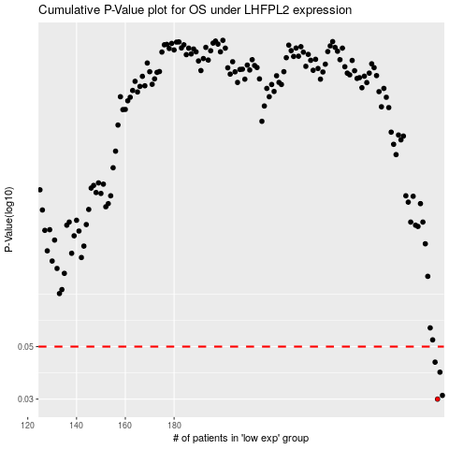

 |  |  |  |  |  | cases_OS | p_OS | rank | exp
 |  |  |  |  |  | 288 | 0.03 | 86 | 0.36202955857
 |  |  |  |  |  | 290 | 0.0311 | 189 | 0.37414571835
 |  |  |  |  |  | 289 | 0.039 | 168 | 0.3659740728
 |  |  |  |  |  | 287 | 0.043 | 255 | 0.35271799441
 |  |  |  |  |  |  | cases_RFS | p_RFS | rank | exp
 |  |  |  |  |  |  | 287 | 0.03 | 255 | 0.35271799441
 |  |  |  |  |  |  | 289 | 0.0311 | 168 | 0.3659740728
 |  |  |  |  |  |  | 288 | 0.039 | 86 | 0.36202955857
 |  |  |  |  |  |  | 286 | 0.043 | 174 | 0.33667479451

