LHFPL5 _multivariate
Reported by Tex Li-Hsing Chi. tex@gate.sinica.edu.tw 2019-08-18

Table 2. The clinicopathological features of HNSCC cohort and LHFPL5 expression. (Chi square test)
Cutoff at -0.228 (49.8%)
 |  | LHFPL5 expression |  | LHFPL5 expression |  | (Optimised)
 | Features | Low | (%) | High | (%) | Case no | P-value | Remark | Matthews
Gender | Female | 158 | 38.1 | 148 | 35.7 | 415 | 0.2774 | 0 | 0
2 | Male | 49 | 11.8 | 60 | 14.5
Age at diagnosis | <=65y | 133 | 32 | 141 | 34 | 415 | 0.5111 | 0 | 0
4 | >65y | 74 | 17.8 | 67 | 16.1
Clinical T Status | T1+T2 | 80 | 19.3 | 69 | 16.6 | 415 | 0.2891 | 0 | 0
6 | T3+T4 | 127 | 30.6 | 139 | 33.5
Clinical N Status | N0 | 108 | 26 | 108 | 26 | 415 | 1 | 0 | 0
8 | N1-3 | 99 | 23.9 | 100 | 24.1
Clinical M Status | M0 | 205 | 49.4 | 207 | 49.9 | 415 | 0.6232 | 0 | 0
10 | M1 | 2 | 0.5 | 1 | 0.2
Clinical Stage | Stage I+II | 53 | 12.8 | 49 | 11.8 | 415 | 0.7113 | 0 | 0
12 | Stage III+IV | 154 | 37.1 | 159 | 38.3
Surgical Margin status | Negative | 168 | 40.5 | 150 | 36.1 | 415 | 0.0366 | 1 | 0
14 | Positive | 39 | 9.4 | 58 | 14
Tobacco Exposure | Low | 76 | 18.3 | 85 | 20.5 | 415 | 0.4207 | 0 | 0
16 | High | 131 | 31.6 | 123 | 29.6

Table 3. Univariate/Multivariate Cox's proportional hazards regression analyses on OS time of LHFPL5 gene expression in HNSCC

 |  | Univariate |  |  |  | Multivariate
 | Features | HR | CI95%(L) | CI95%(H) | P-value | HR | CI95%(L) | CI95%(H) | P-value
1 | Female | 1 |  |  |  | 1
Gender | Male | 1.157 | 0.843 | 1.587 | 0.367 | 1.208 | 0.864 | 1.691 | 0.269
11 | <=65y | 1 |  |  |  | 1
Age at diagnosis | >65y | 1.329 | 0.99 | 1.784 | 0.058 | 1.39 | 1.022 | 1.89 | 0.036
12 | T1+T2 | 1 |  |  |  | 1
Clinical T Status | T3+T4 | 1.409 | 1.028 | 1.931 | 0.033 | 2.231 | 1.177 | 4.232 | 0.014
13 | N0 | 1 |  |  |  | 1
Clinical N Status | N1-3 | 1.185 | 0.89 | 1.577 | 0.246 | 1.238 | 0.868 | 1.767 | 0.239
14 | M0 | 1 |  |  |  | 1
Clinical M Status | M1 | 4.097 | 1.009 | 16.644 | 0.049 | 9.459 | 2.063 | 43.367 | 0.004
15 | Stage I+II | 1 |  |  |  | 1
Clinical Stage | Stage III+IV | 1.245 | 0.882 | 1.759 | 0.213 | 0.499 | 0.232 | 1.074 | 0.075
16 | Negative | 1 |  |  |  | 1
Surgical Margin status | Positive | 1.591 | 1.155 | 2.191 | 0.004 | 1.697 | 1.219 | 2.363 | 0.002
17 | Low | 1 |  |  |  | 1
Tobacco Exposure | High | 1.364 | 1.008 | 1.844 | 0.044 | 1.45 | 1.052 | 1.999 | 0.023
18 | Low | 1 |  |  |  | 1
RNAseq(z-score) | High | 1.039 | 0.779 | 1.385 | 0.794 | 0.937 | 0.696 | 1.26 | 0.666

Table 4. Univariate/Multivariate Cox's proportional hazards regression analyses on RFS time of LHFPL5 gene expression in HNSCC

 |  | Univariate |  |  |  | Multivariate
 | Features | HR | CI95%(L) | CI95%(H) | P-value | HR | CI95%(L) | CI95%(H) | P-value
1 | Female | 1 |  |  |  | 1
Gender | Male | 1.157 | 0.843 | 1.587 | 0.367 | 1.208 | 0.864 | 1.691 | 0.269
11 | <=65y | 1 |  |  |  | 1
Age at diagnosis | >65y | 1.329 | 0.99 | 1.784 | 0.058 | 1.39 | 1.022 | 1.89 | 0.036
12 | T1+T2 | 1 |  |  |  | 1
Clinical T Status | T3+T4 | 1.409 | 1.028 | 1.931 | 0.033 | 2.231 | 1.177 | 4.232 | 0.014
13 | N0 | 1 |  |  |  | 1
Clinical N Status | N1-3 | 1.185 | 0.89 | 1.577 | 0.246 | 1.238 | 0.868 | 1.767 | 0.239
14 | M0 | 1 |  |  |  | 1
Clinical M Status | M1 | 4.097 | 1.009 | 16.644 | 0.049 | 9.459 | 2.063 | 43.367 | 0.004
15 | Stage I+II | 1 |  |  |  | 1
Clinical Stage | Stage III+IV | 1.245 | 0.882 | 1.759 | 0.213 | 0.499 | 0.232 | 1.074 | 0.075
16 | Negative | 1 |  |  |  | 1
Surgical Margin status | Positive | 1.591 | 1.155 | 2.191 | 0.004 | 1.697 | 1.219 | 2.363 | 0.002
17 | Low | 1 |  |  |  | 1
Tobacco Exposure | High | 1.364 | 1.008 | 1.844 | 0.044 | 1.45 | 1.052 | 1.999 | 0.023
18 | Low | 1 |  |  |  | 1
RNAseq(z-score) | High | 1.039 | 0.779 | 1.385 | 0.794 | 0.937 | 0.696 | 1.26 | 0.666

Kaplan-Meier survival estimate: Cutoff at -0.228 (49.8%)

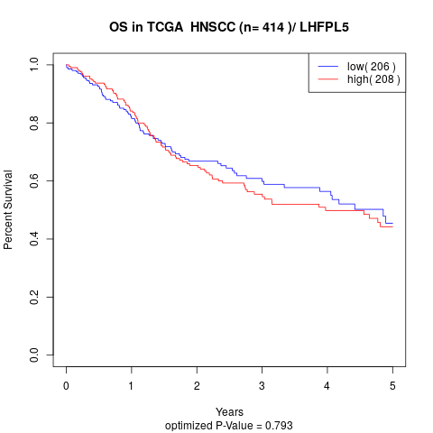

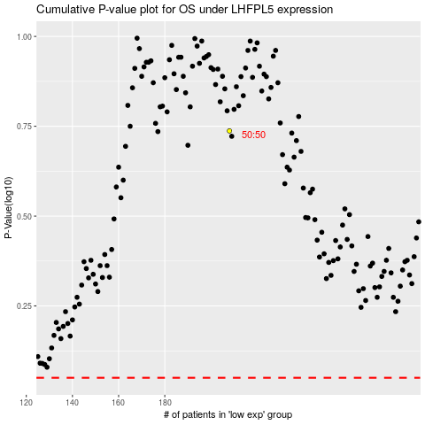

 |  |  |  |  |  | cases_OS | p_OS | rank | exp
 |  |  |  |  |  |  | cases_RFS | p_RFS | rank | exp

