LHX2 _multivariate
Reported by Tex Li-Hsing Chi. tex@gate.sinica.edu.tw 2019-08-18

Table 2. The clinicopathological features of HNSCC cohort and LHX2 expression. (Chi square test)
Cutoff at -0.31 (49.8%)
 |  | LHX2 expression |  | LHX2 expression |  | (Optimised)
 | Features | Low | (%) | High | (%) | Case no | P-value | Remark | Matthews
Gender | Female | 146 | 35.2 | 160 | 38.6 | 415 | 0.1714 | 0 | 0
2 | Male | 61 | 14.7 | 48 | 11.6
Age at diagnosis | <=65y | 137 | 33 | 137 | 33 | 415 | 1 | 0 | 0
4 | >65y | 70 | 16.9 | 71 | 17.1
Clinical T Status | T1+T2 | 78 | 18.8 | 71 | 17.1 | 415 | 0.5152 | 0 | 0
6 | T3+T4 | 129 | 31.1 | 137 | 33
Clinical N Status | N0 | 112 | 27 | 104 | 25.1 | 415 | 0.4599 | 0 | 0
8 | N1-3 | 95 | 22.9 | 104 | 25.1
Clinical M Status | M0 | 205 | 49.4 | 207 | 49.9 | 415 | 0.6232 | 0 | 0
10 | M1 | 2 | 0.5 | 1 | 0.2
Clinical Stage | Stage I+II | 59 | 14.2 | 43 | 10.4 | 415 | 0.0822 | 0 | 0
12 | Stage III+IV | 148 | 35.7 | 165 | 39.8
Surgical Margin status | Negative | 166 | 40 | 152 | 36.6 | 415 | 0.1042 | 0 | 0
14 | Positive | 41 | 9.9 | 56 | 13.5
Tobacco Exposure | Low | 81 | 19.5 | 80 | 19.3 | 415 | 0.9199 | 0 | 0
16 | High | 126 | 30.4 | 128 | 30.8

Table 3. Univariate/Multivariate Cox's proportional hazards regression analyses on OS time of LHX2 gene expression in HNSCC

 |  | Univariate |  |  |  | Multivariate
 | Features | HR | CI95%(L) | CI95%(H) | P-value | HR | CI95%(L) | CI95%(H) | P-value
1 | Female | 1 |  |  |  | 1
Gender | Male | 1.157 | 0.843 | 1.587 | 0.367 | 1.224 | 0.874 | 1.713 | 0.24
11 | <=65y | 1 |  |  |  | 1
Age at diagnosis | >65y | 1.329 | 0.99 | 1.784 | 0.058 | 1.374 | 1.009 | 1.871 | 0.043
12 | T1+T2 | 1 |  |  |  | 1
Clinical T Status | T3+T4 | 1.409 | 1.028 | 1.931 | 0.033 | 2.236 | 1.181 | 4.233 | 0.013
13 | N0 | 1 |  |  |  | 1
Clinical N Status | N1-3 | 1.185 | 0.89 | 1.577 | 0.246 | 1.253 | 0.878 | 1.789 | 0.214
14 | M0 | 1 |  |  |  | 1
Clinical M Status | M1 | 4.097 | 1.009 | 16.644 | 0.049 | 9.697 | 2.112 | 44.53 | 0.003
15 | Stage I+II | 1 |  |  |  | 1
Clinical Stage | Stage III+IV | 1.245 | 0.882 | 1.759 | 0.213 | 0.484 | 0.224 | 1.044 | 0.064
16 | Negative | 1 |  |  |  | 1
Surgical Margin status | Positive | 1.591 | 1.155 | 2.191 | 0.004 | 1.65 | 1.193 | 2.283 | 0.003
17 | Low | 1 |  |  |  | 1
Tobacco Exposure | High | 1.364 | 1.008 | 1.844 | 0.044 | 1.457 | 1.058 | 2.008 | 0.021
18 | Low | 1 |  |  |  | 1
RNAseq(z-score) | High | 1.181 | 0.883 | 1.581 | 0.262 | 1.146 | 0.849 | 1.547 | 0.373

Table 4. Univariate/Multivariate Cox's proportional hazards regression analyses on RFS time of LHX2 gene expression in HNSCC

 |  | Univariate |  |  |  | Multivariate
 | Features | HR | CI95%(L) | CI95%(H) | P-value | HR | CI95%(L) | CI95%(H) | P-value
1 | Female | 1 |  |  |  | 1
Gender | Male | 1.157 | 0.843 | 1.587 | 0.367 | 1.224 | 0.874 | 1.713 | 0.24
11 | <=65y | 1 |  |  |  | 1
Age at diagnosis | >65y | 1.329 | 0.99 | 1.784 | 0.058 | 1.374 | 1.009 | 1.871 | 0.043
12 | T1+T2 | 1 |  |  |  | 1
Clinical T Status | T3+T4 | 1.409 | 1.028 | 1.931 | 0.033 | 2.236 | 1.181 | 4.233 | 0.013
13 | N0 | 1 |  |  |  | 1
Clinical N Status | N1-3 | 1.185 | 0.89 | 1.577 | 0.246 | 1.253 | 0.878 | 1.789 | 0.214
14 | M0 | 1 |  |  |  | 1
Clinical M Status | M1 | 4.097 | 1.009 | 16.644 | 0.049 | 9.697 | 2.112 | 44.53 | 0.003
15 | Stage I+II | 1 |  |  |  | 1
Clinical Stage | Stage III+IV | 1.245 | 0.882 | 1.759 | 0.213 | 0.484 | 0.224 | 1.044 | 0.064
16 | Negative | 1 |  |  |  | 1
Surgical Margin status | Positive | 1.591 | 1.155 | 2.191 | 0.004 | 1.65 | 1.193 | 2.283 | 0.003
17 | Low | 1 |  |  |  | 1
Tobacco Exposure | High | 1.364 | 1.008 | 1.844 | 0.044 | 1.457 | 1.058 | 2.008 | 0.021
18 | Low | 1 |  |  |  | 1
RNAseq(z-score) | High | 1.181 | 0.883 | 1.581 | 0.262 | 1.146 | 0.849 | 1.547 | 0.373

Kaplan-Meier survival estimate: Cutoff at -0.31 (49.8%)



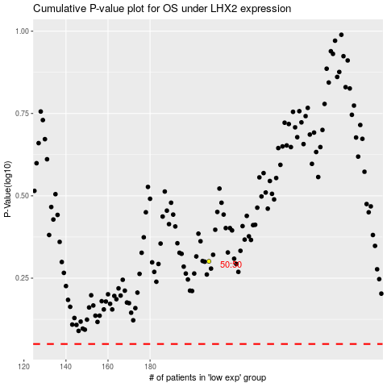

 |  |  |  |  |  | cases_OS | p_OS | rank | exp
 |  |  |  |  |  |  | cases_RFS | p_RFS | rank | exp

