LHX6 _multivariate
Reported by Tex Li-Hsing Chi. tex@gate.sinica.edu.tw 2019-08-18

Table 2. The clinicopathological features of HNSCC cohort and LHX6 expression. (Chi square test)
Cutoff at -0.32 (49.8%)
 |  | LHX6 expression |  | LHX6 expression |  | (Optimised)
 | Features | Low | (%) | High | (%) | Case no | P-value | Remark | Matthews
Gender | Female | 149 | 35.9 | 157 | 37.8 | 415 | 0.4848 | 0 | 0
2 | Male | 58 | 14 | 51 | 12.3
Age at diagnosis | <=65y | 130 | 31.3 | 144 | 34.7 | 415 | 0.2009 | 0 | 0
4 | >65y | 77 | 18.6 | 64 | 15.4
Clinical T Status | T1+T2 | 74 | 17.8 | 75 | 18.1 | 415 | 1 | 0 | 0
6 | T3+T4 | 133 | 32 | 133 | 32
Clinical N Status | N0 | 109 | 26.3 | 107 | 25.8 | 415 | 0.8812 | 0 | 0
8 | N1-3 | 98 | 23.6 | 101 | 24.3
Clinical M Status | M0 | 204 | 49.2 | 208 | 50.1 | 415 | 0.1232 | 0 | 0
10 | M1 | 3 | 0.7 | 0 | 0
Clinical Stage | Stage I+II | 52 | 12.5 | 50 | 12 | 415 | 0.8871 | 0 | 0
12 | Stage III+IV | 155 | 37.3 | 158 | 38.1
Surgical Margin status | Negative | 161 | 38.8 | 157 | 37.8 | 415 | 0.6429 | 0 | 0
14 | Positive | 46 | 11.1 | 51 | 12.3
Tobacco Exposure | Low | 84 | 20.2 | 77 | 18.6 | 415 | 0.4816 | 0 | 0
16 | High | 123 | 29.6 | 131 | 31.6

Table 3. Univariate/Multivariate Cox's proportional hazards regression analyses on OS time of LHX6 gene expression in HNSCC

 |  | Univariate |  |  |  | Multivariate
 | Features | HR | CI95%(L) | CI95%(H) | P-value | HR | CI95%(L) | CI95%(H) | P-value
1 | Female | 1 |  |  |  | 1
Gender | Male | 1.157 | 0.843 | 1.587 | 0.367 | 1.197 | 0.857 | 1.673 | 0.292
11 | <=65y | 1 |  |  |  | 1
Age at diagnosis | >65y | 1.329 | 0.99 | 1.784 | 0.058 | 1.377 | 1.012 | 1.874 | 0.042
12 | T1+T2 | 1 |  |  |  | 1
Clinical T Status | T3+T4 | 1.409 | 1.028 | 1.931 | 0.033 | 2.172 | 1.147 | 4.113 | 0.017
13 | N0 | 1 |  |  |  | 1
Clinical N Status | N1-3 | 1.185 | 0.89 | 1.577 | 0.246 | 1.236 | 0.866 | 1.763 | 0.243
14 | M0 | 1 |  |  |  | 1
Clinical M Status | M1 | 4.097 | 1.009 | 16.644 | 0.049 | 8.676 | 1.877 | 40.095 | 0.006
15 | Stage I+II | 1 |  |  |  | 1
Clinical Stage | Stage III+IV | 1.245 | 0.882 | 1.759 | 0.213 | 0.508 | 0.236 | 1.09 | 0.082
16 | Negative | 1 |  |  |  | 1
Surgical Margin status | Positive | 1.591 | 1.155 | 2.191 | 0.004 | 1.69 | 1.222 | 2.339 | 0.002
17 | Low | 1 |  |  |  | 1
Tobacco Exposure | High | 1.364 | 1.008 | 1.844 | 0.044 | 1.459 | 1.058 | 2.013 | 0.021
18 | Low | 1 |  |  |  | 1
RNAseq(z-score) | High | 0.836 | 0.628 | 1.115 | 0.223 | 0.865 | 0.646 | 1.157 | 0.328

Table 4. Univariate/Multivariate Cox's proportional hazards regression analyses on RFS time of LHX6 gene expression in HNSCC

 |  | Univariate |  |  |  | Multivariate
 | Features | HR | CI95%(L) | CI95%(H) | P-value | HR | CI95%(L) | CI95%(H) | P-value
1 | Female | 1 |  |  |  | 1
Gender | Male | 1.157 | 0.843 | 1.587 | 0.367 | 1.197 | 0.857 | 1.673 | 0.292
11 | <=65y | 1 |  |  |  | 1
Age at diagnosis | >65y | 1.329 | 0.99 | 1.784 | 0.058 | 1.377 | 1.012 | 1.874 | 0.042
12 | T1+T2 | 1 |  |  |  | 1
Clinical T Status | T3+T4 | 1.409 | 1.028 | 1.931 | 0.033 | 2.172 | 1.147 | 4.113 | 0.017
13 | N0 | 1 |  |  |  | 1
Clinical N Status | N1-3 | 1.185 | 0.89 | 1.577 | 0.246 | 1.236 | 0.866 | 1.763 | 0.243
14 | M0 | 1 |  |  |  | 1
Clinical M Status | M1 | 4.097 | 1.009 | 16.644 | 0.049 | 8.676 | 1.877 | 40.095 | 0.006
15 | Stage I+II | 1 |  |  |  | 1
Clinical Stage | Stage III+IV | 1.245 | 0.882 | 1.759 | 0.213 | 0.508 | 0.236 | 1.09 | 0.082
16 | Negative | 1 |  |  |  | 1
Surgical Margin status | Positive | 1.591 | 1.155 | 2.191 | 0.004 | 1.69 | 1.222 | 2.339 | 0.002
17 | Low | 1 |  |  |  | 1
Tobacco Exposure | High | 1.364 | 1.008 | 1.844 | 0.044 | 1.459 | 1.058 | 2.013 | 0.021
18 | Low | 1 |  |  |  | 1
RNAseq(z-score) | High | 0.836 | 0.628 | 1.115 | 0.223 | 0.865 | 0.646 | 1.157 | 0.328

Kaplan-Meier survival estimate: Cutoff at -0.32 (49.8%)



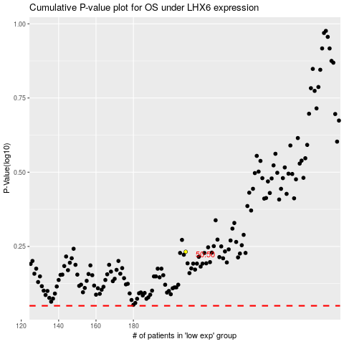

 |  |  |  |  |  | cases_OS | p_OS | rank | exp
 |  |  |  |  |  |  | cases_RFS | p_RFS | rank | exp

