LHX8 _multivariate
Reported by Tex Li-Hsing Chi. tex@gate.sinica.edu.tw 2019-08-18

Table 2. The clinicopathological features of HNSCC cohort and LHX8 expression. (Chi square test)
Cutoff at -0.471 (39.4%)
 |  | LHX8 expression |  | LHX8 expression |  | (Optimised)
 | Features | Low | (%) | High | (%) | Case no | P-value | Remark | Matthews
Gender | Female | 119 | 28.7 | 187 | 45.1 | 415 | 0.745 | 0 | 0
2 | Male | 45 | 10.8 | 64 | 15.4
Age at diagnosis | <=65y | 110 | 26.5 | 164 | 39.5 | 415 | 0.7958 | 0 | 0
4 | >65y | 54 | 13 | 87 | 21
Clinical T Status | T1+T2 | 52 | 12.5 | 97 | 23.4 | 415 | 0.1816 | 0 | 0
6 | T3+T4 | 112 | 27 | 154 | 37.1
Clinical N Status | N0 | 93 | 22.4 | 123 | 29.6 | 415 | 0.1512 | 0 | 0
8 | N1-3 | 71 | 17.1 | 128 | 30.8
Clinical M Status | M0 | 161 | 38.8 | 251 | 60.5 | 415 | 0.061 | 0 | 0
10 | M1 | 3 | 0.7 | 0 | 0
Clinical Stage | Stage I+II | 32 | 7.7 | 70 | 16.9 | 415 | 0.0686 | 0 | 0
12 | Stage III+IV | 132 | 31.8 | 181 | 43.6
Surgical Margin status | Negative | 132 | 31.8 | 186 | 44.8 | 415 | 0.1547 | 0 | 0
14 | Positive | 32 | 7.7 | 65 | 15.7
Tobacco Exposure | Low | 68 | 16.4 | 93 | 22.4 | 415 | 0.41 | 0 | 0
16 | High | 96 | 23.1 | 158 | 38.1

Table 3. Univariate/Multivariate Cox's proportional hazards regression analyses on OS time of LHX8 gene expression in HNSCC

 |  | Univariate |  |  |  | Multivariate
 | Features | HR | CI95%(L) | CI95%(H) | P-value | HR | CI95%(L) | CI95%(H) | P-value
1 | Female | 1 |  |  |  | 1
Gender | Male | 1.157 | 0.843 | 1.587 | 0.367 | 1.206 | 0.862 | 1.688 | 0.275
11 | <=65y | 1 |  |  |  | 1
Age at diagnosis | >65y | 1.329 | 0.99 | 1.784 | 0.058 | 1.393 | 1.026 | 1.89 | 0.034
12 | T1+T2 | 1 |  |  |  | 1
Clinical T Status | T3+T4 | 1.409 | 1.028 | 1.931 | 0.033 | 2.254 | 1.192 | 4.261 | 0.012
13 | N0 | 1 |  |  |  | 1
Clinical N Status | N1-3 | 1.185 | 0.89 | 1.577 | 0.246 | 1.316 | 0.92 | 1.885 | 0.133
14 | M0 | 1 |  |  |  | 1
Clinical M Status | M1 | 4.097 | 1.009 | 16.644 | 0.049 | 7.669 | 1.661 | 35.41 | 0.009
15 | Stage I+II | 1 |  |  |  | 1
Clinical Stage | Stage III+IV | 1.245 | 0.882 | 1.759 | 0.213 | 0.454 | 0.211 | 0.98 | 0.044
16 | Negative | 1 |  |  |  | 1
Surgical Margin status | Positive | 1.591 | 1.155 | 2.191 | 0.004 | 1.761 | 1.271 | 2.44 | 0.001
17 | Low | 1 |  |  |  | 1
Tobacco Exposure | High | 1.364 | 1.008 | 1.844 | 0.044 | 1.49 | 1.078 | 2.06 | 0.016
18 | Low | 1 |  |  |  | 1
RNAseq(z-score) | High | 0.749 | 0.56 | 1.001 | 0.051 | 0.691 | 0.512 | 0.932 | 0.016

Table 4. Univariate/Multivariate Cox's proportional hazards regression analyses on RFS time of LHX8 gene expression in HNSCC

 |  | Univariate |  |  |  | Multivariate
 | Features | HR | CI95%(L) | CI95%(H) | P-value | HR | CI95%(L) | CI95%(H) | P-value
1 | Female | 1 |  |  |  | 1
Gender | Male | 1.157 | 0.843 | 1.587 | 0.367 | 1.206 | 0.862 | 1.688 | 0.275
11 | <=65y | 1 |  |  |  | 1
Age at diagnosis | >65y | 1.329 | 0.99 | 1.784 | 0.058 | 1.393 | 1.026 | 1.89 | 0.034
12 | T1+T2 | 1 |  |  |  | 1
Clinical T Status | T3+T4 | 1.409 | 1.028 | 1.931 | 0.033 | 2.254 | 1.192 | 4.261 | 0.012
13 | N0 | 1 |  |  |  | 1
Clinical N Status | N1-3 | 1.185 | 0.89 | 1.577 | 0.246 | 1.316 | 0.92 | 1.885 | 0.133
14 | M0 | 1 |  |  |  | 1
Clinical M Status | M1 | 4.097 | 1.009 | 16.644 | 0.049 | 7.669 | 1.661 | 35.41 | 0.009
15 | Stage I+II | 1 |  |  |  | 1
Clinical Stage | Stage III+IV | 1.245 | 0.882 | 1.759 | 0.213 | 0.454 | 0.211 | 0.98 | 0.044
16 | Negative | 1 |  |  |  | 1
Surgical Margin status | Positive | 1.591 | 1.155 | 2.191 | 0.004 | 1.761 | 1.271 | 2.44 | 0.001
17 | Low | 1 |  |  |  | 1
Tobacco Exposure | High | 1.364 | 1.008 | 1.844 | 0.044 | 1.49 | 1.078 | 2.06 | 0.016
18 | Low | 1 |  |  |  | 1
RNAseq(z-score) | High | 0.749 | 0.56 | 1.001 | 0.051 | 0.691 | 0.512 | 0.932 | 0.016

Kaplan-Meier survival estimate: Cutoff at -0.471 (39.4%)



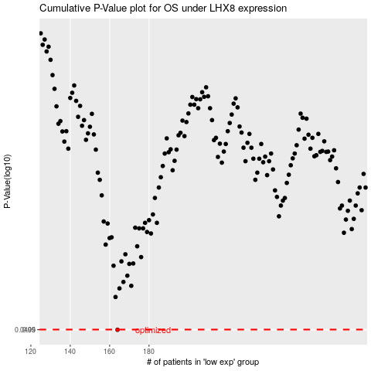

 |  |  |  |  |  | cases_OS | p_OS | rank | exp
 |  |  |  |  |  | 164 | 0.0499 | 184 | -0.47105063001
 |  |  |  |  |  |  | cases_RFS | p_RFS | rank | exp
 |  |  |  |  |  |  | 163 | 0.0499 | 257 | -0.47148564864

