LIG1 _multivariate
Reported by Tex Li-Hsing Chi. tex@gate.sinica.edu.tw 2019-08-18

Table 2. The clinicopathological features of HNSCC cohort and LIG1 expression. (Chi square test)
Cutoff at -0.241 (49.8%)
 |  | LIG1 expression |  | LIG1 expression |  | (Optimised)
 | Features | Low | (%) | High | (%) | Case no | P-value | Remark | Matthews
Gender | Female | 146 | 35.2 | 160 | 38.6 | 415 | 0.1714 | 0 | 0
2 | Male | 61 | 14.7 | 48 | 11.6
Age at diagnosis | <=65y | 139 | 33.5 | 135 | 32.5 | 415 | 0.7044 | 0 | 0
4 | >65y | 68 | 16.4 | 73 | 17.6
Clinical T Status | T1+T2 | 74 | 17.8 | 75 | 18.1 | 415 | 1 | 0 | 0
6 | T3+T4 | 133 | 32 | 133 | 32
Clinical N Status | N0 | 110 | 26.5 | 106 | 25.5 | 415 | 0.7294 | 0 | 0
8 | N1-3 | 97 | 23.4 | 102 | 24.6
Clinical M Status | M0 | 204 | 49.2 | 208 | 50.1 | 415 | 0.1232 | 0 | 0
10 | M1 | 3 | 0.7 | 0 | 0
Clinical Stage | Stage I+II | 55 | 13.3 | 47 | 11.3 | 415 | 0.4087 | 0 | 0
12 | Stage III+IV | 152 | 36.6 | 161 | 38.8
Surgical Margin status | Negative | 166 | 40 | 152 | 36.6 | 415 | 0.1042 | 0 | 0
14 | Positive | 41 | 9.9 | 56 | 13.5
Tobacco Exposure | Low | 87 | 21 | 74 | 17.8 | 415 | 0.1911 | 0 | 0
16 | High | 120 | 28.9 | 134 | 32.3

Table 3. Univariate/Multivariate Cox's proportional hazards regression analyses on OS time of LIG1 gene expression in HNSCC

 |  | Univariate |  |  |  | Multivariate
 | Features | HR | CI95%(L) | CI95%(H) | P-value | HR | CI95%(L) | CI95%(H) | P-value
1 | Female | 1 |  |  |  | 1
Gender | Male | 1.157 | 0.843 | 1.587 | 0.367 | 1.196 | 0.856 | 1.67 | 0.295
11 | <=65y | 1 |  |  |  | 1
Age at diagnosis | >65y | 1.329 | 0.99 | 1.784 | 0.058 | 1.386 | 1.02 | 1.885 | 0.037
12 | T1+T2 | 1 |  |  |  | 1
Clinical T Status | T3+T4 | 1.409 | 1.028 | 1.931 | 0.033 | 2.18 | 1.152 | 4.125 | 0.017
13 | N0 | 1 |  |  |  | 1
Clinical N Status | N1-3 | 1.185 | 0.89 | 1.577 | 0.246 | 1.239 | 0.869 | 1.768 | 0.237
14 | M0 | 1 |  |  |  | 1
Clinical M Status | M1 | 4.097 | 1.009 | 16.644 | 0.049 | 8.902 | 1.923 | 41.206 | 0.005
15 | Stage I+II | 1 |  |  |  | 1
Clinical Stage | Stage III+IV | 1.245 | 0.882 | 1.759 | 0.213 | 0.512 | 0.238 | 1.101 | 0.087
16 | Negative | 1 |  |  |  | 1
Surgical Margin status | Positive | 1.591 | 1.155 | 2.191 | 0.004 | 1.691 | 1.221 | 2.341 | 0.002
17 | Low | 1 |  |  |  | 1
Tobacco Exposure | High | 1.364 | 1.008 | 1.844 | 0.044 | 1.469 | 1.064 | 2.028 | 0.019
18 | Low | 1 |  |  |  | 1
RNAseq(z-score) | High | 0.945 | 0.71 | 1.259 | 0.701 | 0.912 | 0.679 | 1.224 | 0.54

Table 4. Univariate/Multivariate Cox's proportional hazards regression analyses on RFS time of LIG1 gene expression in HNSCC

 |  | Univariate |  |  |  | Multivariate
 | Features | HR | CI95%(L) | CI95%(H) | P-value | HR | CI95%(L) | CI95%(H) | P-value
1 | Female | 1 |  |  |  | 1
Gender | Male | 1.157 | 0.843 | 1.587 | 0.367 | 1.196 | 0.856 | 1.67 | 0.295
11 | <=65y | 1 |  |  |  | 1
Age at diagnosis | >65y | 1.329 | 0.99 | 1.784 | 0.058 | 1.386 | 1.02 | 1.885 | 0.037
12 | T1+T2 | 1 |  |  |  | 1
Clinical T Status | T3+T4 | 1.409 | 1.028 | 1.931 | 0.033 | 2.18 | 1.152 | 4.125 | 0.017
13 | N0 | 1 |  |  |  | 1
Clinical N Status | N1-3 | 1.185 | 0.89 | 1.577 | 0.246 | 1.239 | 0.869 | 1.768 | 0.237
14 | M0 | 1 |  |  |  | 1
Clinical M Status | M1 | 4.097 | 1.009 | 16.644 | 0.049 | 8.902 | 1.923 | 41.206 | 0.005
15 | Stage I+II | 1 |  |  |  | 1
Clinical Stage | Stage III+IV | 1.245 | 0.882 | 1.759 | 0.213 | 0.512 | 0.238 | 1.101 | 0.087
16 | Negative | 1 |  |  |  | 1
Surgical Margin status | Positive | 1.591 | 1.155 | 2.191 | 0.004 | 1.691 | 1.221 | 2.341 | 0.002
17 | Low | 1 |  |  |  | 1
Tobacco Exposure | High | 1.364 | 1.008 | 1.844 | 0.044 | 1.469 | 1.064 | 2.028 | 0.019
18 | Low | 1 |  |  |  | 1
RNAseq(z-score) | High | 0.945 | 0.71 | 1.259 | 0.701 | 0.912 | 0.679 | 1.224 | 0.54

Kaplan-Meier survival estimate: Cutoff at -0.241 (49.8%)



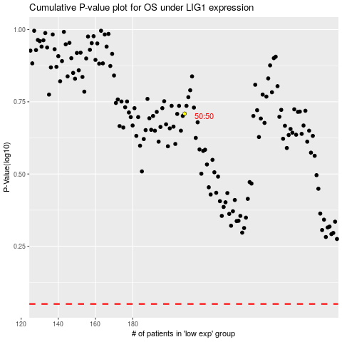

 |  |  |  |  |  | cases_OS | p_OS | rank | exp
 |  |  |  |  |  |  | cases_RFS | p_RFS | rank | exp

