LIG3 _multivariate
Reported by Tex Li-Hsing Chi. tex@gate.sinica.edu.tw 2019-08-18

Table 2. The clinicopathological features of HNSCC cohort and LIG3 expression. (Chi square test)
Cutoff at -0.151 (49.8%)
 |  | LIG3 expression |  | LIG3 expression |  | (Optimised)
 | Features | Low | (%) | High | (%) | Case no | P-value | Remark | Matthews
Gender | Female | 144 | 34.7 | 162 | 39 | 415 | 0.0697 | 0 | 0
2 | Male | 63 | 15.2 | 46 | 11.1
Age at diagnosis | <=65y | 141 | 34 | 133 | 32 | 415 | 0.4272 | 0 | 0
4 | >65y | 66 | 15.9 | 75 | 18.1
Clinical T Status | T1+T2 | 82 | 19.8 | 67 | 16.1 | 415 | 0.1417 | 0 | 0
6 | T3+T4 | 125 | 30.1 | 141 | 34
Clinical N Status | N0 | 103 | 24.8 | 113 | 27.2 | 415 | 0.4047 | 0 | 0
8 | N1-3 | 104 | 25.1 | 95 | 22.9
Clinical M Status | M0 | 206 | 49.6 | 206 | 49.6 | 415 | 1 | 0 | 0
10 | M1 | 1 | 0.2 | 2 | 0.5
Clinical Stage | Stage I+II | 54 | 13 | 48 | 11.6 | 415 | 0.5498 | 0 | 0
12 | Stage III+IV | 153 | 36.9 | 160 | 38.6
Surgical Margin status | Negative | 156 | 37.6 | 162 | 39 | 415 | 0.5636 | 0 | 0
14 | Positive | 51 | 12.3 | 46 | 11.1
Tobacco Exposure | Low | 96 | 23.1 | 65 | 15.7 | 415 | 0.0018 | 1 | 0
16 | High | 111 | 26.7 | 143 | 34.5

Table 3. Univariate/Multivariate Cox's proportional hazards regression analyses on OS time of LIG3 gene expression in HNSCC

 |  | Univariate |  |  |  | Multivariate
 | Features | HR | CI95%(L) | CI95%(H) | P-value | HR | CI95%(L) | CI95%(H) | P-value
1 | Female | 1 |  |  |  | 1
Gender | Male | 1.157 | 0.843 | 1.587 | 0.367 | 1.156 | 0.824 | 1.621 | 0.402
11 | <=65y | 1 |  |  |  | 1
Age at diagnosis | >65y | 1.329 | 0.99 | 1.784 | 0.058 | 1.415 | 1.04 | 1.926 | 0.027
12 | T1+T2 | 1 |  |  |  | 1
Clinical T Status | T3+T4 | 1.409 | 1.028 | 1.931 | 0.033 | 2.275 | 1.201 | 4.309 | 0.012
13 | N0 | 1 |  |  |  | 1
Clinical N Status | N1-3 | 1.185 | 0.89 | 1.577 | 0.246 | 1.233 | 0.865 | 1.759 | 0.246
14 | M0 | 1 |  |  |  | 1
Clinical M Status | M1 | 4.097 | 1.009 | 16.644 | 0.049 | 9.752 | 2.125 | 44.747 | 0.003
15 | Stage I+II | 1 |  |  |  | 1
Clinical Stage | Stage III+IV | 1.245 | 0.882 | 1.759 | 0.213 | 0.506 | 0.236 | 1.085 | 0.08
16 | Negative | 1 |  |  |  | 1
Surgical Margin status | Positive | 1.591 | 1.155 | 2.191 | 0.004 | 1.64 | 1.186 | 2.268 | 0.003
17 | Low | 1 |  |  |  | 1
Tobacco Exposure | High | 1.364 | 1.008 | 1.844 | 0.044 | 1.508 | 1.089 | 2.088 | 0.013
18 | Low | 1 |  |  |  | 1
RNAseq(z-score) | High | 0.846 | 0.635 | 1.127 | 0.254 | 0.783 | 0.58 | 1.055 | 0.108

Table 4. Univariate/Multivariate Cox's proportional hazards regression analyses on RFS time of LIG3 gene expression in HNSCC

 |  | Univariate |  |  |  | Multivariate
 | Features | HR | CI95%(L) | CI95%(H) | P-value | HR | CI95%(L) | CI95%(H) | P-value
1 | Female | 1 |  |  |  | 1
Gender | Male | 1.157 | 0.843 | 1.587 | 0.367 | 1.156 | 0.824 | 1.621 | 0.402
11 | <=65y | 1 |  |  |  | 1
Age at diagnosis | >65y | 1.329 | 0.99 | 1.784 | 0.058 | 1.415 | 1.04 | 1.926 | 0.027
12 | T1+T2 | 1 |  |  |  | 1
Clinical T Status | T3+T4 | 1.409 | 1.028 | 1.931 | 0.033 | 2.275 | 1.201 | 4.309 | 0.012
13 | N0 | 1 |  |  |  | 1
Clinical N Status | N1-3 | 1.185 | 0.89 | 1.577 | 0.246 | 1.233 | 0.865 | 1.759 | 0.246
14 | M0 | 1 |  |  |  | 1
Clinical M Status | M1 | 4.097 | 1.009 | 16.644 | 0.049 | 9.752 | 2.125 | 44.747 | 0.003
15 | Stage I+II | 1 |  |  |  | 1
Clinical Stage | Stage III+IV | 1.245 | 0.882 | 1.759 | 0.213 | 0.506 | 0.236 | 1.085 | 0.08
16 | Negative | 1 |  |  |  | 1
Surgical Margin status | Positive | 1.591 | 1.155 | 2.191 | 0.004 | 1.64 | 1.186 | 2.268 | 0.003
17 | Low | 1 |  |  |  | 1
Tobacco Exposure | High | 1.364 | 1.008 | 1.844 | 0.044 | 1.508 | 1.089 | 2.088 | 0.013
18 | Low | 1 |  |  |  | 1
RNAseq(z-score) | High | 0.846 | 0.635 | 1.127 | 0.254 | 0.783 | 0.58 | 1.055 | 0.108

Kaplan-Meier survival estimate: Cutoff at -0.151 (49.8%)



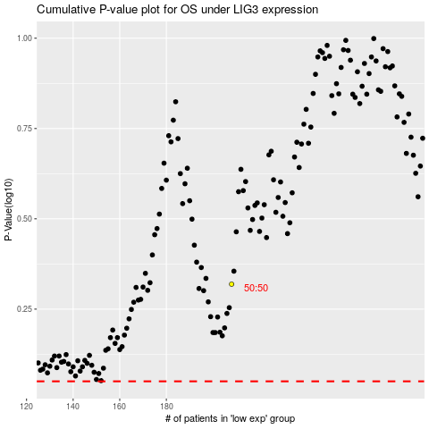

 |  |  |  |  |  | cases_OS | p_OS | rank | exp
 |  |  |  |  |  |  | cases_RFS | p_RFS | rank | exp

