LIG4 _multivariate
Reported by Tex Li-Hsing Chi. tex@gate.sinica.edu.tw 2019-08-18

Table 2. The clinicopathological features of HNSCC cohort and LIG4 expression. (Chi square test)
Cutoff at -0.198 (50.0%)
 |  | LIG4 expression |  | LIG4 expression |  | (Optimised)
 | Features | Low | (%) | High | (%) | Case no | P-value | Remark | Matthews
Gender | Female | 152 | 36.6 | 154 | 37.1 | 415 | 0.9766 | 0 | 0
2 | Male | 55 | 13.3 | 54 | 13
Age at diagnosis | <=65y | 137 | 33 | 137 | 33 | 415 | 1 | 0 | 0
4 | >65y | 70 | 16.9 | 71 | 17.1
Clinical T Status | T1+T2 | 73 | 17.6 | 76 | 18.3 | 415 | 0.8666 | 0 | 0
6 | T3+T4 | 134 | 32.3 | 132 | 31.8
Clinical N Status | N0 | 100 | 24.1 | 116 | 28 | 415 | 0.1548 | 0 | 0
8 | N1-3 | 107 | 25.8 | 92 | 22.2
Clinical M Status | M0 | 204 | 49.2 | 208 | 50.1 | 415 | 0.1232 | 0 | 0
10 | M1 | 3 | 0.7 | 0 | 0
Clinical Stage | Stage I+II | 47 | 11.3 | 55 | 13.3 | 415 | 0.4413 | 0 | 0
12 | Stage III+IV | 160 | 38.6 | 153 | 36.9
Surgical Margin status | Negative | 158 | 38.1 | 160 | 38.6 | 415 | 0.9081 | 0 | 0
14 | Positive | 49 | 11.8 | 48 | 11.6
Tobacco Exposure | Low | 66 | 15.9 | 95 | 22.9 | 415 | 0.0048 | 1 | 0
16 | High | 141 | 34 | 113 | 27.2

Table 3. Univariate/Multivariate Cox's proportional hazards regression analyses on OS time of LIG4 gene expression in HNSCC

 |  | Univariate |  |  |  | Multivariate
 | Features | HR | CI95%(L) | CI95%(H) | P-value | HR | CI95%(L) | CI95%(H) | P-value
1 | Female | 1 |  |  |  | 1
Gender | Male | 1.157 | 0.843 | 1.587 | 0.367 | 1.212 | 0.867 | 1.695 | 0.26
11 | <=65y | 1 |  |  |  | 1
Age at diagnosis | >65y | 1.329 | 0.99 | 1.784 | 0.058 | 1.393 | 1.024 | 1.894 | 0.035
12 | T1+T2 | 1 |  |  |  | 1
Clinical T Status | T3+T4 | 1.409 | 1.028 | 1.931 | 0.033 | 2.229 | 1.177 | 4.218 | 0.014
13 | N0 | 1 |  |  |  | 1
Clinical N Status | N1-3 | 1.185 | 0.89 | 1.577 | 0.246 | 1.256 | 0.879 | 1.795 | 0.21
14 | M0 | 1 |  |  |  | 1
Clinical M Status | M1 | 4.097 | 1.009 | 16.644 | 0.049 | 10.038 | 2.167 | 46.494 | 0.003
15 | Stage I+II | 1 |  |  |  | 1
Clinical Stage | Stage III+IV | 1.245 | 0.882 | 1.759 | 0.213 | 0.501 | 0.234 | 1.077 | 0.077
16 | Negative | 1 |  |  |  | 1
Surgical Margin status | Positive | 1.591 | 1.155 | 2.191 | 0.004 | 1.695 | 1.224 | 2.349 | 0.002
17 | Low | 1 |  |  |  | 1
Tobacco Exposure | High | 1.364 | 1.008 | 1.844 | 0.044 | 1.482 | 1.071 | 2.051 | 0.018
18 | Low | 1 |  |  |  | 1
RNAseq(z-score) | High | 0.948 | 0.712 | 1.263 | 0.716 | 1.118 | 0.83 | 1.507 | 0.462

Table 4. Univariate/Multivariate Cox's proportional hazards regression analyses on RFS time of LIG4 gene expression in HNSCC

 |  | Univariate |  |  |  | Multivariate
 | Features | HR | CI95%(L) | CI95%(H) | P-value | HR | CI95%(L) | CI95%(H) | P-value
1 | Female | 1 |  |  |  | 1
Gender | Male | 1.157 | 0.843 | 1.587 | 0.367 | 1.212 | 0.867 | 1.695 | 0.26
11 | <=65y | 1 |  |  |  | 1
Age at diagnosis | >65y | 1.329 | 0.99 | 1.784 | 0.058 | 1.393 | 1.024 | 1.894 | 0.035
12 | T1+T2 | 1 |  |  |  | 1
Clinical T Status | T3+T4 | 1.409 | 1.028 | 1.931 | 0.033 | 2.229 | 1.177 | 4.218 | 0.014
13 | N0 | 1 |  |  |  | 1
Clinical N Status | N1-3 | 1.185 | 0.89 | 1.577 | 0.246 | 1.256 | 0.879 | 1.795 | 0.21
14 | M0 | 1 |  |  |  | 1
Clinical M Status | M1 | 4.097 | 1.009 | 16.644 | 0.049 | 10.038 | 2.167 | 46.494 | 0.003
15 | Stage I+II | 1 |  |  |  | 1
Clinical Stage | Stage III+IV | 1.245 | 0.882 | 1.759 | 0.213 | 0.501 | 0.234 | 1.077 | 0.077
16 | Negative | 1 |  |  |  | 1
Surgical Margin status | Positive | 1.591 | 1.155 | 2.191 | 0.004 | 1.695 | 1.224 | 2.349 | 0.002
17 | Low | 1 |  |  |  | 1
Tobacco Exposure | High | 1.364 | 1.008 | 1.844 | 0.044 | 1.482 | 1.071 | 2.051 | 0.018
18 | Low | 1 |  |  |  | 1
RNAseq(z-score) | High | 0.948 | 0.712 | 1.263 | 0.716 | 1.118 | 0.83 | 1.507 | 0.462

Kaplan-Meier survival estimate: Cutoff at -0.198 (50.0%)



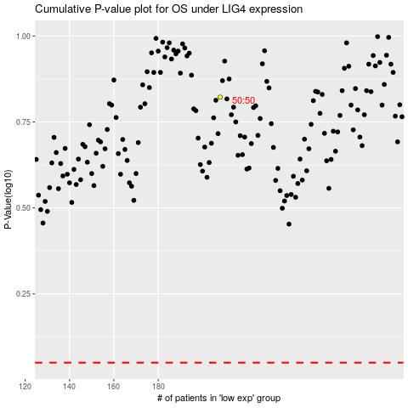

 |  |  |  |  |  | cases_OS | p_OS | rank | exp
 |  |  |  |  |  |  | cases_RFS | p_RFS | rank | exp

