LILRA1 _multivariate
Reported by Tex Li-Hsing Chi. tex@gate.sinica.edu.tw 2019-08-18

Table 2. The clinicopathological features of HNSCC cohort and LILRA1 expression. (Chi square test)
Cutoff at -0.295 (49.8%)
 |  | LILRA1 expression |  | LILRA1 expression |  | (Optimised)
 | Features | Low | (%) | High | (%) | Case no | P-value | Remark | Matthews
Gender | Female | 165 | 39.8 | 141 | 34 | 415 | 0.0081 | 1 | 0
2 | Male | 42 | 10.1 | 67 | 16.1
Age at diagnosis | <=65y | 141 | 34 | 133 | 32 | 415 | 0.4272 | 0 | 0
4 | >65y | 66 | 15.9 | 75 | 18.1
Clinical T Status | T1+T2 | 67 | 16.1 | 82 | 19.8 | 415 | 0.1628 | 0 | 0
6 | T3+T4 | 140 | 33.7 | 126 | 30.4
Clinical N Status | N0 | 109 | 26.3 | 107 | 25.8 | 415 | 0.8812 | 0 | 0
8 | N1-3 | 98 | 23.6 | 101 | 24.3
Clinical M Status | M0 | 204 | 49.2 | 208 | 50.1 | 415 | 0.1232 | 0 | 0
10 | M1 | 3 | 0.7 | 0 | 0
Clinical Stage | Stage I+II | 42 | 10.1 | 60 | 14.5 | 415 | 0.0561 | 0 | 0
12 | Stage III+IV | 165 | 39.8 | 148 | 35.7
Surgical Margin status | Negative | 155 | 37.3 | 163 | 39.3 | 415 | 0.4187 | 0 | 0
14 | Positive | 52 | 12.5 | 45 | 10.8
Tobacco Exposure | Low | 79 | 19 | 82 | 19.8 | 415 | 0.8405 | 0 | 0
16 | High | 128 | 30.8 | 126 | 30.4

Table 3. Univariate/Multivariate Cox's proportional hazards regression analyses on OS time of LILRA1 gene expression in HNSCC

 |  | Univariate |  |  |  | Multivariate
 | Features | HR | CI95%(L) | CI95%(H) | P-value | HR | CI95%(L) | CI95%(H) | P-value
1 | Female | 1 |  |  |  | 1
Gender | Male | 1.157 | 0.843 | 1.587 | 0.367 | 1.21 | 0.865 | 1.693 | 0.265
11 | <=65y | 1 |  |  |  | 1
Age at diagnosis | >65y | 1.329 | 0.99 | 1.784 | 0.058 | 1.394 | 1.026 | 1.895 | 0.034
12 | T1+T2 | 1 |  |  |  | 1
Clinical T Status | T3+T4 | 1.409 | 1.028 | 1.931 | 0.033 | 2.21 | 1.168 | 4.179 | 0.015
13 | N0 | 1 |  |  |  | 1
Clinical N Status | N1-3 | 1.185 | 0.89 | 1.577 | 0.246 | 1.246 | 0.873 | 1.778 | 0.226
14 | M0 | 1 |  |  |  | 1
Clinical M Status | M1 | 4.097 | 1.009 | 16.644 | 0.049 | 9.148 | 1.986 | 42.129 | 0.005
15 | Stage I+II | 1 |  |  |  | 1
Clinical Stage | Stage III+IV | 1.245 | 0.882 | 1.759 | 0.213 | 0.499 | 0.232 | 1.073 | 0.075
16 | Negative | 1 |  |  |  | 1
Surgical Margin status | Positive | 1.591 | 1.155 | 2.191 | 0.004 | 1.673 | 1.21 | 2.312 | 0.002
17 | Low | 1 |  |  |  | 1
Tobacco Exposure | High | 1.364 | 1.008 | 1.844 | 0.044 | 1.455 | 1.056 | 2.006 | 0.022
18 | Low | 1 |  |  |  | 1
RNAseq(z-score) | High | 0.949 | 0.712 | 1.265 | 0.721 | 0.935 | 0.699 | 1.252 | 0.652

Table 4. Univariate/Multivariate Cox's proportional hazards regression analyses on RFS time of LILRA1 gene expression in HNSCC

 |  | Univariate |  |  |  | Multivariate
 | Features | HR | CI95%(L) | CI95%(H) | P-value | HR | CI95%(L) | CI95%(H) | P-value
1 | Female | 1 |  |  |  | 1
Gender | Male | 1.157 | 0.843 | 1.587 | 0.367 | 1.21 | 0.865 | 1.693 | 0.265
11 | <=65y | 1 |  |  |  | 1
Age at diagnosis | >65y | 1.329 | 0.99 | 1.784 | 0.058 | 1.394 | 1.026 | 1.895 | 0.034
12 | T1+T2 | 1 |  |  |  | 1
Clinical T Status | T3+T4 | 1.409 | 1.028 | 1.931 | 0.033 | 2.21 | 1.168 | 4.179 | 0.015
13 | N0 | 1 |  |  |  | 1
Clinical N Status | N1-3 | 1.185 | 0.89 | 1.577 | 0.246 | 1.246 | 0.873 | 1.778 | 0.226
14 | M0 | 1 |  |  |  | 1
Clinical M Status | M1 | 4.097 | 1.009 | 16.644 | 0.049 | 9.148 | 1.986 | 42.129 | 0.005
15 | Stage I+II | 1 |  |  |  | 1
Clinical Stage | Stage III+IV | 1.245 | 0.882 | 1.759 | 0.213 | 0.499 | 0.232 | 1.073 | 0.075
16 | Negative | 1 |  |  |  | 1
Surgical Margin status | Positive | 1.591 | 1.155 | 2.191 | 0.004 | 1.673 | 1.21 | 2.312 | 0.002
17 | Low | 1 |  |  |  | 1
Tobacco Exposure | High | 1.364 | 1.008 | 1.844 | 0.044 | 1.455 | 1.056 | 2.006 | 0.022
18 | Low | 1 |  |  |  | 1
RNAseq(z-score) | High | 0.949 | 0.712 | 1.265 | 0.721 | 0.935 | 0.699 | 1.252 | 0.652

Kaplan-Meier survival estimate: Cutoff at -0.295 (49.8%)



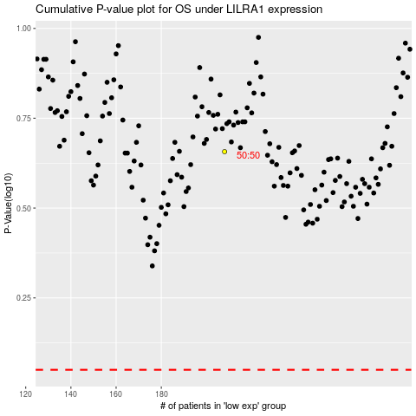

 |  |  |  |  |  | cases_OS | p_OS | rank | exp
 |  |  |  |  |  |  | cases_RFS | p_RFS | rank | exp

