LILRA2 _multivariate
Reported by Tex Li-Hsing Chi. tex@gate.sinica.edu.tw 2019-08-18

Table 2. The clinicopathological features of HNSCC cohort and LILRA2 expression. (Chi square test)
Cutoff at -0.299 (49.8%)
 |  | LILRA2 expression |  | LILRA2 expression |  | (Optimised)
 | Features | Low | (%) | High | (%) | Case no | P-value | Remark | Matthews
Gender | Female | 161 | 38.8 | 145 | 34.9 | 415 | 0.0792 | 0 | 0
2 | Male | 46 | 11.1 | 63 | 15.2
Age at diagnosis | <=65y | 149 | 35.9 | 125 | 30.1 | 415 | 0.0142 | 1 | 0
4 | >65y | 58 | 14 | 83 | 20
Clinical T Status | T1+T2 | 72 | 17.3 | 77 | 18.6 | 415 | 0.7095 | 0 | 0
6 | T3+T4 | 135 | 32.5 | 131 | 31.6
Clinical N Status | N0 | 107 | 25.8 | 109 | 26.3 | 415 | 0.9624 | 0 | 0
8 | N1-3 | 100 | 24.1 | 99 | 23.9
Clinical M Status | M0 | 204 | 49.2 | 208 | 50.1 | 415 | 0.1232 | 0 | 0
10 | M1 | 3 | 0.7 | 0 | 0
Clinical Stage | Stage I+II | 48 | 11.6 | 54 | 13 | 415 | 0.5878 | 0 | 0
12 | Stage III+IV | 159 | 38.3 | 154 | 37.1
Surgical Margin status | Negative | 152 | 36.6 | 166 | 40 | 415 | 0.1329 | 0 | 0
14 | Positive | 55 | 13.3 | 42 | 10.1
Tobacco Exposure | Low | 73 | 17.6 | 88 | 21.2 | 415 | 0.1587 | 0 | 0
16 | High | 134 | 32.3 | 120 | 28.9

Table 3. Univariate/Multivariate Cox's proportional hazards regression analyses on OS time of LILRA2 gene expression in HNSCC

 |  | Univariate |  |  |  | Multivariate
 | Features | HR | CI95%(L) | CI95%(H) | P-value | HR | CI95%(L) | CI95%(H) | P-value
1 | Female | 1 |  |  |  | 1
Gender | Male | 1.157 | 0.843 | 1.587 | 0.367 | 1.199 | 0.857 | 1.677 | 0.289
11 | <=65y | 1 |  |  |  | 1
Age at diagnosis | >65y | 1.329 | 0.99 | 1.784 | 0.058 | 1.416 | 1.041 | 1.927 | 0.027
12 | T1+T2 | 1 |  |  |  | 1
Clinical T Status | T3+T4 | 1.409 | 1.028 | 1.931 | 0.033 | 2.227 | 1.177 | 4.214 | 0.014
13 | N0 | 1 |  |  |  | 1
Clinical N Status | N1-3 | 1.185 | 0.89 | 1.577 | 0.246 | 1.255 | 0.88 | 1.79 | 0.21
14 | M0 | 1 |  |  |  | 1
Clinical M Status | M1 | 4.097 | 1.009 | 16.644 | 0.049 | 8.606 | 1.868 | 39.643 | 0.006
15 | Stage I+II | 1 |  |  |  | 1
Clinical Stage | Stage III+IV | 1.245 | 0.882 | 1.759 | 0.213 | 0.497 | 0.232 | 1.067 | 0.073
16 | Negative | 1 |  |  |  | 1
Surgical Margin status | Positive | 1.591 | 1.155 | 2.191 | 0.004 | 1.665 | 1.205 | 2.302 | 0.002
17 | Low | 1 |  |  |  | 1
Tobacco Exposure | High | 1.364 | 1.008 | 1.844 | 0.044 | 1.449 | 1.05 | 1.999 | 0.024
18 | Low | 1 |  |  |  | 1
RNAseq(z-score) | High | 0.826 | 0.62 | 1.1 | 0.191 | 0.818 | 0.612 | 1.093 | 0.174

Table 4. Univariate/Multivariate Cox's proportional hazards regression analyses on RFS time of LILRA2 gene expression in HNSCC

 |  | Univariate |  |  |  | Multivariate
 | Features | HR | CI95%(L) | CI95%(H) | P-value | HR | CI95%(L) | CI95%(H) | P-value
1 | Female | 1 |  |  |  | 1
Gender | Male | 1.157 | 0.843 | 1.587 | 0.367 | 1.199 | 0.857 | 1.677 | 0.289
11 | <=65y | 1 |  |  |  | 1
Age at diagnosis | >65y | 1.329 | 0.99 | 1.784 | 0.058 | 1.416 | 1.041 | 1.927 | 0.027
12 | T1+T2 | 1 |  |  |  | 1
Clinical T Status | T3+T4 | 1.409 | 1.028 | 1.931 | 0.033 | 2.227 | 1.177 | 4.214 | 0.014
13 | N0 | 1 |  |  |  | 1
Clinical N Status | N1-3 | 1.185 | 0.89 | 1.577 | 0.246 | 1.255 | 0.88 | 1.79 | 0.21
14 | M0 | 1 |  |  |  | 1
Clinical M Status | M1 | 4.097 | 1.009 | 16.644 | 0.049 | 8.606 | 1.868 | 39.643 | 0.006
15 | Stage I+II | 1 |  |  |  | 1
Clinical Stage | Stage III+IV | 1.245 | 0.882 | 1.759 | 0.213 | 0.497 | 0.232 | 1.067 | 0.073
16 | Negative | 1 |  |  |  | 1
Surgical Margin status | Positive | 1.591 | 1.155 | 2.191 | 0.004 | 1.665 | 1.205 | 2.302 | 0.002
17 | Low | 1 |  |  |  | 1
Tobacco Exposure | High | 1.364 | 1.008 | 1.844 | 0.044 | 1.449 | 1.05 | 1.999 | 0.024
18 | Low | 1 |  |  |  | 1
RNAseq(z-score) | High | 0.826 | 0.62 | 1.1 | 0.191 | 0.818 | 0.612 | 1.093 | 0.174

Kaplan-Meier survival estimate: Cutoff at -0.299 (49.8%)



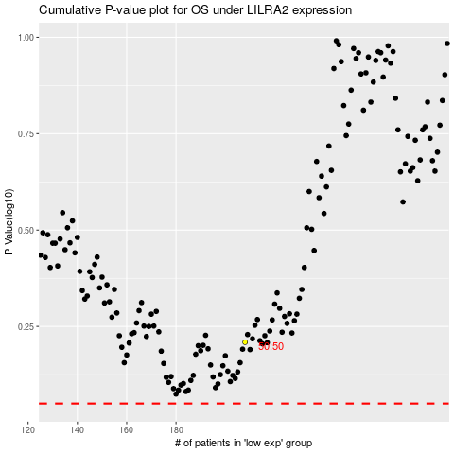

 |  |  |  |  |  | cases_OS | p_OS | rank | exp
 |  |  |  |  |  |  | cases_RFS | p_RFS | rank | exp

