LILRA3 _multivariate
Reported by Tex Li-Hsing Chi. tex@gate.sinica.edu.tw 2019-08-18

Table 2. The clinicopathological features of HNSCC cohort and LILRA3 expression. (Chi square test)
Cutoff at -0.273 (50.0%)
 |  | LILRA3 expression |  | LILRA3 expression |  | (Optimised)
 | Features | Low | (%) | High | (%) | Case no | P-value | Remark | Matthews
Gender | Female | 167 | 40.2 | 139 | 33.5 | 415 | 0.002 | 1 | 0
2 | Male | 40 | 9.6 | 69 | 16.6
Age at diagnosis | <=65y | 146 | 35.2 | 128 | 30.8 | 415 | 0.0672 | 0 | 0
4 | >65y | 61 | 14.7 | 80 | 19.3
Clinical T Status | T1+T2 | 82 | 19.8 | 67 | 16.1 | 415 | 0.1417 | 0 | 0
6 | T3+T4 | 125 | 30.1 | 141 | 34
Clinical N Status | N0 | 118 | 28.4 | 98 | 23.6 | 415 | 0.0551 | 1 | 0
8 | N1-3 | 89 | 21.4 | 110 | 26.5
Clinical M Status | M0 | 206 | 49.6 | 206 | 49.6 | 415 | 1 | 0 | 0
10 | M1 | 1 | 0.2 | 2 | 0.5
Clinical Stage | Stage I+II | 57 | 13.7 | 45 | 10.8 | 415 | 0.1998 | 0 | 0
12 | Stage III+IV | 150 | 36.1 | 163 | 39.3
Surgical Margin status | Negative | 155 | 37.3 | 163 | 39.3 | 415 | 0.4187 | 0 | 0
14 | Positive | 52 | 12.5 | 45 | 10.8
Tobacco Exposure | Low | 78 | 18.8 | 83 | 20 | 415 | 0.6873 | 0 | 0
16 | High | 129 | 31.1 | 125 | 30.1

Table 3. Univariate/Multivariate Cox's proportional hazards regression analyses on OS time of LILRA3 gene expression in HNSCC

 |  | Univariate |  |  |  | Multivariate
 | Features | HR | CI95%(L) | CI95%(H) | P-value | HR | CI95%(L) | CI95%(H) | P-value
1 | Female | 1 |  |  |  | 1
Gender | Male | 1.157 | 0.843 | 1.587 | 0.367 | 1.219 | 0.87 | 1.708 | 0.25
11 | <=65y | 1 |  |  |  | 1
Age at diagnosis | >65y | 1.329 | 0.99 | 1.784 | 0.058 | 1.405 | 1.032 | 1.911 | 0.031
12 | T1+T2 | 1 |  |  |  | 1
Clinical T Status | T3+T4 | 1.409 | 1.028 | 1.931 | 0.033 | 2.235 | 1.18 | 4.232 | 0.014
13 | N0 | 1 |  |  |  | 1
Clinical N Status | N1-3 | 1.185 | 0.89 | 1.577 | 0.246 | 1.257 | 0.879 | 1.798 | 0.209
14 | M0 | 1 |  |  |  | 1
Clinical M Status | M1 | 4.097 | 1.009 | 16.644 | 0.049 | 9.802 | 2.127 | 45.166 | 0.003
15 | Stage I+II | 1 |  |  |  | 1
Clinical Stage | Stage III+IV | 1.245 | 0.882 | 1.759 | 0.213 | 0.499 | 0.232 | 1.071 | 0.074
16 | Negative | 1 |  |  |  | 1
Surgical Margin status | Positive | 1.591 | 1.155 | 2.191 | 0.004 | 1.666 | 1.205 | 2.303 | 0.002
17 | Low | 1 |  |  |  | 1
Tobacco Exposure | High | 1.364 | 1.008 | 1.844 | 0.044 | 1.455 | 1.056 | 2.005 | 0.022
18 | Low | 1 |  |  |  | 1
RNAseq(z-score) | High | 1.007 | 0.756 | 1.342 | 0.961 | 0.906 | 0.675 | 1.216 | 0.512

Table 4. Univariate/Multivariate Cox's proportional hazards regression analyses on RFS time of LILRA3 gene expression in HNSCC

 |  | Univariate |  |  |  | Multivariate
 | Features | HR | CI95%(L) | CI95%(H) | P-value | HR | CI95%(L) | CI95%(H) | P-value
1 | Female | 1 |  |  |  | 1
Gender | Male | 1.157 | 0.843 | 1.587 | 0.367 | 1.219 | 0.87 | 1.708 | 0.25
11 | <=65y | 1 |  |  |  | 1
Age at diagnosis | >65y | 1.329 | 0.99 | 1.784 | 0.058 | 1.405 | 1.032 | 1.911 | 0.031
12 | T1+T2 | 1 |  |  |  | 1
Clinical T Status | T3+T4 | 1.409 | 1.028 | 1.931 | 0.033 | 2.235 | 1.18 | 4.232 | 0.014
13 | N0 | 1 |  |  |  | 1
Clinical N Status | N1-3 | 1.185 | 0.89 | 1.577 | 0.246 | 1.257 | 0.879 | 1.798 | 0.209
14 | M0 | 1 |  |  |  | 1
Clinical M Status | M1 | 4.097 | 1.009 | 16.644 | 0.049 | 9.802 | 2.127 | 45.166 | 0.003
15 | Stage I+II | 1 |  |  |  | 1
Clinical Stage | Stage III+IV | 1.245 | 0.882 | 1.759 | 0.213 | 0.499 | 0.232 | 1.071 | 0.074
16 | Negative | 1 |  |  |  | 1
Surgical Margin status | Positive | 1.591 | 1.155 | 2.191 | 0.004 | 1.666 | 1.205 | 2.303 | 0.002
17 | Low | 1 |  |  |  | 1
Tobacco Exposure | High | 1.364 | 1.008 | 1.844 | 0.044 | 1.455 | 1.056 | 2.005 | 0.022
18 | Low | 1 |  |  |  | 1
RNAseq(z-score) | High | 1.007 | 0.756 | 1.342 | 0.961 | 0.906 | 0.675 | 1.216 | 0.512

Kaplan-Meier survival estimate: Cutoff at -0.273 (50.0%)



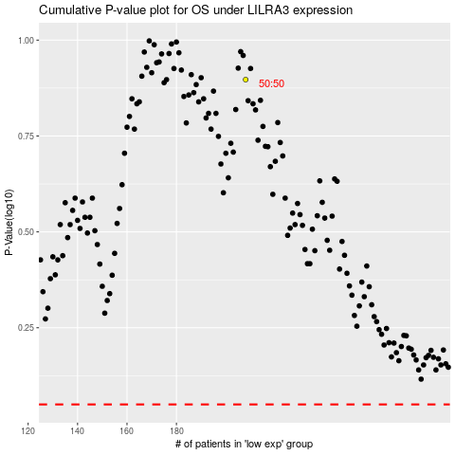

 |  |  |  |  |  | cases_OS | p_OS | rank | exp
 |  |  |  |  |  |  | cases_RFS | p_RFS | rank | exp

