LILRA5 _multivariate
Reported by Tex Li-Hsing Chi. tex@gate.sinica.edu.tw 2019-08-18

Table 2. The clinicopathological features of HNSCC cohort and LILRA5 expression. (Chi square test)
Cutoff at -0.253 (49.8%)
 |  | LILRA5 expression |  | LILRA5 expression |  | (Optimised)
 | Features | Low | (%) | High | (%) | Case no | P-value | Remark | Matthews
Gender | Female | 162 | 39 | 144 | 34.7 | 415 | 0.0479 | 1 | 0
2 | Male | 45 | 10.8 | 64 | 15.4
Age at diagnosis | <=65y | 148 | 35.7 | 126 | 30.4 | 415 | 0.0248 | 1 | 0
4 | >65y | 59 | 14.2 | 82 | 19.8
Clinical T Status | T1+T2 | 80 | 19.3 | 69 | 16.6 | 415 | 0.2891 | 0 | 0
6 | T3+T4 | 127 | 30.6 | 139 | 33.5
Clinical N Status | N0 | 115 | 27.7 | 101 | 24.3 | 415 | 0.184 | 1 | 0
8 | N1-3 | 92 | 22.2 | 107 | 25.8
Clinical M Status | M0 | 205 | 49.4 | 207 | 49.9 | 415 | 0.6232 | 0 | 0
10 | M1 | 2 | 0.5 | 1 | 0.2
Clinical Stage | Stage I+II | 52 | 12.5 | 50 | 12 | 415 | 0.8871 | 0 | 0
12 | Stage III+IV | 155 | 37.3 | 158 | 38.1
Surgical Margin status | Negative | 152 | 36.6 | 166 | 40 | 415 | 0.1329 | 0 | 0
14 | Positive | 55 | 13.3 | 42 | 10.1
Tobacco Exposure | Low | 78 | 18.8 | 83 | 20 | 415 | 0.6873 | 0 | 0
16 | High | 129 | 31.1 | 125 | 30.1

Table 3. Univariate/Multivariate Cox's proportional hazards regression analyses on OS time of LILRA5 gene expression in HNSCC

 |  | Univariate |  |  |  | Multivariate
 | Features | HR | CI95%(L) | CI95%(H) | P-value | HR | CI95%(L) | CI95%(H) | P-value
1 | Female | 1 |  |  |  | 1
Gender | Male | 1.157 | 0.843 | 1.587 | 0.367 | 1.201 | 0.86 | 1.678 | 0.282
11 | <=65y | 1 |  |  |  | 1
Age at diagnosis | >65y | 1.329 | 0.99 | 1.784 | 0.058 | 1.382 | 1.016 | 1.881 | 0.04
12 | T1+T2 | 1 |  |  |  | 1
Clinical T Status | T3+T4 | 1.409 | 1.028 | 1.931 | 0.033 | 2.153 | 1.135 | 4.086 | 0.019
13 | N0 | 1 |  |  |  | 1
Clinical N Status | N1-3 | 1.185 | 0.89 | 1.577 | 0.246 | 1.228 | 0.859 | 1.755 | 0.26
14 | M0 | 1 |  |  |  | 1
Clinical M Status | M1 | 4.097 | 1.009 | 16.644 | 0.049 | 9.305 | 2.03 | 42.664 | 0.004
15 | Stage I+II | 1 |  |  |  | 1
Clinical Stage | Stage III+IV | 1.245 | 0.882 | 1.759 | 0.213 | 0.517 | 0.24 | 1.115 | 0.092
16 | Negative | 1 |  |  |  | 1
Surgical Margin status | Positive | 1.591 | 1.155 | 2.191 | 0.004 | 1.673 | 1.211 | 2.311 | 0.002
17 | Low | 1 |  |  |  | 1
Tobacco Exposure | High | 1.364 | 1.008 | 1.844 | 0.044 | 1.453 | 1.055 | 2.002 | 0.022
18 | Low | 1 |  |  |  | 1
RNAseq(z-score) | High | 1.177 | 0.884 | 1.567 | 0.266 | 1.099 | 0.822 | 1.468 | 0.525

Table 4. Univariate/Multivariate Cox's proportional hazards regression analyses on RFS time of LILRA5 gene expression in HNSCC

 |  | Univariate |  |  |  | Multivariate
 | Features | HR | CI95%(L) | CI95%(H) | P-value | HR | CI95%(L) | CI95%(H) | P-value
1 | Female | 1 |  |  |  | 1
Gender | Male | 1.157 | 0.843 | 1.587 | 0.367 | 1.201 | 0.86 | 1.678 | 0.282
11 | <=65y | 1 |  |  |  | 1
Age at diagnosis | >65y | 1.329 | 0.99 | 1.784 | 0.058 | 1.382 | 1.016 | 1.881 | 0.04
12 | T1+T2 | 1 |  |  |  | 1
Clinical T Status | T3+T4 | 1.409 | 1.028 | 1.931 | 0.033 | 2.153 | 1.135 | 4.086 | 0.019
13 | N0 | 1 |  |  |  | 1
Clinical N Status | N1-3 | 1.185 | 0.89 | 1.577 | 0.246 | 1.228 | 0.859 | 1.755 | 0.26
14 | M0 | 1 |  |  |  | 1
Clinical M Status | M1 | 4.097 | 1.009 | 16.644 | 0.049 | 9.305 | 2.03 | 42.664 | 0.004
15 | Stage I+II | 1 |  |  |  | 1
Clinical Stage | Stage III+IV | 1.245 | 0.882 | 1.759 | 0.213 | 0.517 | 0.24 | 1.115 | 0.092
16 | Negative | 1 |  |  |  | 1
Surgical Margin status | Positive | 1.591 | 1.155 | 2.191 | 0.004 | 1.673 | 1.211 | 2.311 | 0.002
17 | Low | 1 |  |  |  | 1
Tobacco Exposure | High | 1.364 | 1.008 | 1.844 | 0.044 | 1.453 | 1.055 | 2.002 | 0.022
18 | Low | 1 |  |  |  | 1
RNAseq(z-score) | High | 1.177 | 0.884 | 1.567 | 0.266 | 1.099 | 0.822 | 1.468 | 0.525

Kaplan-Meier survival estimate: Cutoff at -0.253 (49.8%)



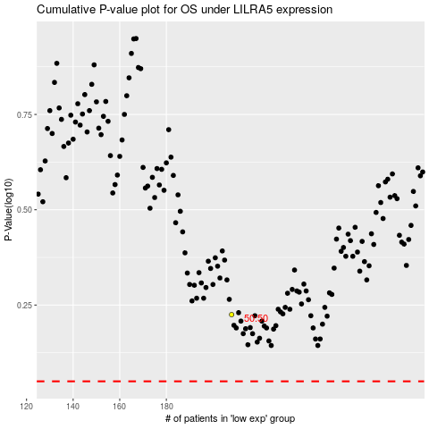

 |  |  |  |  |  | cases_OS | p_OS | rank | exp
 |  |  |  |  |  |  | cases_RFS | p_RFS | rank | exp

