LILRB1 _multivariate
Reported by Tex Li-Hsing Chi. tex@gate.sinica.edu.tw 2019-08-18

Table 2. The clinicopathological features of HNSCC cohort and LILRB1 expression. (Chi square test)
Cutoff at -0.303 (49.8%)
 |  | LILRB1 expression |  | LILRB1 expression |  | (Optimised)
 | Features | Low | (%) | High | (%) | Case no | P-value | Remark | Matthews
Gender | Female | 161 | 38.8 | 145 | 34.9 | 415 | 0.0792 | 0 | 0
2 | Male | 46 | 11.1 | 63 | 15.2
Age at diagnosis | <=65y | 145 | 34.9 | 129 | 31.1 | 415 | 0.1046 | 0 | 0
4 | >65y | 62 | 14.9 | 79 | 19
Clinical T Status | T1+T2 | 70 | 16.9 | 79 | 19 | 415 | 0.4343 | 0 | 0
6 | T3+T4 | 137 | 33 | 129 | 31.1
Clinical N Status | N0 | 117 | 28.2 | 99 | 23.9 | 415 | 0.0852 | 1 | 0
8 | N1-3 | 90 | 21.7 | 109 | 26.3
Clinical M Status | M0 | 206 | 49.6 | 206 | 49.6 | 415 | 1 | 0 | 0
10 | M1 | 1 | 0.2 | 2 | 0.5
Clinical Stage | Stage I+II | 47 | 11.3 | 55 | 13.3 | 415 | 0.4413 | 0 | 0
12 | Stage III+IV | 160 | 38.6 | 153 | 36.9
Surgical Margin status | Negative | 152 | 36.6 | 166 | 40 | 415 | 0.1329 | 0 | 0
14 | Positive | 55 | 13.3 | 42 | 10.1
Tobacco Exposure | Low | 75 | 18.1 | 86 | 20.7 | 415 | 0.3141 | 0 | 0
16 | High | 132 | 31.8 | 122 | 29.4

Table 3. Univariate/Multivariate Cox's proportional hazards regression analyses on OS time of LILRB1 gene expression in HNSCC

 |  | Univariate |  |  |  | Multivariate
 | Features | HR | CI95%(L) | CI95%(H) | P-value | HR | CI95%(L) | CI95%(H) | P-value
1 | Female | 1 |  |  |  | 1
Gender | Male | 1.157 | 0.843 | 1.587 | 0.367 | 1.202 | 0.86 | 1.68 | 0.281
11 | <=65y | 1 |  |  |  | 1
Age at diagnosis | >65y | 1.329 | 0.99 | 1.784 | 0.058 | 1.395 | 1.027 | 1.897 | 0.033
12 | T1+T2 | 1 |  |  |  | 1
Clinical T Status | T3+T4 | 1.409 | 1.028 | 1.931 | 0.033 | 2.219 | 1.173 | 4.199 | 0.014
13 | N0 | 1 |  |  |  | 1
Clinical N Status | N1-3 | 1.185 | 0.89 | 1.577 | 0.246 | 1.259 | 0.879 | 1.803 | 0.208
14 | M0 | 1 |  |  |  | 1
Clinical M Status | M1 | 4.097 | 1.009 | 16.644 | 0.049 | 9.489 | 2.069 | 43.51 | 0.004
15 | Stage I+II | 1 |  |  |  | 1
Clinical Stage | Stage III+IV | 1.245 | 0.882 | 1.759 | 0.213 | 0.495 | 0.23 | 1.066 | 0.072
16 | Negative | 1 |  |  |  | 1
Surgical Margin status | Positive | 1.591 | 1.155 | 2.191 | 0.004 | 1.666 | 1.205 | 2.303 | 0.002
17 | Low | 1 |  |  |  | 1
Tobacco Exposure | High | 1.364 | 1.008 | 1.844 | 0.044 | 1.444 | 1.047 | 1.992 | 0.025
18 | Low | 1 |  |  |  | 1
RNAseq(z-score) | High | 0.92 | 0.69 | 1.226 | 0.568 | 0.919 | 0.687 | 1.229 | 0.568

Table 4. Univariate/Multivariate Cox's proportional hazards regression analyses on RFS time of LILRB1 gene expression in HNSCC

 |  | Univariate |  |  |  | Multivariate
 | Features | HR | CI95%(L) | CI95%(H) | P-value | HR | CI95%(L) | CI95%(H) | P-value
1 | Female | 1 |  |  |  | 1
Gender | Male | 1.157 | 0.843 | 1.587 | 0.367 | 1.202 | 0.86 | 1.68 | 0.281
11 | <=65y | 1 |  |  |  | 1
Age at diagnosis | >65y | 1.329 | 0.99 | 1.784 | 0.058 | 1.395 | 1.027 | 1.897 | 0.033
12 | T1+T2 | 1 |  |  |  | 1
Clinical T Status | T3+T4 | 1.409 | 1.028 | 1.931 | 0.033 | 2.219 | 1.173 | 4.199 | 0.014
13 | N0 | 1 |  |  |  | 1
Clinical N Status | N1-3 | 1.185 | 0.89 | 1.577 | 0.246 | 1.259 | 0.879 | 1.803 | 0.208
14 | M0 | 1 |  |  |  | 1
Clinical M Status | M1 | 4.097 | 1.009 | 16.644 | 0.049 | 9.489 | 2.069 | 43.51 | 0.004
15 | Stage I+II | 1 |  |  |  | 1
Clinical Stage | Stage III+IV | 1.245 | 0.882 | 1.759 | 0.213 | 0.495 | 0.23 | 1.066 | 0.072
16 | Negative | 1 |  |  |  | 1
Surgical Margin status | Positive | 1.591 | 1.155 | 2.191 | 0.004 | 1.666 | 1.205 | 2.303 | 0.002
17 | Low | 1 |  |  |  | 1
Tobacco Exposure | High | 1.364 | 1.008 | 1.844 | 0.044 | 1.444 | 1.047 | 1.992 | 0.025
18 | Low | 1 |  |  |  | 1
RNAseq(z-score) | High | 0.92 | 0.69 | 1.226 | 0.568 | 0.919 | 0.687 | 1.229 | 0.568

Kaplan-Meier survival estimate: Cutoff at -0.303 (49.8%)



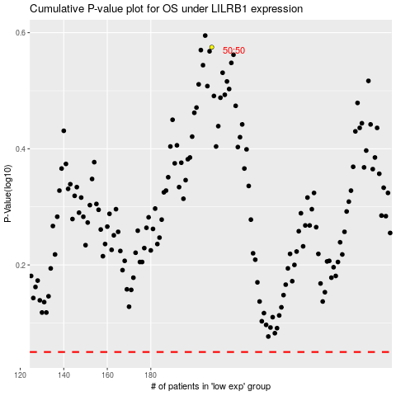

 |  |  |  |  |  | cases_OS | p_OS | rank | exp
 |  |  |  |  |  |  | cases_RFS | p_RFS | rank | exp

