LILRB3 _multivariate
Reported by Tex Li-Hsing Chi. tex@gate.sinica.edu.tw 2019-08-18

Table 2. The clinicopathological features of HNSCC cohort and LILRB3 expression. (Chi square test)
Cutoff at -0.295 (49.8%)
 |  | LILRB3 expression |  | LILRB3 expression |  | (Optimised)
 | Features | Low | (%) | High | (%) | Case no | P-value | Remark | Matthews
Gender | Female | 164 | 39.5 | 142 | 34.2 | 415 | 0.0153 | 1 | 0
2 | Male | 43 | 10.4 | 66 | 15.9
Age at diagnosis | <=65y | 149 | 35.9 | 125 | 30.1 | 415 | 0.0142 | 1 | 0
4 | >65y | 58 | 14 | 83 | 20
Clinical T Status | T1+T2 | 77 | 18.6 | 72 | 17.3 | 415 | 0.6556 | 0 | 0
6 | T3+T4 | 130 | 31.3 | 136 | 32.8
Clinical N Status | N0 | 116 | 28 | 100 | 24.1 | 415 | 0.1273 | 1 | 0
8 | N1-3 | 91 | 21.9 | 108 | 26
Clinical M Status | M0 | 207 | 49.9 | 205 | 49.4 | 415 | 0.2482 | 0 | 0
10 | M1 | 0 | 0 | 3 | 0.7
Clinical Stage | Stage I+II | 50 | 12 | 52 | 12.5 | 415 | 0.9315 | 0 | 0
12 | Stage III+IV | 157 | 37.8 | 156 | 37.6
Surgical Margin status | Negative | 159 | 38.3 | 159 | 38.3 | 415 | 1 | 0 | 0
14 | Positive | 48 | 11.6 | 49 | 11.8
Tobacco Exposure | Low | 75 | 18.1 | 86 | 20.7 | 415 | 0.3141 | 0 | 0
16 | High | 132 | 31.8 | 122 | 29.4

Table 3. Univariate/Multivariate Cox's proportional hazards regression analyses on OS time of LILRB3 gene expression in HNSCC

 |  | Univariate |  |  |  | Multivariate
 | Features | HR | CI95%(L) | CI95%(H) | P-value | HR | CI95%(L) | CI95%(H) | P-value
1 | Female | 1 |  |  |  | 1
Gender | Male | 1.157 | 0.843 | 1.587 | 0.367 | 1.207 | 0.862 | 1.69 | 0.273
11 | <=65y | 1 |  |  |  | 1
Age at diagnosis | >65y | 1.329 | 0.99 | 1.784 | 0.058 | 1.396 | 1.026 | 1.9 | 0.034
12 | T1+T2 | 1 |  |  |  | 1
Clinical T Status | T3+T4 | 1.409 | 1.028 | 1.931 | 0.033 | 2.225 | 1.169 | 4.236 | 0.015
13 | N0 | 1 |  |  |  | 1
Clinical N Status | N1-3 | 1.185 | 0.89 | 1.577 | 0.246 | 1.248 | 0.872 | 1.788 | 0.226
14 | M0 | 1 |  |  |  | 1
Clinical M Status | M1 | 4.097 | 1.009 | 16.644 | 0.049 | 9.646 | 2.069 | 44.965 | 0.004
15 | Stage I+II | 1 |  |  |  | 1
Clinical Stage | Stage III+IV | 1.245 | 0.882 | 1.759 | 0.213 | 0.499 | 0.231 | 1.078 | 0.077
16 | Negative | 1 |  |  |  | 1
Surgical Margin status | Positive | 1.591 | 1.155 | 2.191 | 0.004 | 1.675 | 1.211 | 2.315 | 0.002
17 | Low | 1 |  |  |  | 1
Tobacco Exposure | High | 1.364 | 1.008 | 1.844 | 0.044 | 1.451 | 1.053 | 1.999 | 0.023
18 | Low | 1 |  |  |  | 1
RNAseq(z-score) | High | 1.113 | 0.835 | 1.483 | 0.466 | 0.967 | 0.716 | 1.306 | 0.827

Table 4. Univariate/Multivariate Cox's proportional hazards regression analyses on RFS time of LILRB3 gene expression in HNSCC

 |  | Univariate |  |  |  | Multivariate
 | Features | HR | CI95%(L) | CI95%(H) | P-value | HR | CI95%(L) | CI95%(H) | P-value
1 | Female | 1 |  |  |  | 1
Gender | Male | 1.157 | 0.843 | 1.587 | 0.367 | 1.207 | 0.862 | 1.69 | 0.273
11 | <=65y | 1 |  |  |  | 1
Age at diagnosis | >65y | 1.329 | 0.99 | 1.784 | 0.058 | 1.396 | 1.026 | 1.9 | 0.034
12 | T1+T2 | 1 |  |  |  | 1
Clinical T Status | T3+T4 | 1.409 | 1.028 | 1.931 | 0.033 | 2.225 | 1.169 | 4.236 | 0.015
13 | N0 | 1 |  |  |  | 1
Clinical N Status | N1-3 | 1.185 | 0.89 | 1.577 | 0.246 | 1.248 | 0.872 | 1.788 | 0.226
14 | M0 | 1 |  |  |  | 1
Clinical M Status | M1 | 4.097 | 1.009 | 16.644 | 0.049 | 9.646 | 2.069 | 44.965 | 0.004
15 | Stage I+II | 1 |  |  |  | 1
Clinical Stage | Stage III+IV | 1.245 | 0.882 | 1.759 | 0.213 | 0.499 | 0.231 | 1.078 | 0.077
16 | Negative | 1 |  |  |  | 1
Surgical Margin status | Positive | 1.591 | 1.155 | 2.191 | 0.004 | 1.675 | 1.211 | 2.315 | 0.002
17 | Low | 1 |  |  |  | 1
Tobacco Exposure | High | 1.364 | 1.008 | 1.844 | 0.044 | 1.451 | 1.053 | 1.999 | 0.023
18 | Low | 1 |  |  |  | 1
RNAseq(z-score) | High | 1.113 | 0.835 | 1.483 | 0.466 | 0.967 | 0.716 | 1.306 | 0.827

Kaplan-Meier survival estimate: Cutoff at -0.295 (49.8%)



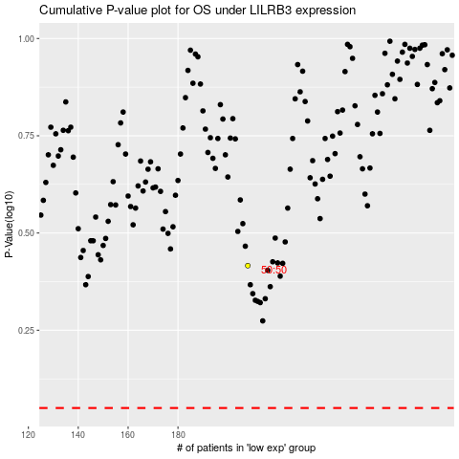

 |  |  |  |  |  | cases_OS | p_OS | rank | exp
 |  |  |  |  |  |  | cases_RFS | p_RFS | rank | exp

