LILRB4 _multivariate
Reported by Tex Li-Hsing Chi. tex@gate.sinica.edu.tw 2019-08-18

Table 2. The clinicopathological features of HNSCC cohort and LILRB4 expression. (Chi square test)
Cutoff at -0.313 (49.8%)
 |  | LILRB4 expression |  | LILRB4 expression |  | (Optimised)
 | Features | Low | (%) | High | (%) | Case no | P-value | Remark | Matthews
Gender | Female | 160 | 38.6 | 146 | 35.2 | 415 | 0.1254 | 0 | 0
2 | Male | 47 | 11.3 | 62 | 14.9
Age at diagnosis | <=65y | 146 | 35.2 | 128 | 30.8 | 415 | 0.0672 | 0 | 0
4 | >65y | 61 | 14.7 | 80 | 19.3
Clinical T Status | T1+T2 | 80 | 19.3 | 69 | 16.6 | 415 | 0.2891 | 0 | 0
6 | T3+T4 | 127 | 30.6 | 139 | 33.5
Clinical N Status | N0 | 122 | 29.4 | 94 | 22.7 | 415 | 0.0068 | 1 | 0
8 | N1-3 | 85 | 20.5 | 114 | 27.5
Clinical M Status | M0 | 205 | 49.4 | 207 | 49.9 | 415 | 0.6232 | 0 | 0
10 | M1 | 2 | 0.5 | 1 | 0.2
Clinical Stage | Stage I+II | 56 | 13.5 | 46 | 11.1 | 415 | 0.2918 | 0 | 0
12 | Stage III+IV | 151 | 36.4 | 162 | 39
Surgical Margin status | Negative | 152 | 36.6 | 166 | 40 | 415 | 0.1329 | 0 | 0
14 | Positive | 55 | 13.3 | 42 | 10.1
Tobacco Exposure | Low | 77 | 18.6 | 84 | 20.2 | 415 | 0.5459 | 0 | 0
16 | High | 130 | 31.3 | 124 | 29.9

Table 3. Univariate/Multivariate Cox's proportional hazards regression analyses on OS time of LILRB4 gene expression in HNSCC

 |  | Univariate |  |  |  | Multivariate
 | Features | HR | CI95%(L) | CI95%(H) | P-value | HR | CI95%(L) | CI95%(H) | P-value
1 | Female | 1 |  |  |  | 1
Gender | Male | 1.157 | 0.843 | 1.587 | 0.367 | 1.2 | 0.859 | 1.677 | 0.286
11 | <=65y | 1 |  |  |  | 1
Age at diagnosis | >65y | 1.329 | 0.99 | 1.784 | 0.058 | 1.388 | 1.021 | 1.889 | 0.037
12 | T1+T2 | 1 |  |  |  | 1
Clinical T Status | T3+T4 | 1.409 | 1.028 | 1.931 | 0.033 | 2.19 | 1.156 | 4.149 | 0.016
13 | N0 | 1 |  |  |  | 1
Clinical N Status | N1-3 | 1.185 | 0.89 | 1.577 | 0.246 | 1.233 | 0.86 | 1.768 | 0.255
14 | M0 | 1 |  |  |  | 1
Clinical M Status | M1 | 4.097 | 1.009 | 16.644 | 0.049 | 9.418 | 2.055 | 43.169 | 0.004
15 | Stage I+II | 1 |  |  |  | 1
Clinical Stage | Stage III+IV | 1.245 | 0.882 | 1.759 | 0.213 | 0.508 | 0.236 | 1.093 | 0.083
16 | Negative | 1 |  |  |  | 1
Surgical Margin status | Positive | 1.591 | 1.155 | 2.191 | 0.004 | 1.671 | 1.209 | 2.309 | 0.002
17 | Low | 1 |  |  |  | 1
Tobacco Exposure | High | 1.364 | 1.008 | 1.844 | 0.044 | 1.456 | 1.056 | 2.008 | 0.022
18 | Low | 1 |  |  |  | 1
RNAseq(z-score) | High | 1.085 | 0.814 | 1.447 | 0.577 | 1.032 | 0.769 | 1.386 | 0.832

Table 4. Univariate/Multivariate Cox's proportional hazards regression analyses on RFS time of LILRB4 gene expression in HNSCC

 |  | Univariate |  |  |  | Multivariate
 | Features | HR | CI95%(L) | CI95%(H) | P-value | HR | CI95%(L) | CI95%(H) | P-value
1 | Female | 1 |  |  |  | 1
Gender | Male | 1.157 | 0.843 | 1.587 | 0.367 | 1.2 | 0.859 | 1.677 | 0.286
11 | <=65y | 1 |  |  |  | 1
Age at diagnosis | >65y | 1.329 | 0.99 | 1.784 | 0.058 | 1.388 | 1.021 | 1.889 | 0.037
12 | T1+T2 | 1 |  |  |  | 1
Clinical T Status | T3+T4 | 1.409 | 1.028 | 1.931 | 0.033 | 2.19 | 1.156 | 4.149 | 0.016
13 | N0 | 1 |  |  |  | 1
Clinical N Status | N1-3 | 1.185 | 0.89 | 1.577 | 0.246 | 1.233 | 0.86 | 1.768 | 0.255
14 | M0 | 1 |  |  |  | 1
Clinical M Status | M1 | 4.097 | 1.009 | 16.644 | 0.049 | 9.418 | 2.055 | 43.169 | 0.004
15 | Stage I+II | 1 |  |  |  | 1
Clinical Stage | Stage III+IV | 1.245 | 0.882 | 1.759 | 0.213 | 0.508 | 0.236 | 1.093 | 0.083
16 | Negative | 1 |  |  |  | 1
Surgical Margin status | Positive | 1.591 | 1.155 | 2.191 | 0.004 | 1.671 | 1.209 | 2.309 | 0.002
17 | Low | 1 |  |  |  | 1
Tobacco Exposure | High | 1.364 | 1.008 | 1.844 | 0.044 | 1.456 | 1.056 | 2.008 | 0.022
18 | Low | 1 |  |  |  | 1
RNAseq(z-score) | High | 1.085 | 0.814 | 1.447 | 0.577 | 1.032 | 0.769 | 1.386 | 0.832

Kaplan-Meier survival estimate: Cutoff at -0.313 (49.8%)



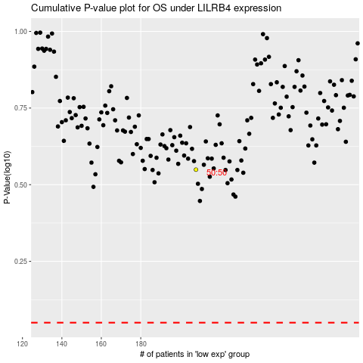

 |  |  |  |  |  | cases_OS | p_OS | rank | exp
 |  |  |  |  |  |  | cases_RFS | p_RFS | rank | exp

