LIMCH1 _multivariate
Reported by Tex Li-Hsing Chi. tex@gate.sinica.edu.tw 2019-08-18

Table 2. The clinicopathological features of HNSCC cohort and LIMCH1 expression. (Chi square test)
Cutoff at -0.249 (50.0%)
 |  | LIMCH1 expression |  | LIMCH1 expression |  | (Optimised)
 | Features | Low | (%) | High | (%) | Case no | P-value | Remark | Matthews
Gender | Female | 157 | 37.8 | 149 | 35.9 | 415 | 0.3881 | 0 | 0
2 | Male | 50 | 12 | 59 | 14.2
Age at diagnosis | <=65y | 133 | 32 | 141 | 34 | 415 | 0.5111 | 0 | 0
4 | >65y | 74 | 17.8 | 67 | 16.1
Clinical T Status | T1+T2 | 66 | 15.9 | 83 | 20 | 415 | 0.1095 | 0 | 0
6 | T3+T4 | 141 | 34 | 125 | 30.1
Clinical N Status | N0 | 102 | 24.6 | 114 | 27.5 | 415 | 0.3031 | 0 | 0
8 | N1-3 | 105 | 25.3 | 94 | 22.7
Clinical M Status | M0 | 204 | 49.2 | 208 | 50.1 | 415 | 0.1232 | 0 | 0
10 | M1 | 3 | 0.7 | 0 | 0
Clinical Stage | Stage I+II | 44 | 10.6 | 58 | 14 | 415 | 0.1459 | 0 | 0
12 | Stage III+IV | 163 | 39.3 | 150 | 36.1
Surgical Margin status | Negative | 154 | 37.1 | 164 | 39.5 | 415 | 0.2984 | 0 | 0
14 | Positive | 53 | 12.8 | 44 | 10.6
Tobacco Exposure | Low | 75 | 18.1 | 86 | 20.7 | 415 | 0.3141 | 0 | 0
16 | High | 132 | 31.8 | 122 | 29.4

Table 3. Univariate/Multivariate Cox's proportional hazards regression analyses on OS time of LIMCH1 gene expression in HNSCC

 |  | Univariate |  |  |  | Multivariate
 | Features | HR | CI95%(L) | CI95%(H) | P-value | HR | CI95%(L) | CI95%(H) | P-value
1 | Female | 1 |  |  |  | 1
Gender | Male | 1.157 | 0.843 | 1.587 | 0.367 | 1.207 | 0.865 | 1.685 | 0.268
11 | <=65y | 1 |  |  |  | 1
Age at diagnosis | >65y | 1.329 | 0.99 | 1.784 | 0.058 | 1.428 | 1.048 | 1.945 | 0.024
12 | T1+T2 | 1 |  |  |  | 1
Clinical T Status | T3+T4 | 1.409 | 1.028 | 1.931 | 0.033 | 2.21 | 1.17 | 4.177 | 0.015
13 | N0 | 1 |  |  |  | 1
Clinical N Status | N1-3 | 1.185 | 0.89 | 1.577 | 0.246 | 1.25 | 0.876 | 1.783 | 0.219
14 | M0 | 1 |  |  |  | 1
Clinical M Status | M1 | 4.097 | 1.009 | 16.644 | 0.049 | 10.549 | 2.282 | 48.779 | 0.003
15 | Stage I+II | 1 |  |  |  | 1
Clinical Stage | Stage III+IV | 1.245 | 0.882 | 1.759 | 0.213 | 0.505 | 0.235 | 1.083 | 0.079
16 | Negative | 1 |  |  |  | 1
Surgical Margin status | Positive | 1.591 | 1.155 | 2.191 | 0.004 | 1.7 | 1.23 | 2.351 | 0.001
17 | Low | 1 |  |  |  | 1
Tobacco Exposure | High | 1.364 | 1.008 | 1.844 | 0.044 | 1.471 | 1.068 | 2.026 | 0.018
18 | Low | 1 |  |  |  | 1
RNAseq(z-score) | High | 1.1 | 0.826 | 1.465 | 0.514 | 1.233 | 0.921 | 1.651 | 0.16

Table 4. Univariate/Multivariate Cox's proportional hazards regression analyses on RFS time of LIMCH1 gene expression in HNSCC

 |  | Univariate |  |  |  | Multivariate
 | Features | HR | CI95%(L) | CI95%(H) | P-value | HR | CI95%(L) | CI95%(H) | P-value
1 | Female | 1 |  |  |  | 1
Gender | Male | 1.157 | 0.843 | 1.587 | 0.367 | 1.207 | 0.865 | 1.685 | 0.268
11 | <=65y | 1 |  |  |  | 1
Age at diagnosis | >65y | 1.329 | 0.99 | 1.784 | 0.058 | 1.428 | 1.048 | 1.945 | 0.024
12 | T1+T2 | 1 |  |  |  | 1
Clinical T Status | T3+T4 | 1.409 | 1.028 | 1.931 | 0.033 | 2.21 | 1.17 | 4.177 | 0.015
13 | N0 | 1 |  |  |  | 1
Clinical N Status | N1-3 | 1.185 | 0.89 | 1.577 | 0.246 | 1.25 | 0.876 | 1.783 | 0.219
14 | M0 | 1 |  |  |  | 1
Clinical M Status | M1 | 4.097 | 1.009 | 16.644 | 0.049 | 10.549 | 2.282 | 48.779 | 0.003
15 | Stage I+II | 1 |  |  |  | 1
Clinical Stage | Stage III+IV | 1.245 | 0.882 | 1.759 | 0.213 | 0.505 | 0.235 | 1.083 | 0.079
16 | Negative | 1 |  |  |  | 1
Surgical Margin status | Positive | 1.591 | 1.155 | 2.191 | 0.004 | 1.7 | 1.23 | 2.351 | 0.001
17 | Low | 1 |  |  |  | 1
Tobacco Exposure | High | 1.364 | 1.008 | 1.844 | 0.044 | 1.471 | 1.068 | 2.026 | 0.018
18 | Low | 1 |  |  |  | 1
RNAseq(z-score) | High | 1.1 | 0.826 | 1.465 | 0.514 | 1.233 | 0.921 | 1.651 | 0.16

Kaplan-Meier survival estimate: Cutoff at -0.249 (50.0%)



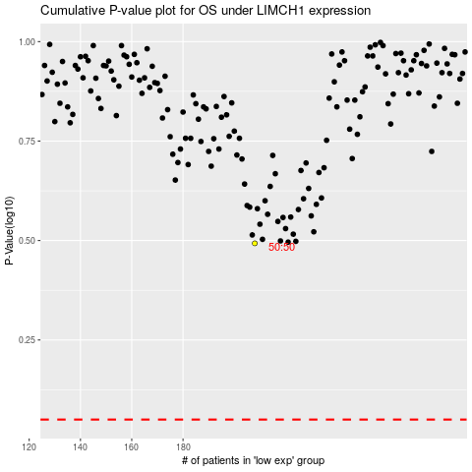

 |  |  |  |  |  | cases_OS | p_OS | rank | exp
 |  |  |  |  |  |  | cases_RFS | p_RFS | rank | exp

