LIMD1 _multivariate
Reported by Tex Li-Hsing Chi. tex@gate.sinica.edu.tw 2019-08-18

Table 2. The clinicopathological features of HNSCC cohort and LIMD1 expression. (Chi square test)
Cutoff at -0.251 (48.6%)
 |  | LIMD1 expression |  | LIMD1 expression |  | (Optimised)
 | Features | Low | (%) | High | (%) | Case no | P-value | Remark | Matthews
Gender | Female | 149 | 35.9 | 157 | 37.8 | 415 | 1 | 0 | 0
2 | Male | 53 | 12.8 | 56 | 13.5
Age at diagnosis | <=65y | 133 | 32 | 141 | 34 | 415 | 1 | 0 | 0
4 | >65y | 69 | 16.6 | 72 | 17.3
Clinical T Status | T1+T2 | 70 | 16.9 | 79 | 19 | 415 | 0.6784 | 0 | 0
6 | T3+T4 | 132 | 31.8 | 134 | 32.3
Clinical N Status | N0 | 102 | 24.6 | 114 | 27.5 | 415 | 0.6041 | 0 | 0
8 | N1-3 | 100 | 24.1 | 99 | 23.9
Clinical M Status | M0 | 200 | 48.2 | 212 | 51.1 | 415 | 0.6144 | 0 | 0
10 | M1 | 2 | 0.5 | 1 | 0.2
Clinical Stage | Stage I+II | 48 | 11.6 | 54 | 13 | 415 | 0.7934 | 0 | 0
12 | Stage III+IV | 154 | 37.1 | 159 | 38.3
Surgical Margin status | Negative | 160 | 38.6 | 158 | 38.1 | 415 | 0.2469 | 0 | 0
14 | Positive | 42 | 10.1 | 55 | 13.3
Tobacco Exposure | Low | 78 | 18.8 | 83 | 20 | 415 | 1 | 0 | 0
16 | High | 124 | 29.9 | 130 | 31.3

Table 3. Univariate/Multivariate Cox's proportional hazards regression analyses on OS time of LIMD1 gene expression in HNSCC

 |  | Univariate |  |  |  | Multivariate
 | Features | HR | CI95%(L) | CI95%(H) | P-value | HR | CI95%(L) | CI95%(H) | P-value
1 | Female | 1 |  |  |  | 1
Gender | Male | 1.157 | 0.843 | 1.587 | 0.367 | 1.188 | 0.85 | 1.662 | 0.313
11 | <=65y | 1 |  |  |  | 1
Age at diagnosis | >65y | 1.329 | 0.99 | 1.784 | 0.058 | 1.395 | 1.026 | 1.896 | 0.034
12 | T1+T2 | 1 |  |  |  | 1
Clinical T Status | T3+T4 | 1.409 | 1.028 | 1.931 | 0.033 | 2.186 | 1.156 | 4.131 | 0.016
13 | N0 | 1 |  |  |  | 1
Clinical N Status | N1-3 | 1.185 | 0.89 | 1.577 | 0.246 | 1.228 | 0.861 | 1.752 | 0.257
14 | M0 | 1 |  |  |  | 1
Clinical M Status | M1 | 4.097 | 1.009 | 16.644 | 0.049 | 9.038 | 1.971 | 41.452 | 0.005
15 | Stage I+II | 1 |  |  |  | 1
Clinical Stage | Stage III+IV | 1.245 | 0.882 | 1.759 | 0.213 | 0.494 | 0.23 | 1.059 | 0.07
16 | Negative | 1 |  |  |  | 1
Surgical Margin status | Positive | 1.591 | 1.155 | 2.191 | 0.004 | 1.701 | 1.23 | 2.352 | 0.001
17 | Low | 1 |  |  |  | 1
Tobacco Exposure | High | 1.364 | 1.008 | 1.844 | 0.044 | 1.475 | 1.069 | 2.037 | 0.018
18 | Low | 1 |  |  |  | 1
RNAseq(z-score) | High | 0.728 | 0.545 | 0.971 | 0.03 | 0.722 | 0.541 | 0.966 | 0.028

Table 4. Univariate/Multivariate Cox's proportional hazards regression analyses on RFS time of LIMD1 gene expression in HNSCC

 |  | Univariate |  |  |  | Multivariate
 | Features | HR | CI95%(L) | CI95%(H) | P-value | HR | CI95%(L) | CI95%(H) | P-value
1 | Female | 1 |  |  |  | 1
Gender | Male | 1.157 | 0.843 | 1.587 | 0.367 | 1.188 | 0.85 | 1.662 | 0.313
11 | <=65y | 1 |  |  |  | 1
Age at diagnosis | >65y | 1.329 | 0.99 | 1.784 | 0.058 | 1.395 | 1.026 | 1.896 | 0.034
12 | T1+T2 | 1 |  |  |  | 1
Clinical T Status | T3+T4 | 1.409 | 1.028 | 1.931 | 0.033 | 2.186 | 1.156 | 4.131 | 0.016
13 | N0 | 1 |  |  |  | 1
Clinical N Status | N1-3 | 1.185 | 0.89 | 1.577 | 0.246 | 1.228 | 0.861 | 1.752 | 0.257
14 | M0 | 1 |  |  |  | 1
Clinical M Status | M1 | 4.097 | 1.009 | 16.644 | 0.049 | 9.038 | 1.971 | 41.452 | 0.005
15 | Stage I+II | 1 |  |  |  | 1
Clinical Stage | Stage III+IV | 1.245 | 0.882 | 1.759 | 0.213 | 0.494 | 0.23 | 1.059 | 0.07
16 | Negative | 1 |  |  |  | 1
Surgical Margin status | Positive | 1.591 | 1.155 | 2.191 | 0.004 | 1.701 | 1.23 | 2.352 | 0.001
17 | Low | 1 |  |  |  | 1
Tobacco Exposure | High | 1.364 | 1.008 | 1.844 | 0.044 | 1.475 | 1.069 | 2.037 | 0.018
18 | Low | 1 |  |  |  | 1
RNAseq(z-score) | High | 0.728 | 0.545 | 0.971 | 0.03 | 0.722 | 0.541 | 0.966 | 0.028

Kaplan-Meier survival estimate: Cutoff at -0.251 (48.6%)



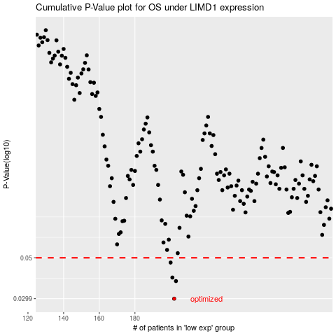

 |  |  |  |  |  | cases_OS | p_OS | rank | exp
 |  |  |  |  |  | 202 | 0.0299 | 262 | -0.2510541321
 |  |  |  |  |  | 203 | 0.0373 | 131 | -0.24909799672
 |  |  |  |  |  | 201 | 0.039 | 125 | -0.26002783491
 |  |  |  |  |  | 200 | 0.0471 | 56 | -0.26327840372
 |  |  |  |  |  |  | cases_RFS | p_RFS | rank | exp
 |  |  |  |  |  |  | 201 | 0.0299 | 125 | -0.26002783491
 |  |  |  |  |  |  | 202 | 0.0373 | 262 | -0.2510541321
 |  |  |  |  |  |  | 200 | 0.039 | 56 | -0.26327840372
 |  |  |  |  |  |  | 199 | 0.0471 | 38 | -0.26875381935

