LIMK1 _multivariate
Reported by Tex Li-Hsing Chi. tex@gate.sinica.edu.tw 2019-08-18

Table 2. The clinicopathological features of HNSCC cohort and LIMK1 expression. (Chi square test)
Cutoff at 0 (50.0%)
 |  | LIMK1 expression |  | LIMK1 expression |  | (Optimised)
 | Features | Low | (%) | High | (%) | Case no | P-value | Remark | Matthews
Gender | Female | 158 | 38.1 | 148 | 35.7 | 415 | 0.2774 | 0 | 0
2 | Male | 49 | 11.8 | 60 | 14.5
Age at diagnosis | <=65y | 144 | 34.7 | 130 | 31.3 | 415 | 0.1568 | 0 | 0
4 | >65y | 63 | 15.2 | 78 | 18.8
Clinical T Status | T1+T2 | 80 | 19.3 | 69 | 16.6 | 415 | 0.2891 | 0 | 0
6 | T3+T4 | 127 | 30.6 | 139 | 33.5
Clinical N Status | N0 | 104 | 25.1 | 112 | 27 | 415 | 0.5243 | 0 | 0
8 | N1-3 | 103 | 24.8 | 96 | 23.1
Clinical M Status | M0 | 207 | 49.9 | 205 | 49.4 | 415 | 0.2482 | 0 | 0
10 | M1 | 0 | 0 | 3 | 0.7
Clinical Stage | Stage I+II | 48 | 11.6 | 54 | 13 | 415 | 0.5878 | 0 | 0
12 | Stage III+IV | 159 | 38.3 | 154 | 37.1
Surgical Margin status | Negative | 149 | 35.9 | 169 | 40.7 | 415 | 0.0278 | 1 | 0
14 | Positive | 58 | 14 | 39 | 9.4
Tobacco Exposure | Low | 89 | 21.4 | 72 | 17.3 | 415 | 0.0872 | 0 | 0
16 | High | 118 | 28.4 | 136 | 32.8

Table 3. Univariate/Multivariate Cox's proportional hazards regression analyses on OS time of LIMK1 gene expression in HNSCC

 |  | Univariate |  |  |  | Multivariate
 | Features | HR | CI95%(L) | CI95%(H) | P-value | HR | CI95%(L) | CI95%(H) | P-value
1 | Female | 1 |  |  |  | 1
Gender | Male | 1.157 | 0.843 | 1.587 | 0.367 | 1.185 | 0.848 | 1.657 | 0.32
11 | <=65y | 1 |  |  |  | 1
Age at diagnosis | >65y | 1.329 | 0.99 | 1.784 | 0.058 | 1.391 | 1.023 | 1.891 | 0.035
12 | T1+T2 | 1 |  |  |  | 1
Clinical T Status | T3+T4 | 1.409 | 1.028 | 1.931 | 0.033 | 2.127 | 1.122 | 4.034 | 0.021
13 | N0 | 1 |  |  |  | 1
Clinical N Status | N1-3 | 1.185 | 0.89 | 1.577 | 0.246 | 1.247 | 0.874 | 1.779 | 0.224
14 | M0 | 1 |  |  |  | 1
Clinical M Status | M1 | 4.097 | 1.009 | 16.644 | 0.049 | 8.35 | 1.798 | 38.79 | 0.007
15 | Stage I+II | 1 |  |  |  | 1
Clinical Stage | Stage III+IV | 1.245 | 0.882 | 1.759 | 0.213 | 0.528 | 0.245 | 1.137 | 0.103
16 | Negative | 1 |  |  |  | 1
Surgical Margin status | Positive | 1.591 | 1.155 | 2.191 | 0.004 | 1.722 | 1.241 | 2.389 | 0.001
17 | Low | 1 |  |  |  | 1
Tobacco Exposure | High | 1.364 | 1.008 | 1.844 | 0.044 | 1.432 | 1.038 | 1.976 | 0.029
18 | Low | 1 |  |  |  | 1
RNAseq(z-score) | High | 1.197 | 0.895 | 1.601 | 0.225 | 1.188 | 0.88 | 1.604 | 0.26

Table 4. Univariate/Multivariate Cox's proportional hazards regression analyses on RFS time of LIMK1 gene expression in HNSCC

 |  | Univariate |  |  |  | Multivariate
 | Features | HR | CI95%(L) | CI95%(H) | P-value | HR | CI95%(L) | CI95%(H) | P-value
1 | Female | 1 |  |  |  | 1
Gender | Male | 1.157 | 0.843 | 1.587 | 0.367 | 1.185 | 0.848 | 1.657 | 0.32
11 | <=65y | 1 |  |  |  | 1
Age at diagnosis | >65y | 1.329 | 0.99 | 1.784 | 0.058 | 1.391 | 1.023 | 1.891 | 0.035
12 | T1+T2 | 1 |  |  |  | 1
Clinical T Status | T3+T4 | 1.409 | 1.028 | 1.931 | 0.033 | 2.127 | 1.122 | 4.034 | 0.021
13 | N0 | 1 |  |  |  | 1
Clinical N Status | N1-3 | 1.185 | 0.89 | 1.577 | 0.246 | 1.247 | 0.874 | 1.779 | 0.224
14 | M0 | 1 |  |  |  | 1
Clinical M Status | M1 | 4.097 | 1.009 | 16.644 | 0.049 | 8.35 | 1.798 | 38.79 | 0.007
15 | Stage I+II | 1 |  |  |  | 1
Clinical Stage | Stage III+IV | 1.245 | 0.882 | 1.759 | 0.213 | 0.528 | 0.245 | 1.137 | 0.103
16 | Negative | 1 |  |  |  | 1
Surgical Margin status | Positive | 1.591 | 1.155 | 2.191 | 0.004 | 1.722 | 1.241 | 2.389 | 0.001
17 | Low | 1 |  |  |  | 1
Tobacco Exposure | High | 1.364 | 1.008 | 1.844 | 0.044 | 1.432 | 1.038 | 1.976 | 0.029
18 | Low | 1 |  |  |  | 1
RNAseq(z-score) | High | 1.197 | 0.895 | 1.601 | 0.225 | 1.188 | 0.88 | 1.604 | 0.26

Kaplan-Meier survival estimate: Cutoff at 0 (50.0%)



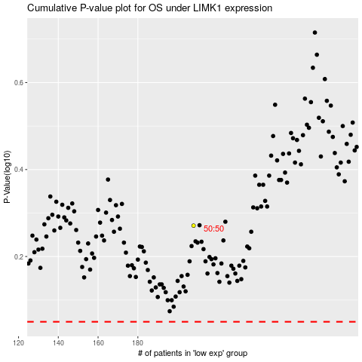

 |  |  |  |  |  | cases_OS | p_OS | rank | exp
 |  |  |  |  |  |  | cases_RFS | p_RFS | rank | exp

