LIMK2 _multivariate
Reported by Tex Li-Hsing Chi. tex@gate.sinica.edu.tw 2019-08-18

Table 2. The clinicopathological features of HNSCC cohort and LIMK2 expression. (Chi square test)
Cutoff at -0.325 (38.2%)
 |  | LIMK2 expression |  | LIMK2 expression |  | (Optimised)
 | Features | Low | (%) | High | (%) | Case no | P-value | Remark | Matthews
Gender | Female | 128 | 30.8 | 178 | 42.9 | 415 | 0.0115 | 1 | 0
2 | Male | 30 | 7.2 | 79 | 19
Age at diagnosis | <=65y | 112 | 27 | 162 | 39 | 415 | 0.1253 | 0 | 0
4 | >65y | 46 | 11.1 | 95 | 22.9
Clinical T Status | T1+T2 | 60 | 14.5 | 89 | 21.4 | 415 | 0.5591 | 0 | 0
6 | T3+T4 | 98 | 23.6 | 168 | 40.5
Clinical N Status | N0 | 71 | 17.1 | 145 | 34.9 | 415 | 0.0298 | 1 | 0
8 | N1-3 | 87 | 21 | 112 | 27
Clinical M Status | M0 | 157 | 37.8 | 255 | 61.4 | 415 | 1 | 0 | 0
10 | M1 | 1 | 0.2 | 2 | 0.5
Clinical Stage | Stage I+II | 36 | 8.7 | 66 | 15.9 | 415 | 0.5837 | 0 | 0
12 | Stage III+IV | 122 | 29.4 | 191 | 46
Surgical Margin status | Negative | 118 | 28.4 | 200 | 48.2 | 415 | 0.4755 | 0 | 0
14 | Positive | 40 | 9.6 | 57 | 13.7
Tobacco Exposure | Low | 58 | 14 | 103 | 24.8 | 415 | 0.5342 | 0 | 0
16 | High | 100 | 24.1 | 154 | 37.1

Table 3. Univariate/Multivariate Cox's proportional hazards regression analyses on OS time of LIMK2 gene expression in HNSCC

 |  | Univariate |  |  |  | Multivariate
 | Features | HR | CI95%(L) | CI95%(H) | P-value | HR | CI95%(L) | CI95%(H) | P-value
1 | Female | 1 |  |  |  | 1
Gender | Male | 1.157 | 0.843 | 1.587 | 0.367 | 1.172 | 0.838 | 1.638 | 0.355
11 | <=65y | 1 |  |  |  | 1
Age at diagnosis | >65y | 1.329 | 0.99 | 1.784 | 0.058 | 1.373 | 1.009 | 1.867 | 0.044
12 | T1+T2 | 1 |  |  |  | 1
Clinical T Status | T3+T4 | 1.409 | 1.028 | 1.931 | 0.033 | 2.189 | 1.158 | 4.137 | 0.016
13 | N0 | 1 |  |  |  | 1
Clinical N Status | N1-3 | 1.185 | 0.89 | 1.577 | 0.246 | 1.293 | 0.904 | 1.849 | 0.159
14 | M0 | 1 |  |  |  | 1
Clinical M Status | M1 | 4.097 | 1.009 | 16.644 | 0.049 | 8.67 | 1.886 | 39.857 | 0.006
15 | Stage I+II | 1 |  |  |  | 1
Clinical Stage | Stage III+IV | 1.245 | 0.882 | 1.759 | 0.213 | 0.494 | 0.23 | 1.06 | 0.07
16 | Negative | 1 |  |  |  | 1
Surgical Margin status | Positive | 1.591 | 1.155 | 2.191 | 0.004 | 1.701 | 1.23 | 2.352 | 0.001
17 | Low | 1 |  |  |  | 1
Tobacco Exposure | High | 1.364 | 1.008 | 1.844 | 0.044 | 1.448 | 1.05 | 1.995 | 0.024
18 | Low | 1 |  |  |  | 1
RNAseq(z-score) | High | 1.382 | 1.018 | 1.877 | 0.038 | 1.361 | 0.998 | 1.857 | 0.051

Table 4. Univariate/Multivariate Cox's proportional hazards regression analyses on RFS time of LIMK2 gene expression in HNSCC

 |  | Univariate |  |  |  | Multivariate
 | Features | HR | CI95%(L) | CI95%(H) | P-value | HR | CI95%(L) | CI95%(H) | P-value
1 | Female | 1 |  |  |  | 1
Gender | Male | 1.157 | 0.843 | 1.587 | 0.367 | 1.172 | 0.838 | 1.638 | 0.355
11 | <=65y | 1 |  |  |  | 1
Age at diagnosis | >65y | 1.329 | 0.99 | 1.784 | 0.058 | 1.373 | 1.009 | 1.867 | 0.044
12 | T1+T2 | 1 |  |  |  | 1
Clinical T Status | T3+T4 | 1.409 | 1.028 | 1.931 | 0.033 | 2.189 | 1.158 | 4.137 | 0.016
13 | N0 | 1 |  |  |  | 1
Clinical N Status | N1-3 | 1.185 | 0.89 | 1.577 | 0.246 | 1.293 | 0.904 | 1.849 | 0.159
14 | M0 | 1 |  |  |  | 1
Clinical M Status | M1 | 4.097 | 1.009 | 16.644 | 0.049 | 8.67 | 1.886 | 39.857 | 0.006
15 | Stage I+II | 1 |  |  |  | 1
Clinical Stage | Stage III+IV | 1.245 | 0.882 | 1.759 | 0.213 | 0.494 | 0.23 | 1.06 | 0.07
16 | Negative | 1 |  |  |  | 1
Surgical Margin status | Positive | 1.591 | 1.155 | 2.191 | 0.004 | 1.701 | 1.23 | 2.352 | 0.001
17 | Low | 1 |  |  |  | 1
Tobacco Exposure | High | 1.364 | 1.008 | 1.844 | 0.044 | 1.448 | 1.05 | 1.995 | 0.024
18 | Low | 1 |  |  |  | 1
RNAseq(z-score) | High | 1.382 | 1.018 | 1.877 | 0.038 | 1.361 | 0.998 | 1.857 | 0.051

Kaplan-Meier survival estimate: Cutoff at -0.325 (38.2%)



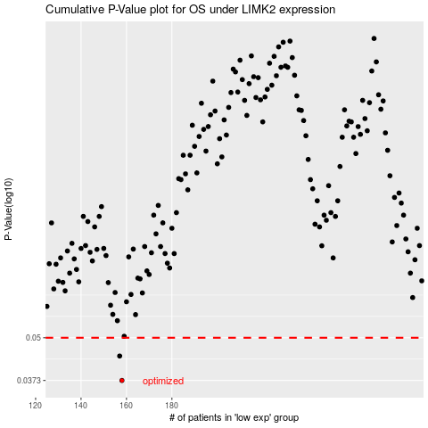

 |  |  |  |  |  | cases_OS | p_OS | rank | exp
 |  |  |  |  |  | 158 | 0.0373 | 229 | -0.32501426053
 |  |  |  |  |  | 157 | 0.0441 | 134 | -0.32816752146
 |  |  |  |  |  |  | cases_RFS | p_RFS | rank | exp
 |  |  |  |  |  |  | 157 | 0.0373 | 134 | -0.32816752146
 |  |  |  |  |  |  | 156 | 0.0441 | 41 | -0.33398998464

