LIN52 _multivariate
Reported by Tex Li-Hsing Chi. tex@gate.sinica.edu.tw 2019-08-18

Table 2. The clinicopathological features of HNSCC cohort and LIN52 expression. (Chi square test)
Cutoff at -0.129 (49.8%)
 |  | LIN52 expression |  | LIN52 expression |  | (Optimised)
 | Features | Low | (%) | High | (%) | Case no | P-value | Remark | Matthews
Gender | Female | 133 | 32 | 173 | 41.7 | 415 | 0 | 1 | 0
2 | Male | 74 | 17.8 | 35 | 8.4
Age at diagnosis | <=65y | 127 | 30.6 | 147 | 35.4 | 415 | 0.0573 | 0 | 0
4 | >65y | 80 | 19.3 | 61 | 14.7
Clinical T Status | T1+T2 | 80 | 19.3 | 69 | 16.6 | 415 | 0.2891 | 0 | 0
6 | T3+T4 | 127 | 30.6 | 139 | 33.5
Clinical N Status | N0 | 122 | 29.4 | 94 | 22.7 | 415 | 0.0068 | 1 | 0
8 | N1-3 | 85 | 20.5 | 114 | 27.5
Clinical M Status | M0 | 204 | 49.2 | 208 | 50.1 | 415 | 0.1232 | 0 | 0
10 | M1 | 3 | 0.7 | 0 | 0
Clinical Stage | Stage I+II | 64 | 15.4 | 38 | 9.2 | 415 | 0.004 | 1 | 0
12 | Stage III+IV | 143 | 34.5 | 170 | 41
Surgical Margin status | Negative | 161 | 38.8 | 157 | 37.8 | 415 | 0.6429 | 0 | 0
14 | Positive | 46 | 11.1 | 51 | 12.3
Tobacco Exposure | Low | 97 | 23.4 | 64 | 15.4 | 415 | 9e-04 | 1 | 0
16 | High | 110 | 26.5 | 144 | 34.7

Table 3. Univariate/Multivariate Cox's proportional hazards regression analyses on OS time of LIN52 gene expression in HNSCC

 |  | Univariate |  |  |  | Multivariate
 | Features | HR | CI95%(L) | CI95%(H) | P-value | HR | CI95%(L) | CI95%(H) | P-value
1 | Female | 1 |  |  |  | 1
Gender | Male | 1.157 | 0.843 | 1.587 | 0.367 | 1.206 | 0.856 | 1.698 | 0.284
11 | <=65y | 1 |  |  |  | 1
Age at diagnosis | >65y | 1.329 | 0.99 | 1.784 | 0.058 | 1.392 | 1.024 | 1.892 | 0.035
12 | T1+T2 | 1 |  |  |  | 1
Clinical T Status | T3+T4 | 1.409 | 1.028 | 1.931 | 0.033 | 2.209 | 1.164 | 4.192 | 0.015
13 | N0 | 1 |  |  |  | 1
Clinical N Status | N1-3 | 1.185 | 0.89 | 1.577 | 0.246 | 1.241 | 0.87 | 1.772 | 0.233
14 | M0 | 1 |  |  |  | 1
Clinical M Status | M1 | 4.097 | 1.009 | 16.644 | 0.049 | 9.511 | 2.035 | 44.457 | 0.004
15 | Stage I+II | 1 |  |  |  | 1
Clinical Stage | Stage III+IV | 1.245 | 0.882 | 1.759 | 0.213 | 0.502 | 0.232 | 1.087 | 0.08
16 | Negative | 1 |  |  |  | 1
Surgical Margin status | Positive | 1.591 | 1.155 | 2.191 | 0.004 | 1.672 | 1.21 | 2.311 | 0.002
17 | Low | 1 |  |  |  | 1
Tobacco Exposure | High | 1.364 | 1.008 | 1.844 | 0.044 | 1.451 | 1.051 | 2.002 | 0.024
18 | Low | 1 |  |  |  | 1
RNAseq(z-score) | High | 0.976 | 0.731 | 1.304 | 0.871 | 1.014 | 0.745 | 1.381 | 0.929

Table 4. Univariate/Multivariate Cox's proportional hazards regression analyses on RFS time of LIN52 gene expression in HNSCC

 |  | Univariate |  |  |  | Multivariate
 | Features | HR | CI95%(L) | CI95%(H) | P-value | HR | CI95%(L) | CI95%(H) | P-value
1 | Female | 1 |  |  |  | 1
Gender | Male | 1.157 | 0.843 | 1.587 | 0.367 | 1.206 | 0.856 | 1.698 | 0.284
11 | <=65y | 1 |  |  |  | 1
Age at diagnosis | >65y | 1.329 | 0.99 | 1.784 | 0.058 | 1.392 | 1.024 | 1.892 | 0.035
12 | T1+T2 | 1 |  |  |  | 1
Clinical T Status | T3+T4 | 1.409 | 1.028 | 1.931 | 0.033 | 2.209 | 1.164 | 4.192 | 0.015
13 | N0 | 1 |  |  |  | 1
Clinical N Status | N1-3 | 1.185 | 0.89 | 1.577 | 0.246 | 1.241 | 0.87 | 1.772 | 0.233
14 | M0 | 1 |  |  |  | 1
Clinical M Status | M1 | 4.097 | 1.009 | 16.644 | 0.049 | 9.511 | 2.035 | 44.457 | 0.004
15 | Stage I+II | 1 |  |  |  | 1
Clinical Stage | Stage III+IV | 1.245 | 0.882 | 1.759 | 0.213 | 0.502 | 0.232 | 1.087 | 0.08
16 | Negative | 1 |  |  |  | 1
Surgical Margin status | Positive | 1.591 | 1.155 | 2.191 | 0.004 | 1.672 | 1.21 | 2.311 | 0.002
17 | Low | 1 |  |  |  | 1
Tobacco Exposure | High | 1.364 | 1.008 | 1.844 | 0.044 | 1.451 | 1.051 | 2.002 | 0.024
18 | Low | 1 |  |  |  | 1
RNAseq(z-score) | High | 0.976 | 0.731 | 1.304 | 0.871 | 1.014 | 0.745 | 1.381 | 0.929

Kaplan-Meier survival estimate: Cutoff at -0.129 (49.8%)



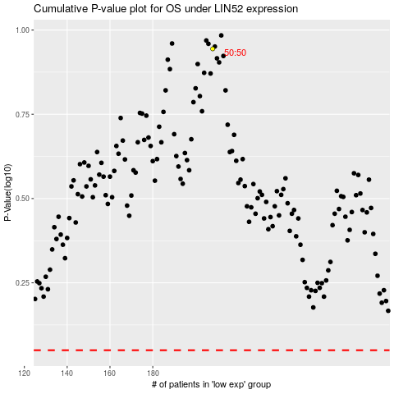

 |  |  |  |  |  | cases_OS | p_OS | rank | exp
 |  |  |  |  |  |  | cases_RFS | p_RFS | rank | exp

