LIN9 _multivariate
Reported by Tex Li-Hsing Chi. tex@gate.sinica.edu.tw 2019-08-18

Table 2. The clinicopathological features of HNSCC cohort and LIN9 expression. (Chi square test)
Cutoff at -0.554 (30.0%)
 |  | LIN9 expression |  | LIN9 expression |  | (Optimised)
 | Features | Low | (%) | High | (%) | Case no | P-value | Remark | Matthews
Gender | Female | 90 | 21.7 | 216 | 52 | 415 | 0.685 | 0 | 0
2 | Male | 35 | 8.4 | 74 | 17.8
Age at diagnosis | <=65y | 88 | 21.2 | 186 | 44.8 | 415 | 0.2615 | 0 | 0
4 | >65y | 37 | 8.9 | 104 | 25.1
Clinical T Status | T1+T2 | 44 | 10.6 | 105 | 25.3 | 415 | 0.9325 | 0 | 0
6 | T3+T4 | 81 | 19.5 | 185 | 44.6
Clinical N Status | N0 | 70 | 16.9 | 146 | 35.2 | 415 | 0.3417 | 0 | 0
8 | N1-3 | 55 | 13.3 | 144 | 34.7
Clinical M Status | M0 | 125 | 30.1 | 287 | 69.2 | 415 | 0.5571 | 0 | 0
10 | M1 | 0 | 0 | 3 | 0.7
Clinical Stage | Stage I+II | 34 | 8.2 | 68 | 16.4 | 415 | 0.4901 | 0 | 0
12 | Stage III+IV | 91 | 21.9 | 222 | 53.5
Surgical Margin status | Negative | 103 | 24.8 | 215 | 51.8 | 415 | 0.077 | 0 | 0
14 | Positive | 22 | 5.3 | 75 | 18.1
Tobacco Exposure | Low | 58 | 14 | 103 | 24.8 | 415 | 0.0479 | 1 | 0
16 | High | 67 | 16.1 | 187 | 45.1

Table 3. Univariate/Multivariate Cox's proportional hazards regression analyses on OS time of LIN9 gene expression in HNSCC

 |  | Univariate |  |  |  | Multivariate
 | Features | HR | CI95%(L) | CI95%(H) | P-value | HR | CI95%(L) | CI95%(H) | P-value
1 | Female | 1 |  |  |  | 1
Gender | Male | 1.157 | 0.843 | 1.587 | 0.367 | 1.194 | 0.855 | 1.668 | 0.298
11 | <=65y | 1 |  |  |  | 1
Age at diagnosis | >65y | 1.329 | 0.99 | 1.784 | 0.058 | 1.359 | 0.999 | 1.85 | 0.051
12 | T1+T2 | 1 |  |  |  | 1
Clinical T Status | T3+T4 | 1.409 | 1.028 | 1.931 | 0.033 | 2.32 | 1.225 | 4.393 | 0.01
13 | N0 | 1 |  |  |  | 1
Clinical N Status | N1-3 | 1.185 | 0.89 | 1.577 | 0.246 | 1.277 | 0.894 | 1.824 | 0.18
14 | M0 | 1 |  |  |  | 1
Clinical M Status | M1 | 4.097 | 1.009 | 16.644 | 0.049 | 8.708 | 1.897 | 39.968 | 0.005
15 | Stage I+II | 1 |  |  |  | 1
Clinical Stage | Stage III+IV | 1.245 | 0.882 | 1.759 | 0.213 | 0.479 | 0.223 | 1.031 | 0.06
16 | Negative | 1 |  |  |  | 1
Surgical Margin status | Positive | 1.591 | 1.155 | 2.191 | 0.004 | 1.611 | 1.165 | 2.23 | 0.004
17 | Low | 1 |  |  |  | 1
Tobacco Exposure | High | 1.364 | 1.008 | 1.844 | 0.044 | 1.409 | 1.023 | 1.939 | 0.036
18 | Low | 1 |  |  |  | 1
RNAseq(z-score) | High | 1.558 | 1.104 | 2.198 | 0.012 | 1.473 | 1.038 | 2.092 | 0.03

Table 4. Univariate/Multivariate Cox's proportional hazards regression analyses on RFS time of LIN9 gene expression in HNSCC

 |  | Univariate |  |  |  | Multivariate
 | Features | HR | CI95%(L) | CI95%(H) | P-value | HR | CI95%(L) | CI95%(H) | P-value
1 | Female | 1 |  |  |  | 1
Gender | Male | 1.157 | 0.843 | 1.587 | 0.367 | 1.194 | 0.855 | 1.668 | 0.298
11 | <=65y | 1 |  |  |  | 1
Age at diagnosis | >65y | 1.329 | 0.99 | 1.784 | 0.058 | 1.359 | 0.999 | 1.85 | 0.051
12 | T1+T2 | 1 |  |  |  | 1
Clinical T Status | T3+T4 | 1.409 | 1.028 | 1.931 | 0.033 | 2.32 | 1.225 | 4.393 | 0.01
13 | N0 | 1 |  |  |  | 1
Clinical N Status | N1-3 | 1.185 | 0.89 | 1.577 | 0.246 | 1.277 | 0.894 | 1.824 | 0.18
14 | M0 | 1 |  |  |  | 1
Clinical M Status | M1 | 4.097 | 1.009 | 16.644 | 0.049 | 8.708 | 1.897 | 39.968 | 0.005
15 | Stage I+II | 1 |  |  |  | 1
Clinical Stage | Stage III+IV | 1.245 | 0.882 | 1.759 | 0.213 | 0.479 | 0.223 | 1.031 | 0.06
16 | Negative | 1 |  |  |  | 1
Surgical Margin status | Positive | 1.591 | 1.155 | 2.191 | 0.004 | 1.611 | 1.165 | 2.23 | 0.004
17 | Low | 1 |  |  |  | 1
Tobacco Exposure | High | 1.364 | 1.008 | 1.844 | 0.044 | 1.409 | 1.023 | 1.939 | 0.036
18 | Low | 1 |  |  |  | 1
RNAseq(z-score) | High | 1.558 | 1.104 | 2.198 | 0.012 | 1.473 | 1.038 | 2.092 | 0.03

Kaplan-Meier survival estimate: Cutoff at -0.554 (30.0%)

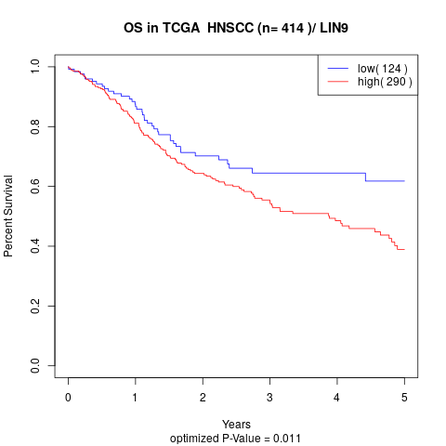

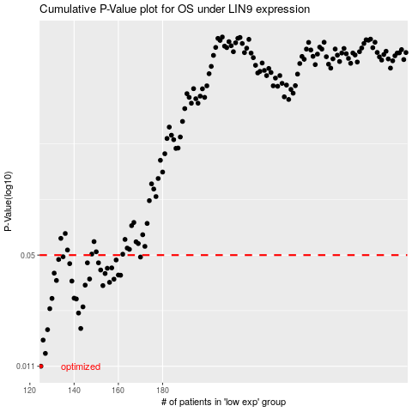

 |  |  |  |  |  | cases_OS | p_OS | rank | exp
 |  |  |  |  |  | 125 | 0.011 | 69 | -0.55449474544
 |  |  |  |  |  | 127 | 0.0131 | 284 | -0.55186375234
 |  |  |  |  |  | 126 | 0.0157 | 235 | -0.55222962033
 |  |  |  |  |  | 128 | 0.0181 | 325 | -0.54162040643
 |  |  |  |  |  | 143 | 0.0184 | 373 | -0.49982142538
 |  |  |  |  |  | 142 | 0.0227 | 174 | -0.50502881872
 |  |  |  |  |  | 129 | 0.0241 | 211 | -0.53553090729
 |  |  |  |  |  | 144 | 0.0247 | 326 | -0.49793557703
 |  |  |  |  |  | 141 | 0.0275 | 392 | -0.50658519432
 |  |  |  |  |  | 130 | 0.0277 | 79 | -0.53237984529
 |  |  |  |  |  | 140 | 0.0278 | 306 | -0.51294191118
 |  |  |  |  |  | 153 | 0.033 | 322 | -0.47068703181
 |  |  |  |  |  | 145 | 0.0332 | 62 | -0.49516762288
 |  |  |  |  |  | 156 | 0.0345 | 209 | -0.46375565319
 |  |  |  |  |  | 139 | 0.0351 | 151 | -0.51444848277
 |  |  |  |  |  | 132 | 0.0354 | 54 | -0.52883035114
 |  |  |  |  |  | 158 | 0.036 | 361 | -0.45975313401
 |  |  |  |  |  | 147 | 0.0361 | 210 | -0.48883389249
 |  |  |  |  |  | 161 | 0.038 | 12 | -0.45058249006
 |  |  |  |  |  | 160 | 0.0381 | 342 | -0.45549872143
 |  |  |  |  |  | 154 | 0.0389 | 218 | -0.46723810347
 |  |  |  |  |  | 131 | 0.0391 | 352 | -0.5289606078
 |  |  |  |  |  | 152 | 0.0408 | 84 | -0.47947361015
 |  |  |  |  |  | 155 | 0.0418 | 350 | -0.46399126451
 |  |  |  |  |  | 157 | 0.042 | 37 | -0.46295974665
 |  |  |  |  |  | 138 | 0.0445 | 301 | -0.51803245663
 |  |  |  |  |  | 146 | 0.045 | 60 | -0.49226845429
 |  |  |  |  |  | 151 | 0.045 | 147 | -0.4813374298
 |  |  |  |  |  | 159 | 0.0468 | 126 | -0.45807799498
 |  |  |  |  |  | 133 | 0.0471 | 387 | -0.52698760242
 |  |  |  |  |  | 170 | 0.0487 | 214 | -0.42992435748
 |  |  |  |  |  | 135 | 0.0489 | 61 | -0.52437959579
 |  |  |  |  |  |  | cases_RFS | p_RFS | rank | exp
 |  |  |  |  |  |  |  | 0.011 | 376 | -0.55894933186
 |  |  |  |  |  |  | 126 | 0.0131 | 235 | -0.55222962033
 |  |  |  |  |  |  | 125 | 0.0157 | 69 | -0.55449474544
 |  |  |  |  |  |  | 127 | 0.0181 | 284 | -0.55186375234
 |  |  |  |  |  |  | 142 | 0.0184 | 174 | -0.50502881872
 |  |  |  |  |  |  | 141 | 0.0227 | 392 | -0.50658519432
 |  |  |  |  |  |  | 128 | 0.0241 | 325 | -0.54162040643
 |  |  |  |  |  |  | 143 | 0.0247 | 373 | -0.49982142538
 |  |  |  |  |  |  | 140 | 0.0275 | 306 | -0.51294191118
 |  |  |  |  |  |  | 129 | 0.0277 | 211 | -0.53553090729
 |  |  |  |  |  |  | 139 | 0.0278 | 151 | -0.51444848277
 |  |  |  |  |  |  | 152 | 0.033 | 84 | -0.47947361015
 |  |  |  |  |  |  | 144 | 0.0332 | 326 | -0.49793557703
 |  |  |  |  |  |  | 155 | 0.0345 | 350 | -0.46399126451
 |  |  |  |  |  |  | 138 | 0.0351 | 301 | -0.51803245663
 |  |  |  |  |  |  | 131 | 0.0354 | 352 | -0.5289606078
 |  |  |  |  |  |  | 157 | 0.036 | 37 | -0.46295974665
 |  |  |  |  |  |  | 146 | 0.0361 | 60 | -0.49226845429
 |  |  |  |  |  |  | 160 | 0.038 | 342 | -0.45549872143
 |  |  |  |  |  |  | 159 | 0.0381 | 126 | -0.45807799498
 |  |  |  |  |  |  | 153 | 0.0389 | 322 | -0.47068703181
 |  |  |  |  |  |  | 130 | 0.0391 | 79 | -0.53237984529
 |  |  |  |  |  |  | 151 | 0.0408 | 147 | -0.4813374298
 |  |  |  |  |  |  | 154 | 0.0418 | 218 | -0.46723810347
 |  |  |  |  |  |  | 156 | 0.042 | 209 | -0.46375565319
 |  |  |  |  |  |  | 137 | 0.0445 | 324 | -0.52048243127
 |  |  |  |  |  |  | 145 | 0.045 | 62 | -0.49516762288
 |  |  |  |  |  |  | 150 | 0.045 | 162 | -0.48202031953
 |  |  |  |  |  |  | 158 | 0.0468 | 361 | -0.45975313401
 |  |  |  |  |  |  | 132 | 0.0471 | 54 | -0.52883035114
 |  |  |  |  |  |  | 169 | 0.0487 | 300 | -0.43268369171
 |  |  |  |  |  |  | 134 | 0.0489 | 122 | -0.52448303491

