LINGO1 _multivariate
Reported by Tex Li-Hsing Chi. tex@gate.sinica.edu.tw 2019-08-18

Table 2. The clinicopathological features of HNSCC cohort and LINGO1 expression. (Chi square test)
Cutoff at -0.207 (49.8%)
 |  | LINGO1 expression |  | LINGO1 expression |  | (Optimised)
 | Features | Low | (%) | High | (%) | Case no | P-value | Remark | Matthews
Gender | Female | 151 | 36.4 | 155 | 37.3 | 415 | 0.8007 | 0 | 0
2 | Male | 56 | 13.5 | 53 | 12.8
Age at diagnosis | <=65y | 140 | 33.7 | 134 | 32.3 | 415 | 0.5574 | 0 | 0
4 | >65y | 67 | 16.1 | 74 | 17.8
Clinical T Status | T1+T2 | 76 | 18.3 | 73 | 17.6 | 415 | 0.8092 | 0 | 0
6 | T3+T4 | 131 | 31.6 | 135 | 32.5
Clinical N Status | N0 | 96 | 23.1 | 120 | 28.9 | 415 | 0.0272 | 1 | 0
8 | N1-3 | 111 | 26.7 | 88 | 21.2
Clinical M Status | M0 | 204 | 49.2 | 208 | 50.1 | 415 | 0.1232 | 0 | 0
10 | M1 | 3 | 0.7 | 0 | 0
Clinical Stage | Stage I+II | 47 | 11.3 | 55 | 13.3 | 415 | 0.4413 | 0 | 0
12 | Stage III+IV | 160 | 38.6 | 153 | 36.9
Surgical Margin status | Negative | 164 | 39.5 | 154 | 37.1 | 415 | 0.2462 | 0 | 0
14 | Positive | 43 | 10.4 | 54 | 13
Tobacco Exposure | Low | 76 | 18.3 | 85 | 20.5 | 415 | 0.4207 | 0 | 0
16 | High | 131 | 31.6 | 123 | 29.6

Table 3. Univariate/Multivariate Cox's proportional hazards regression analyses on OS time of LINGO1 gene expression in HNSCC

 |  | Univariate |  |  |  | Multivariate
 | Features | HR | CI95%(L) | CI95%(H) | P-value | HR | CI95%(L) | CI95%(H) | P-value
1 | Female | 1 |  |  |  | 1
Gender | Male | 1.157 | 0.843 | 1.587 | 0.367 | 1.191 | 0.852 | 1.666 | 0.306
11 | <=65y | 1 |  |  |  | 1
Age at diagnosis | >65y | 1.329 | 0.99 | 1.784 | 0.058 | 1.391 | 1.024 | 1.891 | 0.035
12 | T1+T2 | 1 |  |  |  | 1
Clinical T Status | T3+T4 | 1.409 | 1.028 | 1.931 | 0.033 | 2.211 | 1.169 | 4.182 | 0.015
13 | N0 | 1 |  |  |  | 1
Clinical N Status | N1-3 | 1.185 | 0.89 | 1.577 | 0.246 | 1.23 | 0.861 | 1.757 | 0.255
14 | M0 | 1 |  |  |  | 1
Clinical M Status | M1 | 4.097 | 1.009 | 16.644 | 0.049 | 9.075 | 1.97 | 41.812 | 0.005
15 | Stage I+II | 1 |  |  |  | 1
Clinical Stage | Stage III+IV | 1.245 | 0.882 | 1.759 | 0.213 | 0.503 | 0.235 | 1.08 | 0.078
16 | Negative | 1 |  |  |  | 1
Surgical Margin status | Positive | 1.591 | 1.155 | 2.191 | 0.004 | 1.673 | 1.21 | 2.311 | 0.002
17 | Low | 1 |  |  |  | 1
Tobacco Exposure | High | 1.364 | 1.008 | 1.844 | 0.044 | 1.447 | 1.05 | 1.995 | 0.024
18 | Low | 1 |  |  |  | 1
RNAseq(z-score) | High | 0.886 | 0.665 | 1.18 | 0.407 | 0.921 | 0.688 | 1.233 | 0.581

Table 4. Univariate/Multivariate Cox's proportional hazards regression analyses on RFS time of LINGO1 gene expression in HNSCC

 |  | Univariate |  |  |  | Multivariate
 | Features | HR | CI95%(L) | CI95%(H) | P-value | HR | CI95%(L) | CI95%(H) | P-value
1 | Female | 1 |  |  |  | 1
Gender | Male | 1.157 | 0.843 | 1.587 | 0.367 | 1.191 | 0.852 | 1.666 | 0.306
11 | <=65y | 1 |  |  |  | 1
Age at diagnosis | >65y | 1.329 | 0.99 | 1.784 | 0.058 | 1.391 | 1.024 | 1.891 | 0.035
12 | T1+T2 | 1 |  |  |  | 1
Clinical T Status | T3+T4 | 1.409 | 1.028 | 1.931 | 0.033 | 2.211 | 1.169 | 4.182 | 0.015
13 | N0 | 1 |  |  |  | 1
Clinical N Status | N1-3 | 1.185 | 0.89 | 1.577 | 0.246 | 1.23 | 0.861 | 1.757 | 0.255
14 | M0 | 1 |  |  |  | 1
Clinical M Status | M1 | 4.097 | 1.009 | 16.644 | 0.049 | 9.075 | 1.97 | 41.812 | 0.005
15 | Stage I+II | 1 |  |  |  | 1
Clinical Stage | Stage III+IV | 1.245 | 0.882 | 1.759 | 0.213 | 0.503 | 0.235 | 1.08 | 0.078
16 | Negative | 1 |  |  |  | 1
Surgical Margin status | Positive | 1.591 | 1.155 | 2.191 | 0.004 | 1.673 | 1.21 | 2.311 | 0.002
17 | Low | 1 |  |  |  | 1
Tobacco Exposure | High | 1.364 | 1.008 | 1.844 | 0.044 | 1.447 | 1.05 | 1.995 | 0.024
18 | Low | 1 |  |  |  | 1
RNAseq(z-score) | High | 0.886 | 0.665 | 1.18 | 0.407 | 0.921 | 0.688 | 1.233 | 0.581

Kaplan-Meier survival estimate: Cutoff at -0.207 (49.8%)



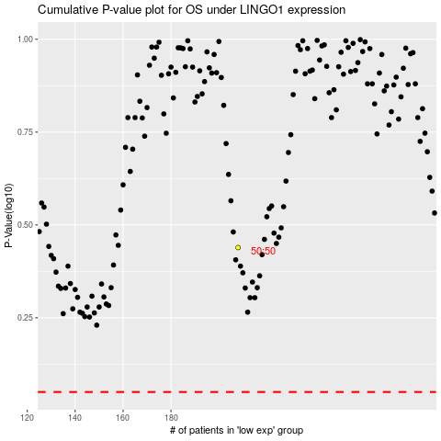

 |  |  |  |  |  | cases_OS | p_OS | rank | exp
 |  |  |  |  |  |  | cases_RFS | p_RFS | rank | exp

