LINGO4 _multivariate
Reported by Tex Li-Hsing Chi. tex@gate.sinica.edu.tw 2019-08-18

Table 2. The clinicopathological features of HNSCC cohort and LINGO4 expression. (Chi square test)
Cutoff at -0.234 (50.0%)
 |  | LINGO4 expression |  | LINGO4 expression |  | (Optimised)
 | Features | Low | (%) | High | (%) | Case no | P-value | Remark | Matthews
Gender | Female | 160 | 38.6 | 146 | 35.2 | 415 | 0.1254 | 0 | 0
2 | Male | 47 | 11.3 | 62 | 14.9
Age at diagnosis | <=65y | 134 | 32.3 | 140 | 33.7 | 415 | 0.6529 | 0 | 0
4 | >65y | 73 | 17.6 | 68 | 16.4
Clinical T Status | T1+T2 | 60 | 14.5 | 89 | 21.4 | 415 | 0.0047 | 1 | 0
6 | T3+T4 | 147 | 35.4 | 119 | 28.7
Clinical N Status | N0 | 110 | 26.5 | 106 | 25.5 | 415 | 0.7294 | 0 | 0
8 | N1-3 | 97 | 23.4 | 102 | 24.6
Clinical M Status | M0 | 204 | 49.2 | 208 | 50.1 | 415 | 0.1232 | 0 | 0
10 | M1 | 3 | 0.7 | 0 | 0
Clinical Stage | Stage I+II | 41 | 9.9 | 61 | 14.7 | 415 | 0.0325 | 1 | 0
12 | Stage III+IV | 166 | 40 | 147 | 35.4
Surgical Margin status | Negative | 160 | 38.6 | 158 | 38.1 | 415 | 0.8167 | 0 | 0
14 | Positive | 47 | 11.3 | 50 | 12
Tobacco Exposure | Low | 76 | 18.3 | 85 | 20.5 | 415 | 0.4207 | 0 | 0
16 | High | 131 | 31.6 | 123 | 29.6

Table 3. Univariate/Multivariate Cox's proportional hazards regression analyses on OS time of LINGO4 gene expression in HNSCC

 |  | Univariate |  |  |  | Multivariate
 | Features | HR | CI95%(L) | CI95%(H) | P-value | HR | CI95%(L) | CI95%(H) | P-value
1 | Female | 1 |  |  |  | 1
Gender | Male | 1.157 | 0.843 | 1.587 | 0.367 | 1.204 | 0.862 | 1.682 | 0.276
11 | <=65y | 1 |  |  |  | 1
Age at diagnosis | >65y | 1.329 | 0.99 | 1.784 | 0.058 | 1.385 | 1.019 | 1.882 | 0.038
12 | T1+T2 | 1 |  |  |  | 1
Clinical T Status | T3+T4 | 1.409 | 1.028 | 1.931 | 0.033 | 2.159 | 1.14 | 4.092 | 0.018
13 | N0 | 1 |  |  |  | 1
Clinical N Status | N1-3 | 1.185 | 0.89 | 1.577 | 0.246 | 1.236 | 0.866 | 1.764 | 0.244
14 | M0 | 1 |  |  |  | 1
Clinical M Status | M1 | 4.097 | 1.009 | 16.644 | 0.049 | 8.811 | 1.904 | 40.769 | 0.005
15 | Stage I+II | 1 |  |  |  | 1
Clinical Stage | Stage III+IV | 1.245 | 0.882 | 1.759 | 0.213 | 0.507 | 0.236 | 1.089 | 0.082
16 | Negative | 1 |  |  |  | 1
Surgical Margin status | Positive | 1.591 | 1.155 | 2.191 | 0.004 | 1.687 | 1.22 | 2.334 | 0.002
17 | Low | 1 |  |  |  | 1
Tobacco Exposure | High | 1.364 | 1.008 | 1.844 | 0.044 | 1.452 | 1.054 | 2.001 | 0.023
18 | Low | 1 |  |  |  | 1
RNAseq(z-score) | High | 0.848 | 0.635 | 1.131 | 0.261 | 0.894 | 0.666 | 1.201 | 0.457

Table 4. Univariate/Multivariate Cox's proportional hazards regression analyses on RFS time of LINGO4 gene expression in HNSCC

 |  | Univariate |  |  |  | Multivariate
 | Features | HR | CI95%(L) | CI95%(H) | P-value | HR | CI95%(L) | CI95%(H) | P-value
1 | Female | 1 |  |  |  | 1
Gender | Male | 1.157 | 0.843 | 1.587 | 0.367 | 1.204 | 0.862 | 1.682 | 0.276
11 | <=65y | 1 |  |  |  | 1
Age at diagnosis | >65y | 1.329 | 0.99 | 1.784 | 0.058 | 1.385 | 1.019 | 1.882 | 0.038
12 | T1+T2 | 1 |  |  |  | 1
Clinical T Status | T3+T4 | 1.409 | 1.028 | 1.931 | 0.033 | 2.159 | 1.14 | 4.092 | 0.018
13 | N0 | 1 |  |  |  | 1
Clinical N Status | N1-3 | 1.185 | 0.89 | 1.577 | 0.246 | 1.236 | 0.866 | 1.764 | 0.244
14 | M0 | 1 |  |  |  | 1
Clinical M Status | M1 | 4.097 | 1.009 | 16.644 | 0.049 | 8.811 | 1.904 | 40.769 | 0.005
15 | Stage I+II | 1 |  |  |  | 1
Clinical Stage | Stage III+IV | 1.245 | 0.882 | 1.759 | 0.213 | 0.507 | 0.236 | 1.089 | 0.082
16 | Negative | 1 |  |  |  | 1
Surgical Margin status | Positive | 1.591 | 1.155 | 2.191 | 0.004 | 1.687 | 1.22 | 2.334 | 0.002
17 | Low | 1 |  |  |  | 1
Tobacco Exposure | High | 1.364 | 1.008 | 1.844 | 0.044 | 1.452 | 1.054 | 2.001 | 0.023
18 | Low | 1 |  |  |  | 1
RNAseq(z-score) | High | 0.848 | 0.635 | 1.131 | 0.261 | 0.894 | 0.666 | 1.201 | 0.457

Kaplan-Meier survival estimate: Cutoff at -0.234 (50.0%)



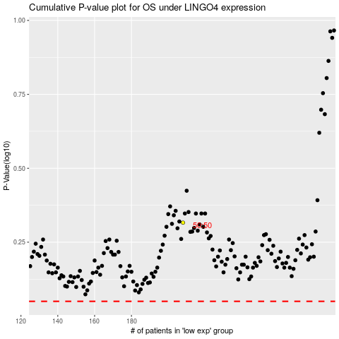

 |  |  |  |  |  | cases_OS | p_OS | rank | exp
 |  |  |  |  |  |  | cases_RFS | p_RFS | rank | exp

