LINS1 _multivariate
Reported by Tex Li-Hsing Chi. tex@gate.sinica.edu.tw 2019-08-18

Table 2. The clinicopathological features of HNSCC cohort and LINS1 expression. (Chi square test)
Cutoff at -0.384 (39.6%)
 |  | LINS1 expression |  | LINS1 expression |  | (Optimised)
 | Features | Low | (%) | High | (%) | Case no | P-value | Remark | Matthews
Gender | Female | 117 | 28.2 | 189 | 45.5 | 415 | 0.4345 | 0 | 0
2 | Male | 47 | 11.3 | 62 | 14.9
Age at diagnosis | <=65y | 115 | 27.7 | 159 | 38.3 | 415 | 0.1873 | 0 | 0
4 | >65y | 49 | 11.8 | 92 | 22.2
Clinical T Status | T1+T2 | 57 | 13.7 | 92 | 22.2 | 415 | 0.7724 | 0 | 0
6 | T3+T4 | 107 | 25.8 | 159 | 38.3
Clinical N Status | N0 | 80 | 19.3 | 136 | 32.8 | 415 | 0.3288 | 0 | 0
8 | N1-3 | 84 | 20.2 | 115 | 27.7
Clinical M Status | M0 | 163 | 39.3 | 249 | 60 | 415 | 1 | 0 | 0
10 | M1 | 1 | 0.2 | 2 | 0.5
Clinical Stage | Stage I+II | 40 | 9.6 | 62 | 14.9 | 415 | 1 | 0 | 0
12 | Stage III+IV | 124 | 29.9 | 189 | 45.5
Surgical Margin status | Negative | 132 | 31.8 | 186 | 44.8 | 415 | 0.1547 | 0 | 0
14 | Positive | 32 | 7.7 | 65 | 15.7
Tobacco Exposure | Low | 63 | 15.2 | 98 | 23.6 | 415 | 0.9182 | 0 | 0
16 | High | 101 | 24.3 | 153 | 36.9

Table 3. Univariate/Multivariate Cox's proportional hazards regression analyses on OS time of LINS1 gene expression in HNSCC

 |  | Univariate |  |  |  | Multivariate
 | Features | HR | CI95%(L) | CI95%(H) | P-value | HR | CI95%(L) | CI95%(H) | P-value
1 | Female | 1 |  |  |  | 1
Gender | Male | 1.157 | 0.843 | 1.587 | 0.367 | 1.223 | 0.877 | 1.707 | 0.235
11 | <=65y | 1 |  |  |  | 1
Age at diagnosis | >65y | 1.329 | 0.99 | 1.784 | 0.058 | 1.445 | 1.062 | 1.966 | 0.019
12 | T1+T2 | 1 |  |  |  | 1
Clinical T Status | T3+T4 | 1.409 | 1.028 | 1.931 | 0.033 | 2.19 | 1.159 | 4.138 | 0.016
13 | N0 | 1 |  |  |  | 1
Clinical N Status | N1-3 | 1.185 | 0.89 | 1.577 | 0.246 | 1.198 | 0.839 | 1.71 | 0.321
14 | M0 | 1 |  |  |  | 1
Clinical M Status | M1 | 4.097 | 1.009 | 16.644 | 0.049 | 10.357 | 2.254 | 47.586 | 0.003
15 | Stage I+II | 1 |  |  |  | 1
Clinical Stage | Stage III+IV | 1.245 | 0.882 | 1.759 | 0.213 | 0.508 | 0.237 | 1.09 | 0.082
16 | Negative | 1 |  |  |  | 1
Surgical Margin status | Positive | 1.591 | 1.155 | 2.191 | 0.004 | 1.725 | 1.247 | 2.388 | 0.001
17 | Low | 1 |  |  |  | 1
Tobacco Exposure | High | 1.364 | 1.008 | 1.844 | 0.044 | 1.462 | 1.063 | 2.012 | 0.02
18 | Low | 1 |  |  |  | 1
RNAseq(z-score) | High | 0.738 | 0.554 | 0.985 | 0.039 | 0.683 | 0.51 | 0.915 | 0.011

Table 4. Univariate/Multivariate Cox's proportional hazards regression analyses on RFS time of LINS1 gene expression in HNSCC

 |  | Univariate |  |  |  | Multivariate
 | Features | HR | CI95%(L) | CI95%(H) | P-value | HR | CI95%(L) | CI95%(H) | P-value
1 | Female | 1 |  |  |  | 1
Gender | Male | 1.157 | 0.843 | 1.587 | 0.367 | 1.223 | 0.877 | 1.707 | 0.235
11 | <=65y | 1 |  |  |  | 1
Age at diagnosis | >65y | 1.329 | 0.99 | 1.784 | 0.058 | 1.445 | 1.062 | 1.966 | 0.019
12 | T1+T2 | 1 |  |  |  | 1
Clinical T Status | T3+T4 | 1.409 | 1.028 | 1.931 | 0.033 | 2.19 | 1.159 | 4.138 | 0.016
13 | N0 | 1 |  |  |  | 1
Clinical N Status | N1-3 | 1.185 | 0.89 | 1.577 | 0.246 | 1.198 | 0.839 | 1.71 | 0.321
14 | M0 | 1 |  |  |  | 1
Clinical M Status | M1 | 4.097 | 1.009 | 16.644 | 0.049 | 10.357 | 2.254 | 47.586 | 0.003
15 | Stage I+II | 1 |  |  |  | 1
Clinical Stage | Stage III+IV | 1.245 | 0.882 | 1.759 | 0.213 | 0.508 | 0.237 | 1.09 | 0.082
16 | Negative | 1 |  |  |  | 1
Surgical Margin status | Positive | 1.591 | 1.155 | 2.191 | 0.004 | 1.725 | 1.247 | 2.388 | 0.001
17 | Low | 1 |  |  |  | 1
Tobacco Exposure | High | 1.364 | 1.008 | 1.844 | 0.044 | 1.462 | 1.063 | 2.012 | 0.02
18 | Low | 1 |  |  |  | 1
RNAseq(z-score) | High | 0.738 | 0.554 | 0.985 | 0.039 | 0.683 | 0.51 | 0.915 | 0.011

Kaplan-Meier survival estimate: Cutoff at -0.384 (39.6%)



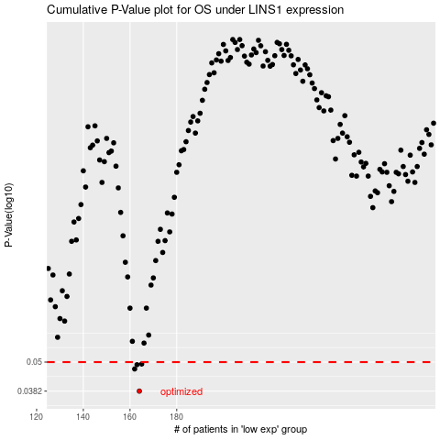

 |  |  |  |  |  | cases_OS | p_OS | rank | exp
 |  |  |  |  |  | 164 | 0.0382 | 166 | -0.38353674221
 |  |  |  |  |  | 162 | 0.0469 | 145 | -0.38381480534
 |  |  |  |  |  | 163 | 0.0488 | 163 | -0.38370879377
 |  |  |  |  |  | 165 | 0.0491 | 89 | -0.38230805075
 |  |  |  |  |  |  | cases_RFS | p_RFS | rank | exp
 |  |  |  |  |  |  | 163 | 0.0382 | 163 | -0.38370879377
 |  |  |  |  |  |  | 161 | 0.0469 | 339 | -0.3839555748
 |  |  |  |  |  |  | 162 | 0.0488 | 145 | -0.38381480534
 |  |  |  |  |  |  | 164 | 0.0491 | 166 | -0.38353674221

