LIPC _multivariate
Reported by Tex Li-Hsing Chi. tex@gate.sinica.edu.tw 2019-08-18

Table 2. The clinicopathological features of HNSCC cohort and LIPC expression. (Chi square test)
Cutoff at -0.219 (58.5%)
 |  | LIPC expression |  | LIPC expression |  | (Optimised)
 | Features | Low | (%) | High | (%) | Case no | P-value | Remark | Matthews
Gender | Female | 176 | 42.4 | 130 | 31.3 | 415 | 0.5446 | 0 | 0
2 | Male | 67 | 16.1 | 42 | 10.1
Age at diagnosis | <=65y | 162 | 39 | 112 | 27 | 415 | 0.8233 | 0 | 0
4 | >65y | 81 | 19.5 | 60 | 14.5
Clinical T Status | T1+T2 | 77 | 18.6 | 72 | 17.3 | 415 | 0.0429 | 1 | 0
6 | T3+T4 | 166 | 40 | 100 | 24.1
Clinical N Status | N0 | 128 | 30.8 | 88 | 21.2 | 415 | 0.8383 | 0 | 0
8 | N1-3 | 115 | 27.7 | 84 | 20.2
Clinical M Status | M0 | 241 | 58.1 | 171 | 41.2 | 415 | 1 | 0 | 0
10 | M1 | 2 | 0.5 | 1 | 0.2
Clinical Stage | Stage I+II | 51 | 12.3 | 51 | 12.3 | 415 | 0.057 | 0 | 0
12 | Stage III+IV | 192 | 46.3 | 121 | 29.2
Surgical Margin status | Negative | 184 | 44.3 | 134 | 32.3 | 415 | 0.6389 | 0 | 0
14 | Positive | 59 | 14.2 | 38 | 9.2
Tobacco Exposure | Low | 84 | 20.2 | 77 | 18.6 | 415 | 0.0409 | 1 | 0
16 | High | 159 | 38.3 | 95 | 22.9

Table 3. Univariate/Multivariate Cox's proportional hazards regression analyses on OS time of LIPC gene expression in HNSCC

 |  | Univariate |  |  |  | Multivariate
 | Features | HR | CI95%(L) | CI95%(H) | P-value | HR | CI95%(L) | CI95%(H) | P-value
1 | Female | 1 |  |  |  | 1
Gender | Male | 1.157 | 0.843 | 1.587 | 0.367 | 1.176 | 0.841 | 1.645 | 0.343
11 | <=65y | 1 |  |  |  | 1
Age at diagnosis | >65y | 1.329 | 0.99 | 1.784 | 0.058 | 1.385 | 1.019 | 1.882 | 0.038
12 | T1+T2 | 1 |  |  |  | 1
Clinical T Status | T3+T4 | 1.409 | 1.028 | 1.931 | 0.033 | 2.216 | 1.172 | 4.187 | 0.014
13 | N0 | 1 |  |  |  | 1
Clinical N Status | N1-3 | 1.185 | 0.89 | 1.577 | 0.246 | 1.278 | 0.894 | 1.827 | 0.178
14 | M0 | 1 |  |  |  | 1
Clinical M Status | M1 | 4.097 | 1.009 | 16.644 | 0.049 | 9.376 | 2.045 | 42.986 | 0.004
15 | Stage I+II | 1 |  |  |  | 1
Clinical Stage | Stage III+IV | 1.245 | 0.882 | 1.759 | 0.213 | 0.472 | 0.219 | 1.014 | 0.054
16 | Negative | 1 |  |  |  | 1
Surgical Margin status | Positive | 1.591 | 1.155 | 2.191 | 0.004 | 1.664 | 1.204 | 2.301 | 0.002
17 | Low | 1 |  |  |  | 1
Tobacco Exposure | High | 1.364 | 1.008 | 1.844 | 0.044 | 1.399 | 1.012 | 1.933 | 0.042
18 | Low | 1 |  |  |  | 1
RNAseq(z-score) | High | 0.714 | 0.53 | 0.962 | 0.027 | 0.752 | 0.555 | 1.019 | 0.066

Table 4. Univariate/Multivariate Cox's proportional hazards regression analyses on RFS time of LIPC gene expression in HNSCC

 |  | Univariate |  |  |  | Multivariate
 | Features | HR | CI95%(L) | CI95%(H) | P-value | HR | CI95%(L) | CI95%(H) | P-value
1 | Female | 1 |  |  |  | 1
Gender | Male | 1.157 | 0.843 | 1.587 | 0.367 | 1.176 | 0.841 | 1.645 | 0.343
11 | <=65y | 1 |  |  |  | 1
Age at diagnosis | >65y | 1.329 | 0.99 | 1.784 | 0.058 | 1.385 | 1.019 | 1.882 | 0.038
12 | T1+T2 | 1 |  |  |  | 1
Clinical T Status | T3+T4 | 1.409 | 1.028 | 1.931 | 0.033 | 2.216 | 1.172 | 4.187 | 0.014
13 | N0 | 1 |  |  |  | 1
Clinical N Status | N1-3 | 1.185 | 0.89 | 1.577 | 0.246 | 1.278 | 0.894 | 1.827 | 0.178
14 | M0 | 1 |  |  |  | 1
Clinical M Status | M1 | 4.097 | 1.009 | 16.644 | 0.049 | 9.376 | 2.045 | 42.986 | 0.004
15 | Stage I+II | 1 |  |  |  | 1
Clinical Stage | Stage III+IV | 1.245 | 0.882 | 1.759 | 0.213 | 0.472 | 0.219 | 1.014 | 0.054
16 | Negative | 1 |  |  |  | 1
Surgical Margin status | Positive | 1.591 | 1.155 | 2.191 | 0.004 | 1.664 | 1.204 | 2.301 | 0.002
17 | Low | 1 |  |  |  | 1
Tobacco Exposure | High | 1.364 | 1.008 | 1.844 | 0.044 | 1.399 | 1.012 | 1.933 | 0.042
18 | Low | 1 |  |  |  | 1
RNAseq(z-score) | High | 0.714 | 0.53 | 0.962 | 0.027 | 0.752 | 0.555 | 1.019 | 0.066

Kaplan-Meier survival estimate: Cutoff at -0.219 (58.5%)

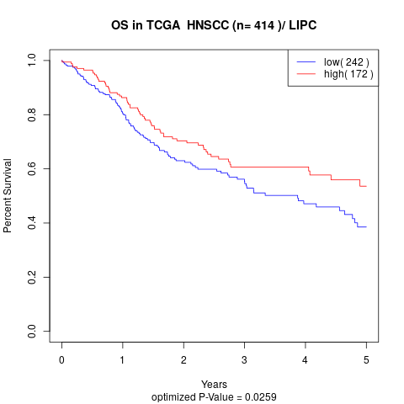

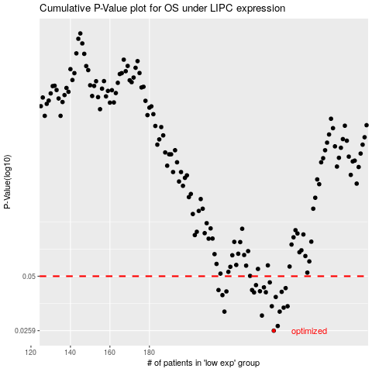

 |  |  |  |  |  | cases_OS | p_OS | rank | exp
 |  |  |  |  |  | 243 | 0.0259 | 232 | -0.21872988788
 |  |  |  |  |  | 245 | 0.0274 | 314 | -0.21713393964
 |  |  |  |  |  | 237 | 0.0311 | 63 | -0.22633462484
 |  |  |  |  |  | 246 | 0.0326 | 49 | -0.21689498345
 |  |  |  |  |  | 218 | 0.0326 | 141 | -0.24300225475
 |  |  |  |  |  | 248 | 0.0342 | 242 | -0.21617288228
 |  |  |  |  |  | 242 | 0.0348 | 69 | -0.22202992511
 |  |  |  |  |  | 250 | 0.0348 | 175 | -0.21460135292
 |  |  |  |  |  | 244 | 0.0389 | 124 | -0.21808104335
 |  |  |  |  |  | 217 | 0.0398 | 203 | -0.24396680051
 |  |  |  |  |  | 233 | 0.0411 | 348 | -0.2314713107
 |  |  |  |  |  | 239 | 0.0412 | 368 | -0.22596136481
 |  |  |  |  |  | 247 | 0.0414 | 371 | -0.21672928391
 |  |  |  |  |  | 219 | 0.0416 | 106 | -0.24158072708
 |  |  |  |  |  | 236 | 0.0417 | 67 | -0.22853581246
 |  |  |  |  |  | 232 | 0.0423 | 10 | -0.23267481265
 |  |  |  |  |  | 215 | 0.0423 | 262 | -0.24604589374
 |  |  |  |  |  | 249 | 0.0433 | 107 | -0.21542287382
 |  |  |  |  |  | 238 | 0.0437 | 218 | -0.22629101969
 |  |  |  |  |  | 234 | 0.0449 | 328 | -0.22958756852
 |  |  |  |  |  | 241 | 0.0464 | 62 | -0.22235260317
 |  |  |  |  |  |  | cases_RFS | p_RFS | rank | exp
 |  |  |  |  |  |  | 242 | 0.0259 | 69 | -0.22202992511
 |  |  |  |  |  |  | 244 | 0.0274 | 124 | -0.21808104335
 |  |  |  |  |  |  | 236 | 0.0311 | 67 | -0.22853581246
 |  |  |  |  |  |  | 217 | 0.0326 | 203 | -0.24396680051
 |  |  |  |  |  |  | 245 | 0.0326 | 314 | -0.21713393964
 |  |  |  |  |  |  | 247 | 0.0342 | 371 | -0.21672928391
 |  |  |  |  |  |  | 241 | 0.0348 | 62 | -0.22235260317
 |  |  |  |  |  |  | 249 | 0.0348 | 107 | -0.21542287382
 |  |  |  |  |  |  | 243 | 0.0389 | 232 | -0.21872988788
 |  |  |  |  |  |  | 216 | 0.0398 | 54 | -0.24425459446
 |  |  |  |  |  |  | 232 | 0.0411 | 10 | -0.23267481265
 |  |  |  |  |  |  | 238 | 0.0412 | 218 | -0.22629101969
 |  |  |  |  |  |  | 246 | 0.0414 | 49 | -0.21689498345
 |  |  |  |  |  |  | 218 | 0.0416 | 141 | -0.24300225475
 |  |  |  |  |  |  | 235 | 0.0417 | 58 | -0.22861953434
 |  |  |  |  |  |  | 231 | 0.0423 | 82 | -0.23378238329
 |  |  |  |  |  |  | 214 | 0.0423 | 264 | -0.24629531516
 |  |  |  |  |  |  | 248 | 0.0433 | 242 | -0.21617288228
 |  |  |  |  |  |  | 237 | 0.0437 | 63 | -0.22633462484
 |  |  |  |  |  |  | 233 | 0.0449 | 348 | -0.2314713107
 |  |  |  |  |  |  | 240 | 0.0464 | 202 | -0.22528984561

