LIPH _multivariate
Reported by Tex Li-Hsing Chi. tex@gate.sinica.edu.tw 2019-08-18

Table 2. The clinicopathological features of HNSCC cohort and LIPH expression. (Chi square test)
Cutoff at -0.365 (50.0%)
 |  | LIPH expression |  | LIPH expression |  | (Optimised)
 | Features | Low | (%) | High | (%) | Case no | P-value | Remark | Matthews
Gender | Female | 154 | 37.1 | 152 | 36.6 | 415 | 0.8463 | 0 | 0
2 | Male | 53 | 12.8 | 56 | 13.5
Age at diagnosis | <=65y | 146 | 35.2 | 128 | 30.8 | 415 | 0.0672 | 0 | 0
4 | >65y | 61 | 14.7 | 80 | 19.3
Clinical T Status | T1+T2 | 77 | 18.6 | 72 | 17.3 | 415 | 0.6556 | 0 | 0
6 | T3+T4 | 130 | 31.3 | 136 | 32.8
Clinical N Status | N0 | 106 | 25.5 | 110 | 26.5 | 415 | 0.8075 | 0 | 0
8 | N1-3 | 101 | 24.3 | 98 | 23.6
Clinical M Status | M0 | 206 | 49.6 | 206 | 49.6 | 415 | 1 | 0 | 0
10 | M1 | 1 | 0.2 | 2 | 0.5
Clinical Stage | Stage I+II | 57 | 13.7 | 45 | 10.8 | 415 | 0.1998 | 0 | 0
12 | Stage III+IV | 150 | 36.1 | 163 | 39.3
Surgical Margin status | Negative | 157 | 37.8 | 161 | 38.8 | 415 | 0.729 | 0 | 0
14 | Positive | 50 | 12 | 47 | 11.3
Tobacco Exposure | Low | 85 | 20.5 | 76 | 18.3 | 415 | 0.3655 | 0 | 0
16 | High | 122 | 29.4 | 132 | 31.8

Table 3. Univariate/Multivariate Cox's proportional hazards regression analyses on OS time of LIPH gene expression in HNSCC

 |  | Univariate |  |  |  | Multivariate
 | Features | HR | CI95%(L) | CI95%(H) | P-value | HR | CI95%(L) | CI95%(H) | P-value
1 | Female | 1 |  |  |  | 1
Gender | Male | 1.157 | 0.843 | 1.587 | 0.367 | 1.204 | 0.861 | 1.682 | 0.278
11 | <=65y | 1 |  |  |  | 1
Age at diagnosis | >65y | 1.329 | 0.99 | 1.784 | 0.058 | 1.401 | 1.026 | 1.912 | 0.034
12 | T1+T2 | 1 |  |  |  | 1
Clinical T Status | T3+T4 | 1.409 | 1.028 | 1.931 | 0.033 | 2.193 | 1.159 | 4.149 | 0.016
13 | N0 | 1 |  |  |  | 1
Clinical N Status | N1-3 | 1.185 | 0.89 | 1.577 | 0.246 | 1.236 | 0.865 | 1.766 | 0.245
14 | M0 | 1 |  |  |  | 1
Clinical M Status | M1 | 4.097 | 1.009 | 16.644 | 0.049 | 9.431 | 2.057 | 43.234 | 0.004
15 | Stage I+II | 1 |  |  |  | 1
Clinical Stage | Stage III+IV | 1.245 | 0.882 | 1.759 | 0.213 | 0.51 | 0.237 | 1.101 | 0.087
16 | Negative | 1 |  |  |  | 1
Surgical Margin status | Positive | 1.591 | 1.155 | 2.191 | 0.004 | 1.668 | 1.206 | 2.305 | 0.002
17 | Low | 1 |  |  |  | 1
Tobacco Exposure | High | 1.364 | 1.008 | 1.844 | 0.044 | 1.458 | 1.057 | 2.012 | 0.022
18 | Low | 1 |  |  |  | 1
RNAseq(z-score) | High | 1.01 | 0.756 | 1.349 | 0.948 | 0.962 | 0.714 | 1.297 | 0.801

Table 4. Univariate/Multivariate Cox's proportional hazards regression analyses on RFS time of LIPH gene expression in HNSCC

 |  | Univariate |  |  |  | Multivariate
 | Features | HR | CI95%(L) | CI95%(H) | P-value | HR | CI95%(L) | CI95%(H) | P-value
1 | Female | 1 |  |  |  | 1
Gender | Male | 1.157 | 0.843 | 1.587 | 0.367 | 1.204 | 0.861 | 1.682 | 0.278
11 | <=65y | 1 |  |  |  | 1
Age at diagnosis | >65y | 1.329 | 0.99 | 1.784 | 0.058 | 1.401 | 1.026 | 1.912 | 0.034
12 | T1+T2 | 1 |  |  |  | 1
Clinical T Status | T3+T4 | 1.409 | 1.028 | 1.931 | 0.033 | 2.193 | 1.159 | 4.149 | 0.016
13 | N0 | 1 |  |  |  | 1
Clinical N Status | N1-3 | 1.185 | 0.89 | 1.577 | 0.246 | 1.236 | 0.865 | 1.766 | 0.245
14 | M0 | 1 |  |  |  | 1
Clinical M Status | M1 | 4.097 | 1.009 | 16.644 | 0.049 | 9.431 | 2.057 | 43.234 | 0.004
15 | Stage I+II | 1 |  |  |  | 1
Clinical Stage | Stage III+IV | 1.245 | 0.882 | 1.759 | 0.213 | 0.51 | 0.237 | 1.101 | 0.087
16 | Negative | 1 |  |  |  | 1
Surgical Margin status | Positive | 1.591 | 1.155 | 2.191 | 0.004 | 1.668 | 1.206 | 2.305 | 0.002
17 | Low | 1 |  |  |  | 1
Tobacco Exposure | High | 1.364 | 1.008 | 1.844 | 0.044 | 1.458 | 1.057 | 2.012 | 0.022
18 | Low | 1 |  |  |  | 1
RNAseq(z-score) | High | 1.01 | 0.756 | 1.349 | 0.948 | 0.962 | 0.714 | 1.297 | 0.801

Kaplan-Meier survival estimate: Cutoff at -0.365 (50.0%)



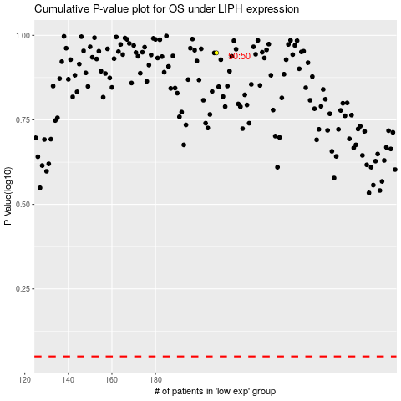

 |  |  |  |  |  | cases_OS | p_OS | rank | exp
 |  |  |  |  |  |  | cases_RFS | p_RFS | rank | exp

