LIPN _multivariate
Reported by Tex Li-Hsing Chi. tex@gate.sinica.edu.tw 2019-08-18

Table 2. The clinicopathological features of HNSCC cohort and LIPN expression. (Chi square test)
Cutoff at -0.352 (50.0%)
 |  | LIPN expression |  | LIPN expression |  | (Optimised)
 | Features | Low | (%) | High | (%) | Case no | P-value | Remark | Matthews
Gender | Female | 155 | 37.3 | 151 | 36.4 | 415 | 0.6768 | 0 | 0
2 | Male | 52 | 12.5 | 57 | 13.7
Age at diagnosis | <=65y | 136 | 32.8 | 138 | 33.3 | 415 | 0.9719 | 0 | 0
4 | >65y | 71 | 17.1 | 70 | 16.9
Clinical T Status | T1+T2 | 90 | 21.7 | 59 | 14.2 | 415 | 0.0019 | 1 | 0
6 | T3+T4 | 117 | 28.2 | 149 | 35.9
Clinical N Status | N0 | 100 | 24.1 | 116 | 28 | 415 | 0.1548 | 0 | 0
8 | N1-3 | 107 | 25.8 | 92 | 22.2
Clinical M Status | M0 | 206 | 49.6 | 206 | 49.6 | 415 | 1 | 0 | 0
10 | M1 | 1 | 0.2 | 2 | 0.5
Clinical Stage | Stage I+II | 58 | 14 | 44 | 10.6 | 415 | 0.131 | 0 | 0
12 | Stage III+IV | 149 | 35.9 | 164 | 39.5
Surgical Margin status | Negative | 153 | 36.9 | 165 | 39.8 | 415 | 0.2036 | 0 | 0
14 | Positive | 54 | 13 | 43 | 10.4
Tobacco Exposure | Low | 79 | 19 | 82 | 19.8 | 415 | 0.8405 | 0 | 0
16 | High | 128 | 30.8 | 126 | 30.4

Table 3. Univariate/Multivariate Cox's proportional hazards regression analyses on OS time of LIPN gene expression in HNSCC

 |  | Univariate |  |  |  | Multivariate
 | Features | HR | CI95%(L) | CI95%(H) | P-value | HR | CI95%(L) | CI95%(H) | P-value
1 | Female | 1 |  |  |  | 1
Gender | Male | 1.157 | 0.843 | 1.587 | 0.367 | 1.217 | 0.87 | 1.701 | 0.251
11 | <=65y | 1 |  |  |  | 1
Age at diagnosis | >65y | 1.329 | 0.99 | 1.784 | 0.058 | 1.396 | 1.027 | 1.898 | 0.033
12 | T1+T2 | 1 |  |  |  | 1
Clinical T Status | T3+T4 | 1.409 | 1.028 | 1.931 | 0.033 | 2.263 | 1.193 | 4.292 | 0.012
13 | N0 | 1 |  |  |  | 1
Clinical N Status | N1-3 | 1.185 | 0.89 | 1.577 | 0.246 | 1.215 | 0.848 | 1.739 | 0.288
14 | M0 | 1 |  |  |  | 1
Clinical M Status | M1 | 4.097 | 1.009 | 16.644 | 0.049 | 10.123 | 2.188 | 46.834 | 0.003
15 | Stage I+II | 1 |  |  |  | 1
Clinical Stage | Stage III+IV | 1.245 | 0.882 | 1.759 | 0.213 | 0.504 | 0.235 | 1.081 | 0.078
16 | Negative | 1 |  |  |  | 1
Surgical Margin status | Positive | 1.591 | 1.155 | 2.191 | 0.004 | 1.669 | 1.207 | 2.306 | 0.002
17 | Low | 1 |  |  |  | 1
Tobacco Exposure | High | 1.364 | 1.008 | 1.844 | 0.044 | 1.453 | 1.055 | 2.001 | 0.022
18 | Low | 1 |  |  |  | 1
RNAseq(z-score) | High | 0.928 | 0.695 | 1.24 | 0.615 | 0.877 | 0.652 | 1.18 | 0.386

Table 4. Univariate/Multivariate Cox's proportional hazards regression analyses on RFS time of LIPN gene expression in HNSCC

 |  | Univariate |  |  |  | Multivariate
 | Features | HR | CI95%(L) | CI95%(H) | P-value | HR | CI95%(L) | CI95%(H) | P-value
1 | Female | 1 |  |  |  | 1
Gender | Male | 1.157 | 0.843 | 1.587 | 0.367 | 1.217 | 0.87 | 1.701 | 0.251
11 | <=65y | 1 |  |  |  | 1
Age at diagnosis | >65y | 1.329 | 0.99 | 1.784 | 0.058 | 1.396 | 1.027 | 1.898 | 0.033
12 | T1+T2 | 1 |  |  |  | 1
Clinical T Status | T3+T4 | 1.409 | 1.028 | 1.931 | 0.033 | 2.263 | 1.193 | 4.292 | 0.012
13 | N0 | 1 |  |  |  | 1
Clinical N Status | N1-3 | 1.185 | 0.89 | 1.577 | 0.246 | 1.215 | 0.848 | 1.739 | 0.288
14 | M0 | 1 |  |  |  | 1
Clinical M Status | M1 | 4.097 | 1.009 | 16.644 | 0.049 | 10.123 | 2.188 | 46.834 | 0.003
15 | Stage I+II | 1 |  |  |  | 1
Clinical Stage | Stage III+IV | 1.245 | 0.882 | 1.759 | 0.213 | 0.504 | 0.235 | 1.081 | 0.078
16 | Negative | 1 |  |  |  | 1
Surgical Margin status | Positive | 1.591 | 1.155 | 2.191 | 0.004 | 1.669 | 1.207 | 2.306 | 0.002
17 | Low | 1 |  |  |  | 1
Tobacco Exposure | High | 1.364 | 1.008 | 1.844 | 0.044 | 1.453 | 1.055 | 2.001 | 0.022
18 | Low | 1 |  |  |  | 1
RNAseq(z-score) | High | 0.928 | 0.695 | 1.24 | 0.615 | 0.877 | 0.652 | 1.18 | 0.386

Kaplan-Meier survival estimate: Cutoff at -0.352 (50.0%)



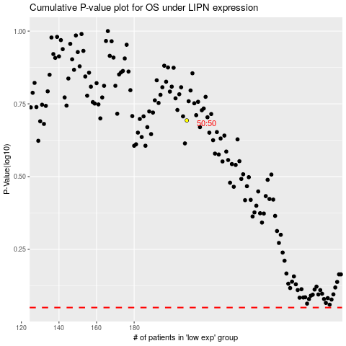

 |  |  |  |  |  | cases_OS | p_OS | rank | exp
 |  |  |  |  |  |  | cases_RFS | p_RFS | rank | exp

