LIPT1 _multivariate
Reported by Tex Li-Hsing Chi. tex@gate.sinica.edu.tw 2019-08-18

Table 2. The clinicopathological features of HNSCC cohort and LIPT1 expression. (Chi square test)
Cutoff at -0.487 (39.1%)
 |  | LIPT1 expression |  | LIPT1 expression |  | (Optimised)
 | Features | Low | (%) | High | (%) | Case no | P-value | Remark | Matthews
Gender | Female | 120 | 28.9 | 186 | 44.8 | 415 | 0.991 | 0 | 0
2 | Male | 42 | 10.1 | 67 | 16.1
Age at diagnosis | <=65y | 105 | 25.3 | 169 | 40.7 | 415 | 0.7566 | 0 | 0
4 | >65y | 57 | 13.7 | 84 | 20.2
Clinical T Status | T1+T2 | 54 | 13 | 95 | 22.9 | 415 | 0.4422 | 0 | 0
6 | T3+T4 | 108 | 26 | 158 | 38.1
Clinical N Status | N0 | 87 | 21 | 129 | 31.1 | 415 | 0.6603 | 0 | 0
8 | N1-3 | 75 | 18.1 | 124 | 29.9
Clinical M Status | M0 | 162 | 39 | 250 | 60.2 | 415 | 0.2843 | 0 | 0
10 | M1 | 0 | 0 | 3 | 0.7
Clinical Stage | Stage I+II | 41 | 9.9 | 61 | 14.7 | 415 | 0.8732 | 0 | 0
12 | Stage III+IV | 121 | 29.2 | 192 | 46.3
Surgical Margin status | Negative | 129 | 31.1 | 189 | 45.5 | 415 | 0.285 | 0 | 0
14 | Positive | 33 | 8 | 64 | 15.4
Tobacco Exposure | Low | 73 | 17.6 | 88 | 21.2 | 415 | 0.0393 | 1 | 0
16 | High | 89 | 21.4 | 165 | 39.8

Table 3. Univariate/Multivariate Cox's proportional hazards regression analyses on OS time of LIPT1 gene expression in HNSCC

 |  | Univariate |  |  |  | Multivariate
 | Features | HR | CI95%(L) | CI95%(H) | P-value | HR | CI95%(L) | CI95%(H) | P-value
1 | Female | 1 |  |  |  | 1
Gender | Male | 1.157 | 0.843 | 1.587 | 0.367 | 1.166 | 0.832 | 1.634 | 0.373
11 | <=65y | 1 |  |  |  | 1
Age at diagnosis | >65y | 1.329 | 0.99 | 1.784 | 0.058 | 1.403 | 1.031 | 1.91 | 0.031
12 | T1+T2 | 1 |  |  |  | 1
Clinical T Status | T3+T4 | 1.409 | 1.028 | 1.931 | 0.033 | 2.278 | 1.203 | 4.312 | 0.011
13 | N0 | 1 |  |  |  | 1
Clinical N Status | N1-3 | 1.185 | 0.89 | 1.577 | 0.246 | 1.255 | 0.879 | 1.792 | 0.212
14 | M0 | 1 |  |  |  | 1
Clinical M Status | M1 | 4.097 | 1.009 | 16.644 | 0.049 | 8.72 | 1.898 | 40.055 | 0.005
15 | Stage I+II | 1 |  |  |  | 1
Clinical Stage | Stage III+IV | 1.245 | 0.882 | 1.759 | 0.213 | 0.482 | 0.224 | 1.037 | 0.062
16 | Negative | 1 |  |  |  | 1
Surgical Margin status | Positive | 1.591 | 1.155 | 2.191 | 0.004 | 1.632 | 1.18 | 2.257 | 0.003
17 | Low | 1 |  |  |  | 1
Tobacco Exposure | High | 1.364 | 1.008 | 1.844 | 0.044 | 1.415 | 1.025 | 1.952 | 0.035
18 | Low | 1 |  |  |  | 1
RNAseq(z-score) | High | 1.35 | 0.999 | 1.823 | 0.05 | 1.283 | 0.945 | 1.741 | 0.11

Table 4. Univariate/Multivariate Cox's proportional hazards regression analyses on RFS time of LIPT1 gene expression in HNSCC

 |  | Univariate |  |  |  | Multivariate
 | Features | HR | CI95%(L) | CI95%(H) | P-value | HR | CI95%(L) | CI95%(H) | P-value
1 | Female | 1 |  |  |  | 1
Gender | Male | 1.157 | 0.843 | 1.587 | 0.367 | 1.166 | 0.832 | 1.634 | 0.373
11 | <=65y | 1 |  |  |  | 1
Age at diagnosis | >65y | 1.329 | 0.99 | 1.784 | 0.058 | 1.403 | 1.031 | 1.91 | 0.031
12 | T1+T2 | 1 |  |  |  | 1
Clinical T Status | T3+T4 | 1.409 | 1.028 | 1.931 | 0.033 | 2.278 | 1.203 | 4.312 | 0.011
13 | N0 | 1 |  |  |  | 1
Clinical N Status | N1-3 | 1.185 | 0.89 | 1.577 | 0.246 | 1.255 | 0.879 | 1.792 | 0.212
14 | M0 | 1 |  |  |  | 1
Clinical M Status | M1 | 4.097 | 1.009 | 16.644 | 0.049 | 8.72 | 1.898 | 40.055 | 0.005
15 | Stage I+II | 1 |  |  |  | 1
Clinical Stage | Stage III+IV | 1.245 | 0.882 | 1.759 | 0.213 | 0.482 | 0.224 | 1.037 | 0.062
16 | Negative | 1 |  |  |  | 1
Surgical Margin status | Positive | 1.591 | 1.155 | 2.191 | 0.004 | 1.632 | 1.18 | 2.257 | 0.003
17 | Low | 1 |  |  |  | 1
Tobacco Exposure | High | 1.364 | 1.008 | 1.844 | 0.044 | 1.415 | 1.025 | 1.952 | 0.035
18 | Low | 1 |  |  |  | 1
RNAseq(z-score) | High | 1.35 | 0.999 | 1.823 | 0.05 | 1.283 | 0.945 | 1.741 | 0.11

Kaplan-Meier survival estimate: Cutoff at -0.487 (39.1%)



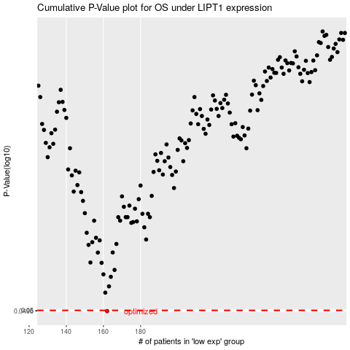

 |  |  |  |  |  | cases_OS | p_OS | rank | exp
 |  |  |  |  |  | 162 | 0.0496 | 58 | -0.48730292512
 |  |  |  |  |  |  | cases_RFS | p_RFS | rank | exp
 |  |  |  |  |  |  | 161 | 0.0496 | 126 | -0.49173402051

