LLGL1 _multivariate
Reported by Tex Li-Hsing Chi. tex@gate.sinica.edu.tw 2019-08-18

Table 2. The clinicopathological features of HNSCC cohort and LLGL1 expression. (Chi square test)
Cutoff at -0.011 (50.0%)
 |  | LLGL1 expression |  | LLGL1 expression |  | (Optimised)
 | Features | Low | (%) | High | (%) | Case no | P-value | Remark | Matthews
Gender | Female | 150 | 36.1 | 156 | 37.6 | 415 | 0.6344 | 0 | 0
2 | Male | 57 | 13.7 | 52 | 12.5
Age at diagnosis | <=65y | 129 | 31.1 | 145 | 34.9 | 415 | 0.1372 | 0 | 0
4 | >65y | 78 | 18.8 | 63 | 15.2
Clinical T Status | T1+T2 | 77 | 18.6 | 72 | 17.3 | 415 | 0.6556 | 0 | 0
6 | T3+T4 | 130 | 31.3 | 136 | 32.8
Clinical N Status | N0 | 108 | 26 | 108 | 26 | 415 | 1 | 0 | 0
8 | N1-3 | 99 | 23.9 | 100 | 24.1
Clinical M Status | M0 | 205 | 49.4 | 207 | 49.9 | 415 | 0.6232 | 0 | 0
10 | M1 | 2 | 0.5 | 1 | 0.2
Clinical Stage | Stage I+II | 52 | 12.5 | 50 | 12 | 415 | 0.8871 | 0 | 0
12 | Stage III+IV | 155 | 37.3 | 158 | 38.1
Surgical Margin status | Negative | 148 | 35.7 | 170 | 41 | 415 | 0.015 | 1 | 0
14 | Positive | 59 | 14.2 | 38 | 9.2
Tobacco Exposure | Low | 79 | 19 | 82 | 19.8 | 415 | 0.8405 | 0 | 0
16 | High | 128 | 30.8 | 126 | 30.4

Table 3. Univariate/Multivariate Cox's proportional hazards regression analyses on OS time of LLGL1 gene expression in HNSCC

 |  | Univariate |  |  |  | Multivariate
 | Features | HR | CI95%(L) | CI95%(H) | P-value | HR | CI95%(L) | CI95%(H) | P-value
1 | Female | 1 |  |  |  | 1
Gender | Male | 1.157 | 0.843 | 1.587 | 0.367 | 1.218 | 0.869 | 1.707 | 0.253
11 | <=65y | 1 |  |  |  | 1
Age at diagnosis | >65y | 1.329 | 0.99 | 1.784 | 0.058 | 1.405 | 1.032 | 1.914 | 0.031
12 | T1+T2 | 1 |  |  |  | 1
Clinical T Status | T3+T4 | 1.409 | 1.028 | 1.931 | 0.033 | 2.227 | 1.176 | 4.217 | 0.014
13 | N0 | 1 |  |  |  | 1
Clinical N Status | N1-3 | 1.185 | 0.89 | 1.577 | 0.246 | 1.249 | 0.875 | 1.783 | 0.221
14 | M0 | 1 |  |  |  | 1
Clinical M Status | M1 | 4.097 | 1.009 | 16.644 | 0.049 | 9.651 | 2.099 | 44.365 | 0.004
15 | Stage I+II | 1 |  |  |  | 1
Clinical Stage | Stage III+IV | 1.245 | 0.882 | 1.759 | 0.213 | 0.499 | 0.232 | 1.072 | 0.075
16 | Negative | 1 |  |  |  | 1
Surgical Margin status | Positive | 1.591 | 1.155 | 2.191 | 0.004 | 1.71 | 1.226 | 2.386 | 0.002
17 | Low | 1 |  |  |  | 1
Tobacco Exposure | High | 1.364 | 1.008 | 1.844 | 0.044 | 1.461 | 1.059 | 2.015 | 0.021
18 | Low | 1 |  |  |  | 1
RNAseq(z-score) | High | 0.927 | 0.696 | 1.234 | 0.602 | 1.093 | 0.81 | 1.476 | 0.559

Table 4. Univariate/Multivariate Cox's proportional hazards regression analyses on RFS time of LLGL1 gene expression in HNSCC

 |  | Univariate |  |  |  | Multivariate
 | Features | HR | CI95%(L) | CI95%(H) | P-value | HR | CI95%(L) | CI95%(H) | P-value
1 | Female | 1 |  |  |  | 1
Gender | Male | 1.157 | 0.843 | 1.587 | 0.367 | 1.218 | 0.869 | 1.707 | 0.253
11 | <=65y | 1 |  |  |  | 1
Age at diagnosis | >65y | 1.329 | 0.99 | 1.784 | 0.058 | 1.405 | 1.032 | 1.914 | 0.031
12 | T1+T2 | 1 |  |  |  | 1
Clinical T Status | T3+T4 | 1.409 | 1.028 | 1.931 | 0.033 | 2.227 | 1.176 | 4.217 | 0.014
13 | N0 | 1 |  |  |  | 1
Clinical N Status | N1-3 | 1.185 | 0.89 | 1.577 | 0.246 | 1.249 | 0.875 | 1.783 | 0.221
14 | M0 | 1 |  |  |  | 1
Clinical M Status | M1 | 4.097 | 1.009 | 16.644 | 0.049 | 9.651 | 2.099 | 44.365 | 0.004
15 | Stage I+II | 1 |  |  |  | 1
Clinical Stage | Stage III+IV | 1.245 | 0.882 | 1.759 | 0.213 | 0.499 | 0.232 | 1.072 | 0.075
16 | Negative | 1 |  |  |  | 1
Surgical Margin status | Positive | 1.591 | 1.155 | 2.191 | 0.004 | 1.71 | 1.226 | 2.386 | 0.002
17 | Low | 1 |  |  |  | 1
Tobacco Exposure | High | 1.364 | 1.008 | 1.844 | 0.044 | 1.461 | 1.059 | 2.015 | 0.021
18 | Low | 1 |  |  |  | 1
RNAseq(z-score) | High | 0.927 | 0.696 | 1.234 | 0.602 | 1.093 | 0.81 | 1.476 | 0.559

Kaplan-Meier survival estimate: Cutoff at -0.011 (50.0%)



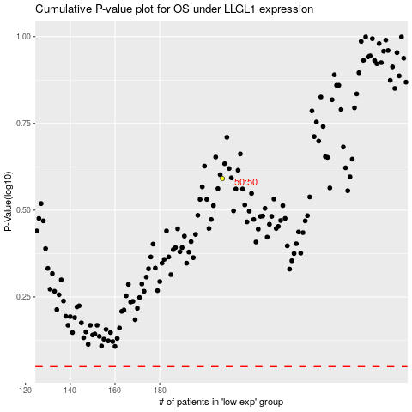

 |  |  |  |  |  | cases_OS | p_OS | rank | exp
 |  |  |  |  |  |  | cases_RFS | p_RFS | rank | exp

