LMBR1L _multivariate
Reported by Tex Li-Hsing Chi. tex@gate.sinica.edu.tw 2019-08-18

Table 2. The clinicopathological features of HNSCC cohort and LMBR1L expression. (Chi square test)
Cutoff at -0.165 (50.0%)
 |  | LMBR1L expression |  | LMBR1L expression |  | (Optimised)
 | Features | Low | (%) | High | (%) | Case no | P-value | Remark | Matthews
Gender | Female | 154 | 37.1 | 152 | 36.6 | 415 | 0.8463 | 0 | 0
2 | Male | 53 | 12.8 | 56 | 13.5
Age at diagnosis | <=65y | 147 | 35.4 | 127 | 30.6 | 415 | 0.0416 | 1 | 0
4 | >65y | 60 | 14.5 | 81 | 19.5
Clinical T Status | T1+T2 | 78 | 18.8 | 71 | 17.1 | 415 | 0.5152 | 0 | 0
6 | T3+T4 | 129 | 31.1 | 137 | 33
Clinical N Status | N0 | 103 | 24.8 | 113 | 27.2 | 415 | 0.4047 | 0 | 0
8 | N1-3 | 104 | 25.1 | 95 | 22.9
Clinical M Status | M0 | 207 | 49.9 | 205 | 49.4 | 415 | 0.2482 | 0 | 0
10 | M1 | 0 | 0 | 3 | 0.7
Clinical Stage | Stage I+II | 49 | 11.8 | 53 | 12.8 | 415 | 0.7535 | 0 | 0
12 | Stage III+IV | 158 | 38.1 | 155 | 37.3
Surgical Margin status | Negative | 161 | 38.8 | 157 | 37.8 | 415 | 0.6429 | 0 | 0
14 | Positive | 46 | 11.1 | 51 | 12.3
Tobacco Exposure | Low | 66 | 15.9 | 95 | 22.9 | 415 | 0.0048 | 1 | 0
16 | High | 141 | 34 | 113 | 27.2

Table 3. Univariate/Multivariate Cox's proportional hazards regression analyses on OS time of LMBR1L gene expression in HNSCC

 |  | Univariate |  |  |  | Multivariate
 | Features | HR | CI95%(L) | CI95%(H) | P-value | HR | CI95%(L) | CI95%(H) | P-value
1 | Female | 1 |  |  |  | 1
Gender | Male | 1.157 | 0.843 | 1.587 | 0.367 | 1.198 | 0.857 | 1.674 | 0.291
11 | <=65y | 1 |  |  |  | 1
Age at diagnosis | >65y | 1.329 | 0.99 | 1.784 | 0.058 | 1.387 | 1.019 | 1.887 | 0.037
12 | T1+T2 | 1 |  |  |  | 1
Clinical T Status | T3+T4 | 1.409 | 1.028 | 1.931 | 0.033 | 2.191 | 1.158 | 4.146 | 0.016
13 | N0 | 1 |  |  |  | 1
Clinical N Status | N1-3 | 1.185 | 0.89 | 1.577 | 0.246 | 1.244 | 0.872 | 1.775 | 0.229
14 | M0 | 1 |  |  |  | 1
Clinical M Status | M1 | 4.097 | 1.009 | 16.644 | 0.049 | 9.085 | 1.959 | 42.135 | 0.005
15 | Stage I+II | 1 |  |  |  | 1
Clinical Stage | Stage III+IV | 1.245 | 0.882 | 1.759 | 0.213 | 0.509 | 0.237 | 1.094 | 0.083
16 | Negative | 1 |  |  |  | 1
Surgical Margin status | Positive | 1.591 | 1.155 | 2.191 | 0.004 | 1.67 | 1.208 | 2.307 | 0.002
17 | Low | 1 |  |  |  | 1
Tobacco Exposure | High | 1.364 | 1.008 | 1.844 | 0.044 | 1.461 | 1.059 | 2.015 | 0.021
18 | Low | 1 |  |  |  | 1
RNAseq(z-score) | High | 1.076 | 0.805 | 1.436 | 0.622 | 1.056 | 0.785 | 1.421 | 0.72

Table 4. Univariate/Multivariate Cox's proportional hazards regression analyses on RFS time of LMBR1L gene expression in HNSCC

 |  | Univariate |  |  |  | Multivariate
 | Features | HR | CI95%(L) | CI95%(H) | P-value | HR | CI95%(L) | CI95%(H) | P-value
1 | Female | 1 |  |  |  | 1
Gender | Male | 1.157 | 0.843 | 1.587 | 0.367 | 1.198 | 0.857 | 1.674 | 0.291
11 | <=65y | 1 |  |  |  | 1
Age at diagnosis | >65y | 1.329 | 0.99 | 1.784 | 0.058 | 1.387 | 1.019 | 1.887 | 0.037
12 | T1+T2 | 1 |  |  |  | 1
Clinical T Status | T3+T4 | 1.409 | 1.028 | 1.931 | 0.033 | 2.191 | 1.158 | 4.146 | 0.016
13 | N0 | 1 |  |  |  | 1
Clinical N Status | N1-3 | 1.185 | 0.89 | 1.577 | 0.246 | 1.244 | 0.872 | 1.775 | 0.229
14 | M0 | 1 |  |  |  | 1
Clinical M Status | M1 | 4.097 | 1.009 | 16.644 | 0.049 | 9.085 | 1.959 | 42.135 | 0.005
15 | Stage I+II | 1 |  |  |  | 1
Clinical Stage | Stage III+IV | 1.245 | 0.882 | 1.759 | 0.213 | 0.509 | 0.237 | 1.094 | 0.083
16 | Negative | 1 |  |  |  | 1
Surgical Margin status | Positive | 1.591 | 1.155 | 2.191 | 0.004 | 1.67 | 1.208 | 2.307 | 0.002
17 | Low | 1 |  |  |  | 1
Tobacco Exposure | High | 1.364 | 1.008 | 1.844 | 0.044 | 1.461 | 1.059 | 2.015 | 0.021
18 | Low | 1 |  |  |  | 1
RNAseq(z-score) | High | 1.076 | 0.805 | 1.436 | 0.622 | 1.056 | 0.785 | 1.421 | 0.72

Kaplan-Meier survival estimate: Cutoff at -0.165 (50.0%)



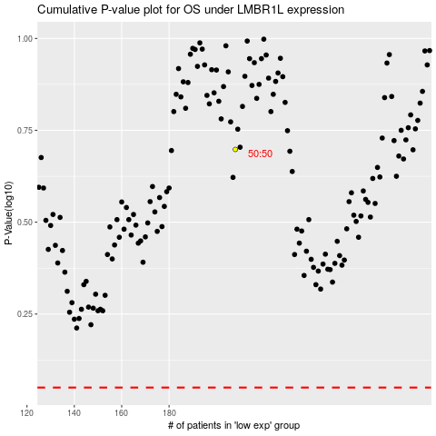

 |  |  |  |  |  | cases_OS | p_OS | rank | exp
 |  |  |  |  |  |  | cases_RFS | p_RFS | rank | exp

