LMBRD2 _multivariate
Reported by Tex Li-Hsing Chi. tex@gate.sinica.edu.tw 2019-08-18

Table 2. The clinicopathological features of HNSCC cohort and LMBRD2 expression. (Chi square test)
Cutoff at -0.208 (49.8%)
 |  | LMBRD2 expression |  | LMBRD2 expression |  | (Optimised)
 | Features | Low | (%) | High | (%) | Case no | P-value | Remark | Matthews
Gender | Female | 155 | 37.3 | 151 | 36.4 | 415 | 0.6768 | 0 | 0
2 | Male | 52 | 12.5 | 57 | 13.7
Age at diagnosis | <=65y | 134 | 32.3 | 140 | 33.7 | 415 | 0.6529 | 0 | 0
4 | >65y | 73 | 17.6 | 68 | 16.4
Clinical T Status | T1+T2 | 78 | 18.8 | 71 | 17.1 | 415 | 0.5152 | 0 | 0
6 | T3+T4 | 129 | 31.1 | 137 | 33
Clinical N Status | N0 | 103 | 24.8 | 113 | 27.2 | 415 | 0.4047 | 0 | 0
8 | N1-3 | 104 | 25.1 | 95 | 22.9
Clinical M Status | M0 | 205 | 49.4 | 207 | 49.9 | 415 | 0.6232 | 0 | 0
10 | M1 | 2 | 0.5 | 1 | 0.2
Clinical Stage | Stage I+II | 53 | 12.8 | 49 | 11.8 | 415 | 0.7113 | 0 | 0
12 | Stage III+IV | 154 | 37.1 | 159 | 38.3
Surgical Margin status | Negative | 151 | 36.4 | 167 | 40.2 | 415 | 0.0828 | 0 | 0
14 | Positive | 56 | 13.5 | 41 | 9.9
Tobacco Exposure | Low | 76 | 18.3 | 85 | 20.5 | 415 | 0.4207 | 0 | 0
16 | High | 131 | 31.6 | 123 | 29.6

Table 3. Univariate/Multivariate Cox's proportional hazards regression analyses on OS time of LMBRD2 gene expression in HNSCC

 |  | Univariate |  |  |  | Multivariate
 | Features | HR | CI95%(L) | CI95%(H) | P-value | HR | CI95%(L) | CI95%(H) | P-value
1 | Female | 1 |  |  |  | 1
Gender | Male | 1.157 | 0.843 | 1.587 | 0.367 | 1.204 | 0.861 | 1.685 | 0.278
11 | <=65y | 1 |  |  |  | 1
Age at diagnosis | >65y | 1.329 | 0.99 | 1.784 | 0.058 | 1.393 | 1.025 | 1.893 | 0.034
12 | T1+T2 | 1 |  |  |  | 1
Clinical T Status | T3+T4 | 1.409 | 1.028 | 1.931 | 0.033 | 2.217 | 1.173 | 4.19 | 0.014
13 | N0 | 1 |  |  |  | 1
Clinical N Status | N1-3 | 1.185 | 0.89 | 1.577 | 0.246 | 1.225 | 0.858 | 1.749 | 0.265
14 | M0 | 1 |  |  |  | 1
Clinical M Status | M1 | 4.097 | 1.009 | 16.644 | 0.049 | 9.348 | 2.039 | 42.854 | 0.004
15 | Stage I+II | 1 |  |  |  | 1
Clinical Stage | Stage III+IV | 1.245 | 0.882 | 1.759 | 0.213 | 0.512 | 0.238 | 1.099 | 0.086
16 | Negative | 1 |  |  |  | 1
Surgical Margin status | Positive | 1.591 | 1.155 | 2.191 | 0.004 | 1.643 | 1.188 | 2.273 | 0.003
17 | Low | 1 |  |  |  | 1
Tobacco Exposure | High | 1.364 | 1.008 | 1.844 | 0.044 | 1.436 | 1.041 | 1.981 | 0.028
18 | Low | 1 |  |  |  | 1
RNAseq(z-score) | High | 0.814 | 0.61 | 1.086 | 0.161 | 0.851 | 0.635 | 1.14 | 0.28

Table 4. Univariate/Multivariate Cox's proportional hazards regression analyses on RFS time of LMBRD2 gene expression in HNSCC

 |  | Univariate |  |  |  | Multivariate
 | Features | HR | CI95%(L) | CI95%(H) | P-value | HR | CI95%(L) | CI95%(H) | P-value
1 | Female | 1 |  |  |  | 1
Gender | Male | 1.157 | 0.843 | 1.587 | 0.367 | 1.204 | 0.861 | 1.685 | 0.278
11 | <=65y | 1 |  |  |  | 1
Age at diagnosis | >65y | 1.329 | 0.99 | 1.784 | 0.058 | 1.393 | 1.025 | 1.893 | 0.034
12 | T1+T2 | 1 |  |  |  | 1
Clinical T Status | T3+T4 | 1.409 | 1.028 | 1.931 | 0.033 | 2.217 | 1.173 | 4.19 | 0.014
13 | N0 | 1 |  |  |  | 1
Clinical N Status | N1-3 | 1.185 | 0.89 | 1.577 | 0.246 | 1.225 | 0.858 | 1.749 | 0.265
14 | M0 | 1 |  |  |  | 1
Clinical M Status | M1 | 4.097 | 1.009 | 16.644 | 0.049 | 9.348 | 2.039 | 42.854 | 0.004
15 | Stage I+II | 1 |  |  |  | 1
Clinical Stage | Stage III+IV | 1.245 | 0.882 | 1.759 | 0.213 | 0.512 | 0.238 | 1.099 | 0.086
16 | Negative | 1 |  |  |  | 1
Surgical Margin status | Positive | 1.591 | 1.155 | 2.191 | 0.004 | 1.643 | 1.188 | 2.273 | 0.003
17 | Low | 1 |  |  |  | 1
Tobacco Exposure | High | 1.364 | 1.008 | 1.844 | 0.044 | 1.436 | 1.041 | 1.981 | 0.028
18 | Low | 1 |  |  |  | 1
RNAseq(z-score) | High | 0.814 | 0.61 | 1.086 | 0.161 | 0.851 | 0.635 | 1.14 | 0.28

Kaplan-Meier survival estimate: Cutoff at -0.208 (49.8%)



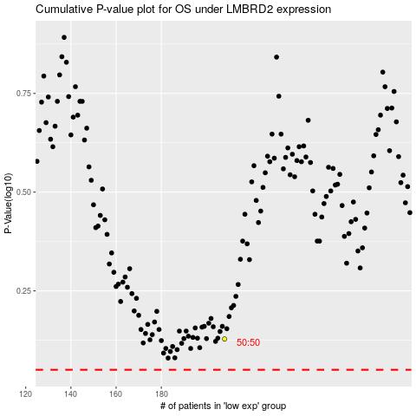

 |  |  |  |  |  | cases_OS | p_OS | rank | exp
 |  |  |  |  |  |  | cases_RFS | p_RFS | rank | exp

