LMO3 _multivariate
Reported by Tex Li-Hsing Chi. tex@gate.sinica.edu.tw 2019-08-18

Table 2. The clinicopathological features of HNSCC cohort and LMO3 expression. (Chi square test)
Cutoff at -0.156 (49.8%)
 |  | LMO3 expression |  | LMO3 expression |  | (Optimised)
 | Features | Low | (%) | High | (%) | Case no | P-value | Remark | Matthews
Gender | Female | 152 | 36.6 | 154 | 37.1 | 415 | 0.9766 | 0 | 0
2 | Male | 55 | 13.3 | 54 | 13
Age at diagnosis | <=65y | 138 | 33.3 | 136 | 32.8 | 415 | 0.8634 | 0 | 0
4 | >65y | 69 | 16.6 | 72 | 17.3
Clinical T Status | T1+T2 | 65 | 15.7 | 84 | 20.2 | 415 | 0.0711 | 0 | 0
6 | T3+T4 | 142 | 34.2 | 124 | 29.9
Clinical N Status | N0 | 105 | 25.3 | 111 | 26.7 | 415 | 0.6598 | 0 | 0
8 | N1-3 | 102 | 24.6 | 97 | 23.4
Clinical M Status | M0 | 206 | 49.6 | 206 | 49.6 | 415 | 1 | 0 | 0
10 | M1 | 1 | 0.2 | 2 | 0.5
Clinical Stage | Stage I+II | 48 | 11.6 | 54 | 13 | 415 | 0.5878 | 0 | 0
12 | Stage III+IV | 159 | 38.3 | 154 | 37.1
Surgical Margin status | Negative | 159 | 38.3 | 159 | 38.3 | 415 | 1 | 0 | 0
14 | Positive | 48 | 11.6 | 49 | 11.8
Tobacco Exposure | Low | 88 | 21.2 | 73 | 17.6 | 415 | 0.1314 | 0 | 0
16 | High | 119 | 28.7 | 135 | 32.5

Table 3. Univariate/Multivariate Cox's proportional hazards regression analyses on OS time of LMO3 gene expression in HNSCC

 |  | Univariate |  |  |  | Multivariate
 | Features | HR | CI95%(L) | CI95%(H) | P-value | HR | CI95%(L) | CI95%(H) | P-value
1 | Female | 1 |  |  |  | 1
Gender | Male | 1.157 | 0.843 | 1.587 | 0.367 | 1.191 | 0.852 | 1.666 | 0.306
11 | <=65y | 1 |  |  |  | 1
Age at diagnosis | >65y | 1.329 | 0.99 | 1.784 | 0.058 | 1.395 | 1.027 | 1.896 | 0.033
12 | T1+T2 | 1 |  |  |  | 1
Clinical T Status | T3+T4 | 1.409 | 1.028 | 1.931 | 0.033 | 2.134 | 1.125 | 4.049 | 0.02
13 | N0 | 1 |  |  |  | 1
Clinical N Status | N1-3 | 1.185 | 0.89 | 1.577 | 0.246 | 1.231 | 0.862 | 1.757 | 0.252
14 | M0 | 1 |  |  |  | 1
Clinical M Status | M1 | 4.097 | 1.009 | 16.644 | 0.049 | 9.578 | 2.089 | 43.92 | 0.004
15 | Stage I+II | 1 |  |  |  | 1
Clinical Stage | Stage III+IV | 1.245 | 0.882 | 1.759 | 0.213 | 0.523 | 0.243 | 1.126 | 0.097
16 | Negative | 1 |  |  |  | 1
Surgical Margin status | Positive | 1.591 | 1.155 | 2.191 | 0.004 | 1.679 | 1.215 | 2.32 | 0.002
17 | Low | 1 |  |  |  | 1
Tobacco Exposure | High | 1.364 | 1.008 | 1.844 | 0.044 | 1.476 | 1.069 | 2.036 | 0.018
18 | Low | 1 |  |  |  | 1
RNAseq(z-score) | High | 0.871 | 0.653 | 1.161 | 0.345 | 0.862 | 0.644 | 1.154 | 0.319

Table 4. Univariate/Multivariate Cox's proportional hazards regression analyses on RFS time of LMO3 gene expression in HNSCC

 |  | Univariate |  |  |  | Multivariate
 | Features | HR | CI95%(L) | CI95%(H) | P-value | HR | CI95%(L) | CI95%(H) | P-value
1 | Female | 1 |  |  |  | 1
Gender | Male | 1.157 | 0.843 | 1.587 | 0.367 | 1.191 | 0.852 | 1.666 | 0.306
11 | <=65y | 1 |  |  |  | 1
Age at diagnosis | >65y | 1.329 | 0.99 | 1.784 | 0.058 | 1.395 | 1.027 | 1.896 | 0.033
12 | T1+T2 | 1 |  |  |  | 1
Clinical T Status | T3+T4 | 1.409 | 1.028 | 1.931 | 0.033 | 2.134 | 1.125 | 4.049 | 0.02
13 | N0 | 1 |  |  |  | 1
Clinical N Status | N1-3 | 1.185 | 0.89 | 1.577 | 0.246 | 1.231 | 0.862 | 1.757 | 0.252
14 | M0 | 1 |  |  |  | 1
Clinical M Status | M1 | 4.097 | 1.009 | 16.644 | 0.049 | 9.578 | 2.089 | 43.92 | 0.004
15 | Stage I+II | 1 |  |  |  | 1
Clinical Stage | Stage III+IV | 1.245 | 0.882 | 1.759 | 0.213 | 0.523 | 0.243 | 1.126 | 0.097
16 | Negative | 1 |  |  |  | 1
Surgical Margin status | Positive | 1.591 | 1.155 | 2.191 | 0.004 | 1.679 | 1.215 | 2.32 | 0.002
17 | Low | 1 |  |  |  | 1
Tobacco Exposure | High | 1.364 | 1.008 | 1.844 | 0.044 | 1.476 | 1.069 | 2.036 | 0.018
18 | Low | 1 |  |  |  | 1
RNAseq(z-score) | High | 0.871 | 0.653 | 1.161 | 0.345 | 0.862 | 0.644 | 1.154 | 0.319

Kaplan-Meier survival estimate: Cutoff at -0.156 (49.8%)



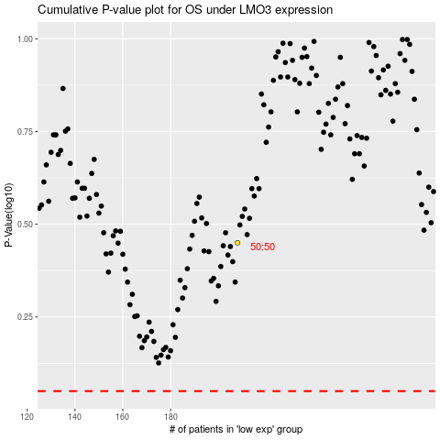

 |  |  |  |  |  | cases_OS | p_OS | rank | exp
 |  |  |  |  |  |  | cases_RFS | p_RFS | rank | exp

