LMO7 _multivariate
Reported by Tex Li-Hsing Chi. tex@gate.sinica.edu.tw 2019-08-18

Table 2. The clinicopathological features of HNSCC cohort and LMO7 expression. (Chi square test)
Cutoff at -0.323 (50.0%)
 |  | LMO7 expression |  | LMO7 expression |  | (Optimised)
 | Features | Low | (%) | High | (%) | Case no | P-value | Remark | Matthews
Gender | Female | 154 | 37.1 | 152 | 36.6 | 415 | 0.8463 | 0 | 0
2 | Male | 53 | 12.8 | 56 | 13.5
Age at diagnosis | <=65y | 138 | 33.3 | 136 | 32.8 | 415 | 0.8634 | 0 | 0
4 | >65y | 69 | 16.6 | 72 | 17.3
Clinical T Status | T1+T2 | 84 | 20.2 | 65 | 15.7 | 415 | 0.0603 | 0 | 0
6 | T3+T4 | 123 | 29.6 | 143 | 34.5
Clinical N Status | N0 | 112 | 27 | 104 | 25.1 | 415 | 0.4599 | 0 | 0
8 | N1-3 | 95 | 22.9 | 104 | 25.1
Clinical M Status | M0 | 204 | 49.2 | 208 | 50.1 | 415 | 0.1232 | 0 | 0
10 | M1 | 3 | 0.7 | 0 | 0
Clinical Stage | Stage I+II | 59 | 14.2 | 43 | 10.4 | 415 | 0.0822 | 0 | 0
12 | Stage III+IV | 148 | 35.7 | 165 | 39.8
Surgical Margin status | Negative | 154 | 37.1 | 164 | 39.5 | 415 | 0.2984 | 0 | 0
14 | Positive | 53 | 12.8 | 44 | 10.6
Tobacco Exposure | Low | 82 | 19.8 | 79 | 19 | 415 | 0.763 | 0 | 0
16 | High | 125 | 30.1 | 129 | 31.1

Table 3. Univariate/Multivariate Cox's proportional hazards regression analyses on OS time of LMO7 gene expression in HNSCC

 |  | Univariate |  |  |  | Multivariate
 | Features | HR | CI95%(L) | CI95%(H) | P-value | HR | CI95%(L) | CI95%(H) | P-value
1 | Female | 1 |  |  |  | 1
Gender | Male | 1.157 | 0.843 | 1.587 | 0.367 | 1.196 | 0.856 | 1.671 | 0.295
11 | <=65y | 1 |  |  |  | 1
Age at diagnosis | >65y | 1.329 | 0.99 | 1.784 | 0.058 | 1.399 | 1.029 | 1.903 | 0.032
12 | T1+T2 | 1 |  |  |  | 1
Clinical T Status | T3+T4 | 1.409 | 1.028 | 1.931 | 0.033 | 2.238 | 1.183 | 4.235 | 0.013
13 | N0 | 1 |  |  |  | 1
Clinical N Status | N1-3 | 1.185 | 0.89 | 1.577 | 0.246 | 1.249 | 0.875 | 1.782 | 0.221
14 | M0 | 1 |  |  |  | 1
Clinical M Status | M1 | 4.097 | 1.009 | 16.644 | 0.049 | 8.775 | 1.903 | 40.459 | 0.005
15 | Stage I+II | 1 |  |  |  | 1
Clinical Stage | Stage III+IV | 1.245 | 0.882 | 1.759 | 0.213 | 0.512 | 0.238 | 1.099 | 0.086
16 | Negative | 1 |  |  |  | 1
Surgical Margin status | Positive | 1.591 | 1.155 | 2.191 | 0.004 | 1.656 | 1.198 | 2.289 | 0.002
17 | Low | 1 |  |  |  | 1
Tobacco Exposure | High | 1.364 | 1.008 | 1.844 | 0.044 | 1.454 | 1.055 | 2.004 | 0.022
18 | Low | 1 |  |  |  | 1
RNAseq(z-score) | High | 0.875 | 0.657 | 1.166 | 0.362 | 0.86 | 0.64 | 1.154 | 0.315

Table 4. Univariate/Multivariate Cox's proportional hazards regression analyses on RFS time of LMO7 gene expression in HNSCC

 |  | Univariate |  |  |  | Multivariate
 | Features | HR | CI95%(L) | CI95%(H) | P-value | HR | CI95%(L) | CI95%(H) | P-value
1 | Female | 1 |  |  |  | 1
Gender | Male | 1.157 | 0.843 | 1.587 | 0.367 | 1.196 | 0.856 | 1.671 | 0.295
11 | <=65y | 1 |  |  |  | 1
Age at diagnosis | >65y | 1.329 | 0.99 | 1.784 | 0.058 | 1.399 | 1.029 | 1.903 | 0.032
12 | T1+T2 | 1 |  |  |  | 1
Clinical T Status | T3+T4 | 1.409 | 1.028 | 1.931 | 0.033 | 2.238 | 1.183 | 4.235 | 0.013
13 | N0 | 1 |  |  |  | 1
Clinical N Status | N1-3 | 1.185 | 0.89 | 1.577 | 0.246 | 1.249 | 0.875 | 1.782 | 0.221
14 | M0 | 1 |  |  |  | 1
Clinical M Status | M1 | 4.097 | 1.009 | 16.644 | 0.049 | 8.775 | 1.903 | 40.459 | 0.005
15 | Stage I+II | 1 |  |  |  | 1
Clinical Stage | Stage III+IV | 1.245 | 0.882 | 1.759 | 0.213 | 0.512 | 0.238 | 1.099 | 0.086
16 | Negative | 1 |  |  |  | 1
Surgical Margin status | Positive | 1.591 | 1.155 | 2.191 | 0.004 | 1.656 | 1.198 | 2.289 | 0.002
17 | Low | 1 |  |  |  | 1
Tobacco Exposure | High | 1.364 | 1.008 | 1.844 | 0.044 | 1.454 | 1.055 | 2.004 | 0.022
18 | Low | 1 |  |  |  | 1
RNAseq(z-score) | High | 0.875 | 0.657 | 1.166 | 0.362 | 0.86 | 0.64 | 1.154 | 0.315

Kaplan-Meier survival estimate: Cutoff at -0.323 (50.0%)



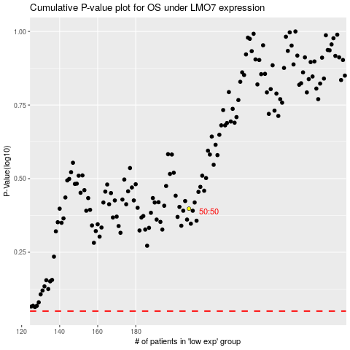

 |  |  |  |  |  | cases_OS | p_OS | rank | exp
 |  |  |  |  |  |  | cases_RFS | p_RFS | rank | exp

