LMOD1 _multivariate
Reported by Tex Li-Hsing Chi. tex@gate.sinica.edu.tw 2019-08-18

Table 2. The clinicopathological features of HNSCC cohort and LMOD1 expression. (Chi square test)
Cutoff at -0.26 (49.8%)
 |  | LMOD1 expression |  | LMOD1 expression |  | (Optimised)
 | Features | Low | (%) | High | (%) | Case no | P-value | Remark | Matthews
Gender | Female | 150 | 36.1 | 156 | 37.6 | 415 | 0.6344 | 0 | 0
2 | Male | 57 | 13.7 | 52 | 12.5
Age at diagnosis | <=65y | 137 | 33 | 137 | 33 | 415 | 1 | 0 | 0
4 | >65y | 70 | 16.9 | 71 | 17.1
Clinical T Status | T1+T2 | 77 | 18.6 | 72 | 17.3 | 415 | 0.6556 | 0 | 0
6 | T3+T4 | 130 | 31.3 | 136 | 32.8
Clinical N Status | N0 | 111 | 26.7 | 105 | 25.3 | 415 | 0.5875 | 0 | 0
8 | N1-3 | 96 | 23.1 | 103 | 24.8
Clinical M Status | M0 | 204 | 49.2 | 208 | 50.1 | 415 | 0.1232 | 0 | 0
10 | M1 | 3 | 0.7 | 0 | 0
Clinical Stage | Stage I+II | 53 | 12.8 | 49 | 11.8 | 415 | 0.7113 | 0 | 0
12 | Stage III+IV | 154 | 37.1 | 159 | 38.3
Surgical Margin status | Negative | 153 | 36.9 | 165 | 39.8 | 415 | 0.2036 | 0 | 0
14 | Positive | 54 | 13 | 43 | 10.4
Tobacco Exposure | Low | 84 | 20.2 | 77 | 18.6 | 415 | 0.4816 | 0 | 0
16 | High | 123 | 29.6 | 131 | 31.6

Table 3. Univariate/Multivariate Cox's proportional hazards regression analyses on OS time of LMOD1 gene expression in HNSCC

 |  | Univariate |  |  |  | Multivariate
 | Features | HR | CI95%(L) | CI95%(H) | P-value | HR | CI95%(L) | CI95%(H) | P-value
1 | Female | 1 |  |  |  | 1
Gender | Male | 1.157 | 0.843 | 1.587 | 0.367 | 1.197 | 0.856 | 1.673 | 0.292
11 | <=65y | 1 |  |  |  | 1
Age at diagnosis | >65y | 1.329 | 0.99 | 1.784 | 0.058 | 1.385 | 1.019 | 1.884 | 0.038
12 | T1+T2 | 1 |  |  |  | 1
Clinical T Status | T3+T4 | 1.409 | 1.028 | 1.931 | 0.033 | 2.204 | 1.165 | 4.168 | 0.015
13 | N0 | 1 |  |  |  | 1
Clinical N Status | N1-3 | 1.185 | 0.89 | 1.577 | 0.246 | 1.247 | 0.873 | 1.78 | 0.225
14 | M0 | 1 |  |  |  | 1
Clinical M Status | M1 | 4.097 | 1.009 | 16.644 | 0.049 | 8.984 | 1.946 | 41.476 | 0.005
15 | Stage I+II | 1 |  |  |  | 1
Clinical Stage | Stage III+IV | 1.245 | 0.882 | 1.759 | 0.213 | 0.502 | 0.234 | 1.079 | 0.077
16 | Negative | 1 |  |  |  | 1
Surgical Margin status | Positive | 1.591 | 1.155 | 2.191 | 0.004 | 1.673 | 1.211 | 2.312 | 0.002
17 | Low | 1 |  |  |  | 1
Tobacco Exposure | High | 1.364 | 1.008 | 1.844 | 0.044 | 1.46 | 1.059 | 2.012 | 0.021
18 | Low | 1 |  |  |  | 1
RNAseq(z-score) | High | 0.9 | 0.676 | 1.199 | 0.473 | 0.915 | 0.685 | 1.224 | 0.55

Table 4. Univariate/Multivariate Cox's proportional hazards regression analyses on RFS time of LMOD1 gene expression in HNSCC

 |  | Univariate |  |  |  | Multivariate
 | Features | HR | CI95%(L) | CI95%(H) | P-value | HR | CI95%(L) | CI95%(H) | P-value
1 | Female | 1 |  |  |  | 1
Gender | Male | 1.157 | 0.843 | 1.587 | 0.367 | 1.197 | 0.856 | 1.673 | 0.292
11 | <=65y | 1 |  |  |  | 1
Age at diagnosis | >65y | 1.329 | 0.99 | 1.784 | 0.058 | 1.385 | 1.019 | 1.884 | 0.038
12 | T1+T2 | 1 |  |  |  | 1
Clinical T Status | T3+T4 | 1.409 | 1.028 | 1.931 | 0.033 | 2.204 | 1.165 | 4.168 | 0.015
13 | N0 | 1 |  |  |  | 1
Clinical N Status | N1-3 | 1.185 | 0.89 | 1.577 | 0.246 | 1.247 | 0.873 | 1.78 | 0.225
14 | M0 | 1 |  |  |  | 1
Clinical M Status | M1 | 4.097 | 1.009 | 16.644 | 0.049 | 8.984 | 1.946 | 41.476 | 0.005
15 | Stage I+II | 1 |  |  |  | 1
Clinical Stage | Stage III+IV | 1.245 | 0.882 | 1.759 | 0.213 | 0.502 | 0.234 | 1.079 | 0.077
16 | Negative | 1 |  |  |  | 1
Surgical Margin status | Positive | 1.591 | 1.155 | 2.191 | 0.004 | 1.673 | 1.211 | 2.312 | 0.002
17 | Low | 1 |  |  |  | 1
Tobacco Exposure | High | 1.364 | 1.008 | 1.844 | 0.044 | 1.46 | 1.059 | 2.012 | 0.021
18 | Low | 1 |  |  |  | 1
RNAseq(z-score) | High | 0.9 | 0.676 | 1.199 | 0.473 | 0.915 | 0.685 | 1.224 | 0.55

Kaplan-Meier survival estimate: Cutoff at -0.26 (49.8%)

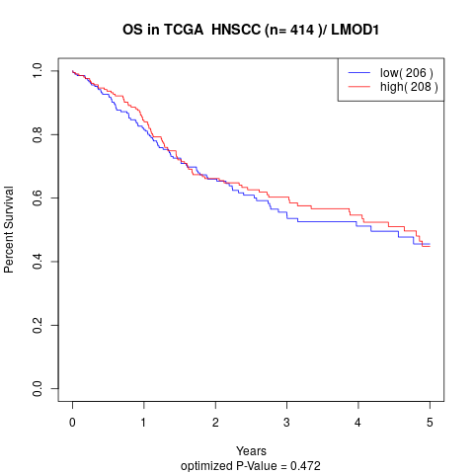

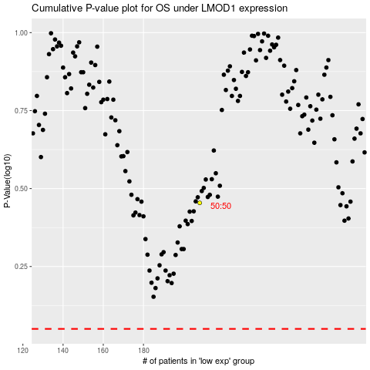

 |  |  |  |  |  | cases_OS | p_OS | rank | exp
 |  |  |  |  |  |  | cases_RFS | p_RFS | rank | exp

