LNP1 _multivariate
Reported by Tex Li-Hsing Chi. tex@gate.sinica.edu.tw 2019-08-18

Table 2. The clinicopathological features of HNSCC cohort and LNP1 expression. (Chi square test)
Cutoff at -0.273 (49.8%)
 |  | LNP1 expression |  | LNP1 expression |  | (Optimised)
 | Features | Low | (%) | High | (%) | Case no | P-value | Remark | Matthews
Gender | Female | 139 | 33.5 | 167 | 40.2 | 415 | 0.0034 | 1 | 0
2 | Male | 68 | 16.4 | 41 | 9.9
Age at diagnosis | <=65y | 132 | 31.8 | 142 | 34.2 | 415 | 0.3874 | 0 | 0
4 | >65y | 75 | 18.1 | 66 | 15.9
Clinical T Status | T1+T2 | 65 | 15.7 | 84 | 20.2 | 415 | 0.0711 | 0 | 0
6 | T3+T4 | 142 | 34.2 | 124 | 29.9
Clinical N Status | N0 | 107 | 25.8 | 109 | 26.3 | 415 | 0.9624 | 0 | 0
8 | N1-3 | 100 | 24.1 | 99 | 23.9
Clinical M Status | M0 | 204 | 49.2 | 208 | 50.1 | 415 | 0.1232 | 0 | 0
10 | M1 | 3 | 0.7 | 0 | 0
Clinical Stage | Stage I+II | 47 | 11.3 | 55 | 13.3 | 415 | 0.4413 | 0 | 0
12 | Stage III+IV | 160 | 38.6 | 153 | 36.9
Surgical Margin status | Negative | 158 | 38.1 | 160 | 38.6 | 415 | 0.9081 | 0 | 0
14 | Positive | 49 | 11.8 | 48 | 11.6
Tobacco Exposure | Low | 89 | 21.4 | 72 | 17.3 | 415 | 0.0872 | 0 | 0
16 | High | 118 | 28.4 | 136 | 32.8

Table 3. Univariate/Multivariate Cox's proportional hazards regression analyses on OS time of LNP1 gene expression in HNSCC

 |  | Univariate |  |  |  | Multivariate
 | Features | HR | CI95%(L) | CI95%(H) | P-value | HR | CI95%(L) | CI95%(H) | P-value
1 | Female | 1 |  |  |  | 1
Gender | Male | 1.157 | 0.843 | 1.587 | 0.367 | 1.198 | 0.854 | 1.679 | 0.296
11 | <=65y | 1 |  |  |  | 1
Age at diagnosis | >65y | 1.329 | 0.99 | 1.784 | 0.058 | 1.393 | 1.024 | 1.893 | 0.035
12 | T1+T2 | 1 |  |  |  | 1
Clinical T Status | T3+T4 | 1.409 | 1.028 | 1.931 | 0.033 | 2.191 | 1.153 | 4.161 | 0.017
13 | N0 | 1 |  |  |  | 1
Clinical N Status | N1-3 | 1.185 | 0.89 | 1.577 | 0.246 | 1.239 | 0.868 | 1.769 | 0.237
14 | M0 | 1 |  |  |  | 1
Clinical M Status | M1 | 4.097 | 1.009 | 16.644 | 0.049 | 9.267 | 1.991 | 43.125 | 0.005
15 | Stage I+II | 1 |  |  |  | 1
Clinical Stage | Stage III+IV | 1.245 | 0.882 | 1.759 | 0.213 | 0.507 | 0.235 | 1.091 | 0.082
16 | Negative | 1 |  |  |  | 1
Surgical Margin status | Positive | 1.591 | 1.155 | 2.191 | 0.004 | 1.67 | 1.209 | 2.308 | 0.002
17 | Low | 1 |  |  |  | 1
Tobacco Exposure | High | 1.364 | 1.008 | 1.844 | 0.044 | 1.454 | 1.055 | 2.004 | 0.022
18 | Low | 1 |  |  |  | 1
RNAseq(z-score) | High | 0.903 | 0.678 | 1.202 | 0.485 | 0.98 | 0.73 | 1.315 | 0.892

Table 4. Univariate/Multivariate Cox's proportional hazards regression analyses on RFS time of LNP1 gene expression in HNSCC

 |  | Univariate |  |  |  | Multivariate
 | Features | HR | CI95%(L) | CI95%(H) | P-value | HR | CI95%(L) | CI95%(H) | P-value
1 | Female | 1 |  |  |  | 1
Gender | Male | 1.157 | 0.843 | 1.587 | 0.367 | 1.198 | 0.854 | 1.679 | 0.296
11 | <=65y | 1 |  |  |  | 1
Age at diagnosis | >65y | 1.329 | 0.99 | 1.784 | 0.058 | 1.393 | 1.024 | 1.893 | 0.035
12 | T1+T2 | 1 |  |  |  | 1
Clinical T Status | T3+T4 | 1.409 | 1.028 | 1.931 | 0.033 | 2.191 | 1.153 | 4.161 | 0.017
13 | N0 | 1 |  |  |  | 1
Clinical N Status | N1-3 | 1.185 | 0.89 | 1.577 | 0.246 | 1.239 | 0.868 | 1.769 | 0.237
14 | M0 | 1 |  |  |  | 1
Clinical M Status | M1 | 4.097 | 1.009 | 16.644 | 0.049 | 9.267 | 1.991 | 43.125 | 0.005
15 | Stage I+II | 1 |  |  |  | 1
Clinical Stage | Stage III+IV | 1.245 | 0.882 | 1.759 | 0.213 | 0.507 | 0.235 | 1.091 | 0.082
16 | Negative | 1 |  |  |  | 1
Surgical Margin status | Positive | 1.591 | 1.155 | 2.191 | 0.004 | 1.67 | 1.209 | 2.308 | 0.002
17 | Low | 1 |  |  |  | 1
Tobacco Exposure | High | 1.364 | 1.008 | 1.844 | 0.044 | 1.454 | 1.055 | 2.004 | 0.022
18 | Low | 1 |  |  |  | 1
RNAseq(z-score) | High | 0.903 | 0.678 | 1.202 | 0.485 | 0.98 | 0.73 | 1.315 | 0.892

Kaplan-Meier survival estimate: Cutoff at -0.273 (49.8%)



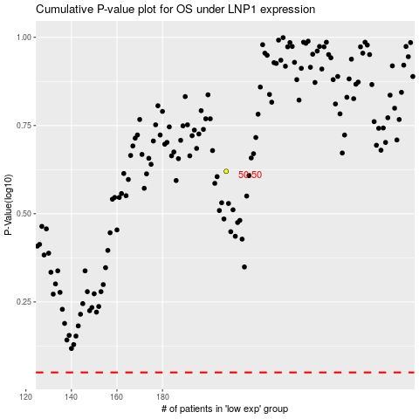

 |  |  |  |  |  | cases_OS | p_OS | rank | exp
 |  |  |  |  |  |  | cases_RFS | p_RFS | rank | exp

