LNPEP _multivariate
Reported by Tex Li-Hsing Chi. tex@gate.sinica.edu.tw 2019-08-18

Table 2. The clinicopathological features of HNSCC cohort and LNPEP expression. (Chi square test)
Cutoff at -0.209 (49.8%)
 |  | LNPEP expression |  | LNPEP expression |  | (Optimised)
 | Features | Low | (%) | High | (%) | Case no | P-value | Remark | Matthews
Gender | Female | 154 | 37.1 | 152 | 36.6 | 415 | 0.8463 | 0 | 0
2 | Male | 53 | 12.8 | 56 | 13.5
Age at diagnosis | <=65y | 131 | 31.6 | 143 | 34.5 | 415 | 0.2839 | 0 | 0
4 | >65y | 76 | 18.3 | 65 | 15.7
Clinical T Status | T1+T2 | 76 | 18.3 | 73 | 17.6 | 415 | 0.8092 | 0 | 0
6 | T3+T4 | 131 | 31.6 | 135 | 32.5
Clinical N Status | N0 | 112 | 27 | 104 | 25.1 | 415 | 0.4599 | 0 | 0
8 | N1-3 | 95 | 22.9 | 104 | 25.1
Clinical M Status | M0 | 204 | 49.2 | 208 | 50.1 | 415 | 0.1232 | 0 | 0
10 | M1 | 3 | 0.7 | 0 | 0
Clinical Stage | Stage I+II | 52 | 12.5 | 50 | 12 | 415 | 0.8871 | 0 | 0
12 | Stage III+IV | 155 | 37.3 | 158 | 38.1
Surgical Margin status | Negative | 149 | 35.9 | 169 | 40.7 | 415 | 0.0278 | 1 | 0
14 | Positive | 58 | 14 | 39 | 9.4
Tobacco Exposure | Low | 84 | 20.2 | 77 | 18.6 | 415 | 0.4816 | 0 | 0
16 | High | 123 | 29.6 | 131 | 31.6

Table 3. Univariate/Multivariate Cox's proportional hazards regression analyses on OS time of LNPEP gene expression in HNSCC

 |  | Univariate |  |  |  | Multivariate
 | Features | HR | CI95%(L) | CI95%(H) | P-value | HR | CI95%(L) | CI95%(H) | P-value
1 | Female | 1 |  |  |  | 1
Gender | Male | 1.157 | 0.843 | 1.587 | 0.367 | 1.212 | 0.867 | 1.696 | 0.261
11 | <=65y | 1 |  |  |  | 1
Age at diagnosis | >65y | 1.329 | 0.99 | 1.784 | 0.058 | 1.401 | 1.03 | 1.907 | 0.032
12 | T1+T2 | 1 |  |  |  | 1
Clinical T Status | T3+T4 | 1.409 | 1.028 | 1.931 | 0.033 | 2.194 | 1.16 | 4.147 | 0.016
13 | N0 | 1 |  |  |  | 1
Clinical N Status | N1-3 | 1.185 | 0.89 | 1.577 | 0.246 | 1.236 | 0.866 | 1.764 | 0.243
14 | M0 | 1 |  |  |  | 1
Clinical M Status | M1 | 4.097 | 1.009 | 16.644 | 0.049 | 9.821 | 2.125 | 45.398 | 0.003
15 | Stage I+II | 1 |  |  |  | 1
Clinical Stage | Stage III+IV | 1.245 | 0.882 | 1.759 | 0.213 | 0.508 | 0.237 | 1.091 | 0.083
16 | Negative | 1 |  |  |  | 1
Surgical Margin status | Positive | 1.591 | 1.155 | 2.191 | 0.004 | 1.688 | 1.219 | 2.338 | 0.002
17 | Low | 1 |  |  |  | 1
Tobacco Exposure | High | 1.364 | 1.008 | 1.844 | 0.044 | 1.463 | 1.061 | 2.017 | 0.02
18 | Low | 1 |  |  |  | 1
RNAseq(z-score) | High | 0.966 | 0.725 | 1.286 | 0.811 | 1.083 | 0.808 | 1.453 | 0.593

Table 4. Univariate/Multivariate Cox's proportional hazards regression analyses on RFS time of LNPEP gene expression in HNSCC

 |  | Univariate |  |  |  | Multivariate
 | Features | HR | CI95%(L) | CI95%(H) | P-value | HR | CI95%(L) | CI95%(H) | P-value
1 | Female | 1 |  |  |  | 1
Gender | Male | 1.157 | 0.843 | 1.587 | 0.367 | 1.212 | 0.867 | 1.696 | 0.261
11 | <=65y | 1 |  |  |  | 1
Age at diagnosis | >65y | 1.329 | 0.99 | 1.784 | 0.058 | 1.401 | 1.03 | 1.907 | 0.032
12 | T1+T2 | 1 |  |  |  | 1
Clinical T Status | T3+T4 | 1.409 | 1.028 | 1.931 | 0.033 | 2.194 | 1.16 | 4.147 | 0.016
13 | N0 | 1 |  |  |  | 1
Clinical N Status | N1-3 | 1.185 | 0.89 | 1.577 | 0.246 | 1.236 | 0.866 | 1.764 | 0.243
14 | M0 | 1 |  |  |  | 1
Clinical M Status | M1 | 4.097 | 1.009 | 16.644 | 0.049 | 9.821 | 2.125 | 45.398 | 0.003
15 | Stage I+II | 1 |  |  |  | 1
Clinical Stage | Stage III+IV | 1.245 | 0.882 | 1.759 | 0.213 | 0.508 | 0.237 | 1.091 | 0.083
16 | Negative | 1 |  |  |  | 1
Surgical Margin status | Positive | 1.591 | 1.155 | 2.191 | 0.004 | 1.688 | 1.219 | 2.338 | 0.002
17 | Low | 1 |  |  |  | 1
Tobacco Exposure | High | 1.364 | 1.008 | 1.844 | 0.044 | 1.463 | 1.061 | 2.017 | 0.02
18 | Low | 1 |  |  |  | 1
RNAseq(z-score) | High | 0.966 | 0.725 | 1.286 | 0.811 | 1.083 | 0.808 | 1.453 | 0.593

Kaplan-Meier survival estimate: Cutoff at -0.209 (49.8%)



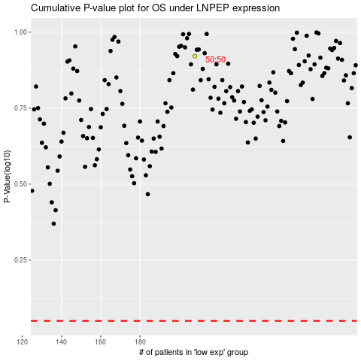

 |  |  |  |  |  | cases_OS | p_OS | rank | exp
 |  |  |  |  |  |  | cases_RFS | p_RFS | rank | exp

