LNX2 _multivariate
Reported by Tex Li-Hsing Chi. tex@gate.sinica.edu.tw 2019-08-18

Table 2. The clinicopathological features of HNSCC cohort and LNX2 expression. (Chi square test)
Cutoff at -0.505 (35.0%)
 |  | LNX2 expression |  | LNX2 expression |  | (Optimised)
 | Features | Low | (%) | High | (%) | Case no | P-value | Remark | Matthews
Gender | Female | 112 | 27 | 194 | 46.7 | 415 | 0.2835 | 0 | 0
2 | Male | 33 | 8 | 76 | 18.3
Age at diagnosis | <=65y | 95 | 22.9 | 179 | 43.1 | 415 | 0.9593 | 0 | 0
4 | >65y | 50 | 12 | 91 | 21.9
Clinical T Status | T1+T2 | 51 | 12.3 | 98 | 23.6 | 415 | 0.9043 | 0 | 0
6 | T3+T4 | 94 | 22.7 | 172 | 41.4
Clinical N Status | N0 | 68 | 16.4 | 148 | 35.7 | 415 | 0.1509 | 0 | 0
8 | N1-3 | 77 | 18.6 | 122 | 29.4
Clinical M Status | M0 | 144 | 34.7 | 268 | 64.6 | 415 | 1 | 0 | 0
10 | M1 | 1 | 0.2 | 2 | 0.5
Clinical Stage | Stage I+II | 29 | 7 | 73 | 17.6 | 415 | 0.1421 | 0 | 0
12 | Stage III+IV | 116 | 28 | 197 | 47.5
Surgical Margin status | Negative | 102 | 24.6 | 216 | 52 | 415 | 0.0291 | 1 | 0
14 | Positive | 43 | 10.4 | 54 | 13
Tobacco Exposure | Low | 52 | 12.5 | 109 | 26.3 | 415 | 0.3988 | 0 | 0
16 | High | 93 | 22.4 | 161 | 38.8

Table 3. Univariate/Multivariate Cox's proportional hazards regression analyses on OS time of LNX2 gene expression in HNSCC

 |  | Univariate |  |  |  | Multivariate
 | Features | HR | CI95%(L) | CI95%(H) | P-value | HR | CI95%(L) | CI95%(H) | P-value
1 | Female | 1 |  |  |  | 1
Gender | Male | 1.157 | 0.843 | 1.587 | 0.367 | 1.182 | 0.844 | 1.655 | 0.33
11 | <=65y | 1 |  |  |  | 1
Age at diagnosis | >65y | 1.329 | 0.99 | 1.784 | 0.058 | 1.375 | 1.01 | 1.87 | 0.043
12 | T1+T2 | 1 |  |  |  | 1
Clinical T Status | T3+T4 | 1.409 | 1.028 | 1.931 | 0.033 | 2.242 | 1.185 | 4.243 | 0.013
13 | N0 | 1 |  |  |  | 1
Clinical N Status | N1-3 | 1.185 | 0.89 | 1.577 | 0.246 | 1.241 | 0.87 | 1.771 | 0.233
14 | M0 | 1 |  |  |  | 1
Clinical M Status | M1 | 4.097 | 1.009 | 16.644 | 0.049 | 9.331 | 2.035 | 42.787 | 0.004
15 | Stage I+II | 1 |  |  |  | 1
Clinical Stage | Stage III+IV | 1.245 | 0.882 | 1.759 | 0.213 | 0.493 | 0.229 | 1.059 | 0.07
16 | Negative | 1 |  |  |  | 1
Surgical Margin status | Positive | 1.591 | 1.155 | 2.191 | 0.004 | 1.628 | 1.176 | 2.256 | 0.003
17 | Low | 1 |  |  |  | 1
Tobacco Exposure | High | 1.364 | 1.008 | 1.844 | 0.044 | 1.425 | 1.032 | 1.968 | 0.031
18 | Low | 1 |  |  |  | 1
RNAseq(z-score) | High | 0.741 | 0.551 | 0.997 | 0.048 | 0.825 | 0.61 | 1.116 | 0.212

Table 4. Univariate/Multivariate Cox's proportional hazards regression analyses on RFS time of LNX2 gene expression in HNSCC

 |  | Univariate |  |  |  | Multivariate
 | Features | HR | CI95%(L) | CI95%(H) | P-value | HR | CI95%(L) | CI95%(H) | P-value
1 | Female | 1 |  |  |  | 1
Gender | Male | 1.157 | 0.843 | 1.587 | 0.367 | 1.182 | 0.844 | 1.655 | 0.33
11 | <=65y | 1 |  |  |  | 1
Age at diagnosis | >65y | 1.329 | 0.99 | 1.784 | 0.058 | 1.375 | 1.01 | 1.87 | 0.043
12 | T1+T2 | 1 |  |  |  | 1
Clinical T Status | T3+T4 | 1.409 | 1.028 | 1.931 | 0.033 | 2.242 | 1.185 | 4.243 | 0.013
13 | N0 | 1 |  |  |  | 1
Clinical N Status | N1-3 | 1.185 | 0.89 | 1.577 | 0.246 | 1.241 | 0.87 | 1.771 | 0.233
14 | M0 | 1 |  |  |  | 1
Clinical M Status | M1 | 4.097 | 1.009 | 16.644 | 0.049 | 9.331 | 2.035 | 42.787 | 0.004
15 | Stage I+II | 1 |  |  |  | 1
Clinical Stage | Stage III+IV | 1.245 | 0.882 | 1.759 | 0.213 | 0.493 | 0.229 | 1.059 | 0.07
16 | Negative | 1 |  |  |  | 1
Surgical Margin status | Positive | 1.591 | 1.155 | 2.191 | 0.004 | 1.628 | 1.176 | 2.256 | 0.003
17 | Low | 1 |  |  |  | 1
Tobacco Exposure | High | 1.364 | 1.008 | 1.844 | 0.044 | 1.425 | 1.032 | 1.968 | 0.031
18 | Low | 1 |  |  |  | 1
RNAseq(z-score) | High | 0.741 | 0.551 | 0.997 | 0.048 | 0.825 | 0.61 | 1.116 | 0.212

Kaplan-Meier survival estimate: Cutoff at -0.505 (35.0%)



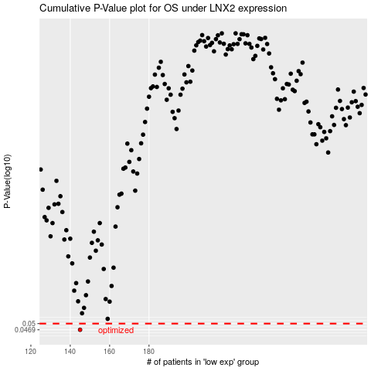

 |  |  |  |  |  | cases_OS | p_OS | rank | exp
 |  |  |  |  |  | 145 | 0.0469 | 162 | -0.50490188855
 |  |  |  |  |  |  | cases_RFS | p_RFS | rank | exp
 |  |  |  |  |  |  | 144 | 0.0469 | 67 | -0.50506347239

