LOC100009676 _multivariate
Reported by Tex Li-Hsing Chi. tex@gate.sinica.edu.tw 2019-08-18

Table 2. The clinicopathological features of HNSCC cohort and LOC100009676 expression. (Chi square test)
Cutoff at -0.252 (49.8%)
 |  | LOC100009676 expression |  | LOC100009676 expression |  | (Optimised)
 | Features | Low | (%) | High | (%) | Case no | P-value | Remark | Matthews
Gender | Female | 147 | 35.4 | 159 | 38.3 | 415 | 0.2523 | 0 | 0
2 | Male | 60 | 14.5 | 49 | 11.8
Age at diagnosis | <=65y | 144 | 34.7 | 130 | 31.3 | 415 | 0.1568 | 0 | 0
4 | >65y | 63 | 15.2 | 78 | 18.8
Clinical T Status | T1+T2 | 83 | 20 | 66 | 15.9 | 415 | 0.0941 | 0 | 0
6 | T3+T4 | 124 | 29.9 | 142 | 34.2
Clinical N Status | N0 | 100 | 24.1 | 116 | 28 | 415 | 0.1548 | 0 | 0
8 | N1-3 | 107 | 25.8 | 92 | 22.2
Clinical M Status | M0 | 206 | 49.6 | 206 | 49.6 | 415 | 1 | 0 | 0
10 | M1 | 1 | 0.2 | 2 | 0.5
Clinical Stage | Stage I+II | 56 | 13.5 | 46 | 11.1 | 415 | 0.2918 | 0 | 0
12 | Stage III+IV | 151 | 36.4 | 162 | 39
Surgical Margin status | Negative | 153 | 36.9 | 165 | 39.8 | 415 | 0.2036 | 0 | 0
14 | Positive | 54 | 13 | 43 | 10.4
Tobacco Exposure | Low | 83 | 20 | 78 | 18.8 | 415 | 0.6152 | 0 | 0
16 | High | 124 | 29.9 | 130 | 31.3

Table 3. Univariate/Multivariate Cox's proportional hazards regression analyses on OS time of LOC100009676 gene expression in HNSCC

 |  | Univariate |  |  |  | Multivariate
 | Features | HR | CI95%(L) | CI95%(H) | P-value | HR | CI95%(L) | CI95%(H) | P-value
1 | Female | 1 |  |  |  | 1
Gender | Male | 1.157 | 0.843 | 1.587 | 0.367 | 1.198 | 0.857 | 1.674 | 0.291
11 | <=65y | 1 |  |  |  | 1
Age at diagnosis | >65y | 1.329 | 0.99 | 1.784 | 0.058 | 1.414 | 1.035 | 1.932 | 0.029
12 | T1+T2 | 1 |  |  |  | 1
Clinical T Status | T3+T4 | 1.409 | 1.028 | 1.931 | 0.033 | 2.21 | 1.169 | 4.179 | 0.015
13 | N0 | 1 |  |  |  | 1
Clinical N Status | N1-3 | 1.185 | 0.89 | 1.577 | 0.246 | 1.226 | 0.857 | 1.753 | 0.264
14 | M0 | 1 |  |  |  | 1
Clinical M Status | M1 | 4.097 | 1.009 | 16.644 | 0.049 | 9.722 | 2.113 | 44.735 | 0.003
15 | Stage I+II | 1 |  |  |  | 1
Clinical Stage | Stage III+IV | 1.245 | 0.882 | 1.759 | 0.213 | 0.51 | 0.237 | 1.096 | 0.085
16 | Negative | 1 |  |  |  | 1
Surgical Margin status | Positive | 1.591 | 1.155 | 2.191 | 0.004 | 1.654 | 1.195 | 2.289 | 0.002
17 | Low | 1 |  |  |  | 1
Tobacco Exposure | High | 1.364 | 1.008 | 1.844 | 0.044 | 1.461 | 1.06 | 2.015 | 0.021
18 | Low | 1 |  |  |  | 1
RNAseq(z-score) | High | 0.951 | 0.713 | 1.267 | 0.73 | 0.913 | 0.678 | 1.231 | 0.552

Table 4. Univariate/Multivariate Cox's proportional hazards regression analyses on RFS time of LOC100009676 gene expression in HNSCC

 |  | Univariate |  |  |  | Multivariate
 | Features | HR | CI95%(L) | CI95%(H) | P-value | HR | CI95%(L) | CI95%(H) | P-value
1 | Female | 1 |  |  |  | 1
Gender | Male | 1.157 | 0.843 | 1.587 | 0.367 | 1.198 | 0.857 | 1.674 | 0.291
11 | <=65y | 1 |  |  |  | 1
Age at diagnosis | >65y | 1.329 | 0.99 | 1.784 | 0.058 | 1.414 | 1.035 | 1.932 | 0.029
12 | T1+T2 | 1 |  |  |  | 1
Clinical T Status | T3+T4 | 1.409 | 1.028 | 1.931 | 0.033 | 2.21 | 1.169 | 4.179 | 0.015
13 | N0 | 1 |  |  |  | 1
Clinical N Status | N1-3 | 1.185 | 0.89 | 1.577 | 0.246 | 1.226 | 0.857 | 1.753 | 0.264
14 | M0 | 1 |  |  |  | 1
Clinical M Status | M1 | 4.097 | 1.009 | 16.644 | 0.049 | 9.722 | 2.113 | 44.735 | 0.003
15 | Stage I+II | 1 |  |  |  | 1
Clinical Stage | Stage III+IV | 1.245 | 0.882 | 1.759 | 0.213 | 0.51 | 0.237 | 1.096 | 0.085
16 | Negative | 1 |  |  |  | 1
Surgical Margin status | Positive | 1.591 | 1.155 | 2.191 | 0.004 | 1.654 | 1.195 | 2.289 | 0.002
17 | Low | 1 |  |  |  | 1
Tobacco Exposure | High | 1.364 | 1.008 | 1.844 | 0.044 | 1.461 | 1.06 | 2.015 | 0.021
18 | Low | 1 |  |  |  | 1
RNAseq(z-score) | High | 0.951 | 0.713 | 1.267 | 0.73 | 0.913 | 0.678 | 1.231 | 0.552

Kaplan-Meier survival estimate: Cutoff at -0.252 (49.8%)

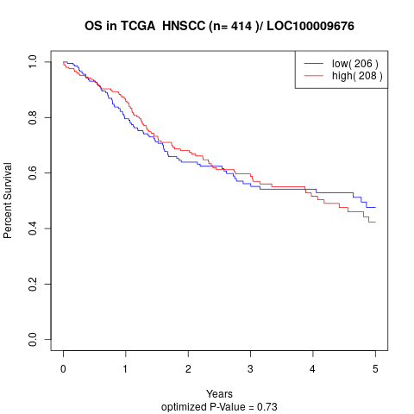

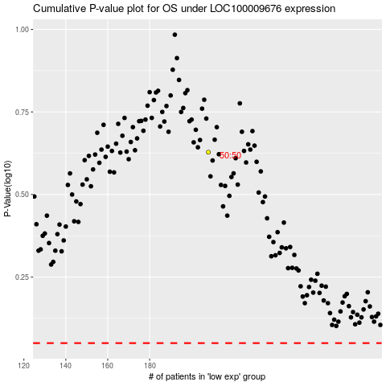

 |  |  |  |  |  | cases_OS | p_OS | rank | exp
 |  |  |  |  |  |  | cases_RFS | p_RFS | rank | exp

