LOC100126784 _multivariate
Reported by Tex Li-Hsing Chi. tex@gate.sinica.edu.tw 2019-08-18

Table 2. The clinicopathological features of HNSCC cohort and LOC100126784 expression. (Chi square test)
Cutoff at -0.28 (50.0%)
 |  | LOC100126784 expression |  | LOC100126784 expression |  | (Optimised)
 | Features | Low | (%) | High | (%) | Case no | P-value | Remark | Matthews
Gender | Female | 162 | 39 | 144 | 34.7 | 415 | 0.0479 | 1 | 0
2 | Male | 45 | 10.8 | 64 | 15.4
Age at diagnosis | <=65y | 136 | 32.8 | 138 | 33.3 | 415 | 0.9719 | 0 | 0
4 | >65y | 71 | 17.1 | 70 | 16.9
Clinical T Status | T1+T2 | 75 | 18.1 | 74 | 17.8 | 415 | 0.9707 | 0 | 0
6 | T3+T4 | 132 | 31.8 | 134 | 32.3
Clinical N Status | N0 | 109 | 26.3 | 107 | 25.8 | 415 | 0.8812 | 0 | 0
8 | N1-3 | 98 | 23.6 | 101 | 24.3
Clinical M Status | M0 | 204 | 49.2 | 208 | 50.1 | 415 | 0.1232 | 0 | 0
10 | M1 | 3 | 0.7 | 0 | 0
Clinical Stage | Stage I+II | 49 | 11.8 | 53 | 12.8 | 415 | 0.7535 | 0 | 0
12 | Stage III+IV | 158 | 38.1 | 155 | 37.3
Surgical Margin status | Negative | 161 | 38.8 | 157 | 37.8 | 415 | 0.6429 | 0 | 0
14 | Positive | 46 | 11.1 | 51 | 12.3
Tobacco Exposure | Low | 74 | 17.8 | 87 | 21 | 415 | 0.227 | 0 | 0
16 | High | 133 | 32 | 121 | 29.2

Table 3. Univariate/Multivariate Cox's proportional hazards regression analyses on OS time of LOC100126784 gene expression in HNSCC

 |  | Univariate |  |  |  | Multivariate
 | Features | HR | CI95%(L) | CI95%(H) | P-value | HR | CI95%(L) | CI95%(H) | P-value
1 | Female | 1 |  |  |  | 1
Gender | Male | 1.157 | 0.843 | 1.587 | 0.367 | 1.211 | 0.865 | 1.693 | 0.264
11 | <=65y | 1 |  |  |  | 1
Age at diagnosis | >65y | 1.329 | 0.99 | 1.784 | 0.058 | 1.396 | 1.027 | 1.898 | 0.033
12 | T1+T2 | 1 |  |  |  | 1
Clinical T Status | T3+T4 | 1.409 | 1.028 | 1.931 | 0.033 | 2.216 | 1.172 | 4.192 | 0.014
13 | N0 | 1 |  |  |  | 1
Clinical N Status | N1-3 | 1.185 | 0.89 | 1.577 | 0.246 | 1.244 | 0.871 | 1.775 | 0.23
14 | M0 | 1 |  |  |  | 1
Clinical M Status | M1 | 4.097 | 1.009 | 16.644 | 0.049 | 9.088 | 1.974 | 41.831 | 0.005
15 | Stage I+II | 1 |  |  |  | 1
Clinical Stage | Stage III+IV | 1.245 | 0.882 | 1.759 | 0.213 | 0.496 | 0.231 | 1.067 | 0.073
16 | Negative | 1 |  |  |  | 1
Surgical Margin status | Positive | 1.591 | 1.155 | 2.191 | 0.004 | 1.678 | 1.214 | 2.319 | 0.002
17 | Low | 1 |  |  |  | 1
Tobacco Exposure | High | 1.364 | 1.008 | 1.844 | 0.044 | 1.447 | 1.05 | 1.994 | 0.024
18 | Low | 1 |  |  |  | 1
RNAseq(z-score) | High | 0.908 | 0.682 | 1.21 | 0.511 | 0.915 | 0.684 | 1.226 | 0.552

Table 4. Univariate/Multivariate Cox's proportional hazards regression analyses on RFS time of LOC100126784 gene expression in HNSCC

 |  | Univariate |  |  |  | Multivariate
 | Features | HR | CI95%(L) | CI95%(H) | P-value | HR | CI95%(L) | CI95%(H) | P-value
1 | Female | 1 |  |  |  | 1
Gender | Male | 1.157 | 0.843 | 1.587 | 0.367 | 1.211 | 0.865 | 1.693 | 0.264
11 | <=65y | 1 |  |  |  | 1
Age at diagnosis | >65y | 1.329 | 0.99 | 1.784 | 0.058 | 1.396 | 1.027 | 1.898 | 0.033
12 | T1+T2 | 1 |  |  |  | 1
Clinical T Status | T3+T4 | 1.409 | 1.028 | 1.931 | 0.033 | 2.216 | 1.172 | 4.192 | 0.014
13 | N0 | 1 |  |  |  | 1
Clinical N Status | N1-3 | 1.185 | 0.89 | 1.577 | 0.246 | 1.244 | 0.871 | 1.775 | 0.23
14 | M0 | 1 |  |  |  | 1
Clinical M Status | M1 | 4.097 | 1.009 | 16.644 | 0.049 | 9.088 | 1.974 | 41.831 | 0.005
15 | Stage I+II | 1 |  |  |  | 1
Clinical Stage | Stage III+IV | 1.245 | 0.882 | 1.759 | 0.213 | 0.496 | 0.231 | 1.067 | 0.073
16 | Negative | 1 |  |  |  | 1
Surgical Margin status | Positive | 1.591 | 1.155 | 2.191 | 0.004 | 1.678 | 1.214 | 2.319 | 0.002
17 | Low | 1 |  |  |  | 1
Tobacco Exposure | High | 1.364 | 1.008 | 1.844 | 0.044 | 1.447 | 1.05 | 1.994 | 0.024
18 | Low | 1 |  |  |  | 1
RNAseq(z-score) | High | 0.908 | 0.682 | 1.21 | 0.511 | 0.915 | 0.684 | 1.226 | 0.552

Kaplan-Meier survival estimate: Cutoff at -0.28 (50.0%)

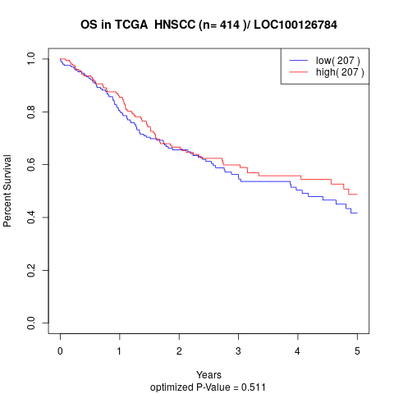

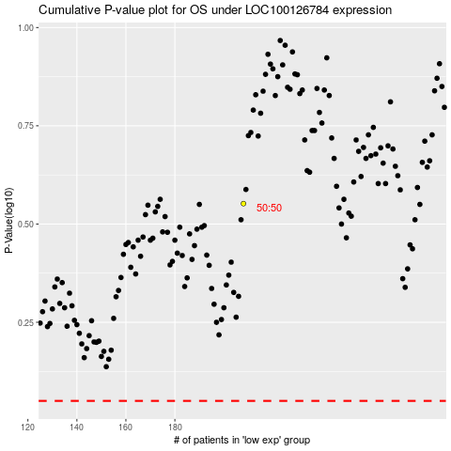

 |  |  |  |  |  | cases_OS | p_OS | rank | exp
 |  |  |  |  |  |  | cases_RFS | p_RFS | rank | exp

