LOC100128191 _multivariate
Reported by Tex Li-Hsing Chi. tex@gate.sinica.edu.tw 2019-08-18

Table 2. The clinicopathological features of HNSCC cohort and LOC100128191 expression. (Chi square test)
Cutoff at -0.201 (49.8%)
 |  | LOC100128191 expression |  | LOC100128191 expression |  | (Optimised)
 | Features | Low | (%) | High | (%) | Case no | P-value | Remark | Matthews
Gender | Female | 146 | 35.2 | 160 | 38.6 | 415 | 0.1714 | 0 | 0
2 | Male | 61 | 14.7 | 48 | 11.6
Age at diagnosis | <=65y | 141 | 34 | 133 | 32 | 415 | 0.4272 | 0 | 0
4 | >65y | 66 | 15.9 | 75 | 18.1
Clinical T Status | T1+T2 | 68 | 16.4 | 81 | 19.5 | 415 | 0.2336 | 0 | 0
6 | T3+T4 | 139 | 33.5 | 127 | 30.6
Clinical N Status | N0 | 110 | 26.5 | 106 | 25.5 | 415 | 0.7294 | 0 | 0
8 | N1-3 | 97 | 23.4 | 102 | 24.6
Clinical M Status | M0 | 207 | 49.9 | 205 | 49.4 | 415 | 0.2482 | 0 | 0
10 | M1 | 0 | 0 | 3 | 0.7
Clinical Stage | Stage I+II | 53 | 12.8 | 49 | 11.8 | 415 | 0.7113 | 0 | 0
12 | Stage III+IV | 154 | 37.1 | 159 | 38.3
Surgical Margin status | Negative | 165 | 39.8 | 153 | 36.9 | 415 | 0.1639 | 0 | 0
14 | Positive | 42 | 10.1 | 55 | 13.3
Tobacco Exposure | Low | 80 | 19.3 | 81 | 19.5 | 415 | 1 | 0 | 0
16 | High | 127 | 30.6 | 127 | 30.6

Table 3. Univariate/Multivariate Cox's proportional hazards regression analyses on OS time of LOC100128191 gene expression in HNSCC

 |  | Univariate |  |  |  | Multivariate
 | Features | HR | CI95%(L) | CI95%(H) | P-value | HR | CI95%(L) | CI95%(H) | P-value
1 | Female | 1 |  |  |  | 1
Gender | Male | 1.157 | 0.843 | 1.587 | 0.367 | 1.246 | 0.889 | 1.746 | 0.201
11 | <=65y | 1 |  |  |  | 1
Age at diagnosis | >65y | 1.329 | 0.99 | 1.784 | 0.058 | 1.37 | 1.007 | 1.863 | 0.045
12 | T1+T2 | 1 |  |  |  | 1
Clinical T Status | T3+T4 | 1.409 | 1.028 | 1.931 | 0.033 | 2.345 | 1.234 | 4.458 | 0.009
13 | N0 | 1 |  |  |  | 1
Clinical N Status | N1-3 | 1.185 | 0.89 | 1.577 | 0.246 | 1.264 | 0.885 | 1.807 | 0.198
14 | M0 | 1 |  |  |  | 1
Clinical M Status | M1 | 4.097 | 1.009 | 16.644 | 0.049 | 8.916 | 1.941 | 40.951 | 0.005
15 | Stage I+II | 1 |  |  |  | 1
Clinical Stage | Stage III+IV | 1.245 | 0.882 | 1.759 | 0.213 | 0.467 | 0.216 | 1.009 | 0.053
16 | Negative | 1 |  |  |  | 1
Surgical Margin status | Positive | 1.591 | 1.155 | 2.191 | 0.004 | 1.659 | 1.2 | 2.294 | 0.002
17 | Low | 1 |  |  |  | 1
Tobacco Exposure | High | 1.364 | 1.008 | 1.844 | 0.044 | 1.447 | 1.051 | 1.992 | 0.024
18 | Low | 1 |  |  |  | 1
RNAseq(z-score) | High | 1.239 | 0.927 | 1.657 | 0.148 | 1.263 | 0.936 | 1.704 | 0.126

Table 4. Univariate/Multivariate Cox's proportional hazards regression analyses on RFS time of LOC100128191 gene expression in HNSCC

 |  | Univariate |  |  |  | Multivariate
 | Features | HR | CI95%(L) | CI95%(H) | P-value | HR | CI95%(L) | CI95%(H) | P-value
1 | Female | 1 |  |  |  | 1
Gender | Male | 1.157 | 0.843 | 1.587 | 0.367 | 1.246 | 0.889 | 1.746 | 0.201
11 | <=65y | 1 |  |  |  | 1
Age at diagnosis | >65y | 1.329 | 0.99 | 1.784 | 0.058 | 1.37 | 1.007 | 1.863 | 0.045
12 | T1+T2 | 1 |  |  |  | 1
Clinical T Status | T3+T4 | 1.409 | 1.028 | 1.931 | 0.033 | 2.345 | 1.234 | 4.458 | 0.009
13 | N0 | 1 |  |  |  | 1
Clinical N Status | N1-3 | 1.185 | 0.89 | 1.577 | 0.246 | 1.264 | 0.885 | 1.807 | 0.198
14 | M0 | 1 |  |  |  | 1
Clinical M Status | M1 | 4.097 | 1.009 | 16.644 | 0.049 | 8.916 | 1.941 | 40.951 | 0.005
15 | Stage I+II | 1 |  |  |  | 1
Clinical Stage | Stage III+IV | 1.245 | 0.882 | 1.759 | 0.213 | 0.467 | 0.216 | 1.009 | 0.053
16 | Negative | 1 |  |  |  | 1
Surgical Margin status | Positive | 1.591 | 1.155 | 2.191 | 0.004 | 1.659 | 1.2 | 2.294 | 0.002
17 | Low | 1 |  |  |  | 1
Tobacco Exposure | High | 1.364 | 1.008 | 1.844 | 0.044 | 1.447 | 1.051 | 1.992 | 0.024
18 | Low | 1 |  |  |  | 1
RNAseq(z-score) | High | 1.239 | 0.927 | 1.657 | 0.148 | 1.263 | 0.936 | 1.704 | 0.126

Kaplan-Meier survival estimate: Cutoff at -0.201 (49.8%)

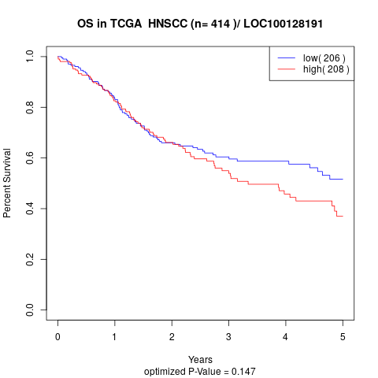

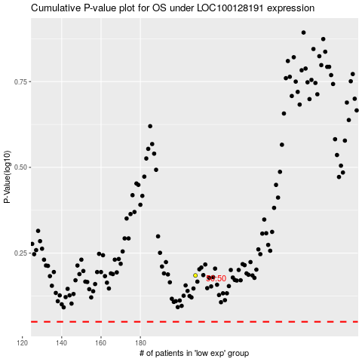

 |  |  |  |  |  | cases_OS | p_OS | rank | exp
 |  |  |  |  |  |  | cases_RFS | p_RFS | rank | exp

