LOC100128239 _multivariate
Reported by Tex Li-Hsing Chi. tex@gate.sinica.edu.tw 2019-08-18

Table 2. The clinicopathological features of HNSCC cohort and LOC100128239 expression. (Chi square test)
Cutoff at -0.017 (68.1%)
 |  | LOC100128239 expression |  | LOC100128239 expression |  | (Optimised)
 | Features | Low | (%) | High | (%) | Case no | P-value | Remark | Matthews
Gender | Female | 208 | 50.1 | 98 | 23.6 | 415 | 1 | 0 | 0
2 | Male | 74 | 17.8 | 35 | 8.4
Age at diagnosis | <=65y | 174 | 41.9 | 100 | 24.1 | 415 | 0.0094 | 1 | 0
4 | >65y | 108 | 26 | 33 | 8
Clinical T Status | T1+T2 | 90 | 21.7 | 59 | 14.2 | 415 | 0.0184 | 1 | 0
6 | T3+T4 | 192 | 46.3 | 74 | 17.8
Clinical N Status | N0 | 137 | 33 | 79 | 19 | 415 | 0.0508 | 0 | 0
8 | N1-3 | 145 | 34.9 | 54 | 13
Clinical M Status | M0 | 280 | 67.5 | 132 | 31.8 | 415 | 1 | 0 | 0
10 | M1 | 2 | 0.5 | 1 | 0.2
Clinical Stage | Stage I+II | 60 | 14.5 | 42 | 10.1 | 415 | 0.0313 | 1 | 0
12 | Stage III+IV | 222 | 53.5 | 91 | 21.9
Surgical Margin status | Negative | 215 | 51.8 | 103 | 24.8 | 415 | 0.9011 | 0 | 0
14 | Positive | 67 | 16.1 | 30 | 7.2
Tobacco Exposure | Low | 104 | 25.1 | 57 | 13.7 | 415 | 0.2805 | 0 | 0
16 | High | 178 | 42.9 | 76 | 18.3

Table 3. Univariate/Multivariate Cox's proportional hazards regression analyses on OS time of LOC100128239 gene expression in HNSCC

 |  | Univariate |  |  |  | Multivariate
 | Features | HR | CI95%(L) | CI95%(H) | P-value | HR | CI95%(L) | CI95%(H) | P-value
1 | Female | 1 |  |  |  | 1
Gender | Male | 1.157 | 0.843 | 1.587 | 0.367 | 1.235 | 0.881 | 1.73 | 0.221
11 | <=65y | 1 |  |  |  | 1
Age at diagnosis | >65y | 1.329 | 0.99 | 1.784 | 0.058 | 1.306 | 0.957 | 1.784 | 0.093
12 | T1+T2 | 1 |  |  |  | 1
Clinical T Status | T3+T4 | 1.409 | 1.028 | 1.931 | 0.033 | 2.087 | 1.102 | 3.952 | 0.024
13 | N0 | 1 |  |  |  | 1
Clinical N Status | N1-3 | 1.185 | 0.89 | 1.577 | 0.246 | 1.164 | 0.812 | 1.667 | 0.408
14 | M0 | 1 |  |  |  | 1
Clinical M Status | M1 | 4.097 | 1.009 | 16.644 | 0.049 | 9.681 | 2.111 | 44.405 | 0.003
15 | Stage I+II | 1 |  |  |  | 1
Clinical Stage | Stage III+IV | 1.245 | 0.882 | 1.759 | 0.213 | 0.516 | 0.241 | 1.107 | 0.089
16 | Negative | 1 |  |  |  | 1
Surgical Margin status | Positive | 1.591 | 1.155 | 2.191 | 0.004 | 1.716 | 1.24 | 2.374 | 0.001
17 | Low | 1 |  |  |  | 1
Tobacco Exposure | High | 1.364 | 1.008 | 1.844 | 0.044 | 1.434 | 1.037 | 1.981 | 0.029
18 | Low | 1 |  |  |  | 1
RNAseq(z-score) | High | 0.615 | 0.442 | 0.856 | 0.004 | 0.658 | 0.467 | 0.927 | 0.017

Table 4. Univariate/Multivariate Cox's proportional hazards regression analyses on RFS time of LOC100128239 gene expression in HNSCC

 |  | Univariate |  |  |  | Multivariate
 | Features | HR | CI95%(L) | CI95%(H) | P-value | HR | CI95%(L) | CI95%(H) | P-value
1 | Female | 1 |  |  |  | 1
Gender | Male | 1.157 | 0.843 | 1.587 | 0.367 | 1.235 | 0.881 | 1.73 | 0.221
11 | <=65y | 1 |  |  |  | 1
Age at diagnosis | >65y | 1.329 | 0.99 | 1.784 | 0.058 | 1.306 | 0.957 | 1.784 | 0.093
12 | T1+T2 | 1 |  |  |  | 1
Clinical T Status | T3+T4 | 1.409 | 1.028 | 1.931 | 0.033 | 2.087 | 1.102 | 3.952 | 0.024
13 | N0 | 1 |  |  |  | 1
Clinical N Status | N1-3 | 1.185 | 0.89 | 1.577 | 0.246 | 1.164 | 0.812 | 1.667 | 0.408
14 | M0 | 1 |  |  |  | 1
Clinical M Status | M1 | 4.097 | 1.009 | 16.644 | 0.049 | 9.681 | 2.111 | 44.405 | 0.003
15 | Stage I+II | 1 |  |  |  | 1
Clinical Stage | Stage III+IV | 1.245 | 0.882 | 1.759 | 0.213 | 0.516 | 0.241 | 1.107 | 0.089
16 | Negative | 1 |  |  |  | 1
Surgical Margin status | Positive | 1.591 | 1.155 | 2.191 | 0.004 | 1.716 | 1.24 | 2.374 | 0.001
17 | Low | 1 |  |  |  | 1
Tobacco Exposure | High | 1.364 | 1.008 | 1.844 | 0.044 | 1.434 | 1.037 | 1.981 | 0.029
18 | Low | 1 |  |  |  | 1
RNAseq(z-score) | High | 0.615 | 0.442 | 0.856 | 0.004 | 0.658 | 0.467 | 0.927 | 0.017

Kaplan-Meier survival estimate: Cutoff at -0.017 (68.1%)

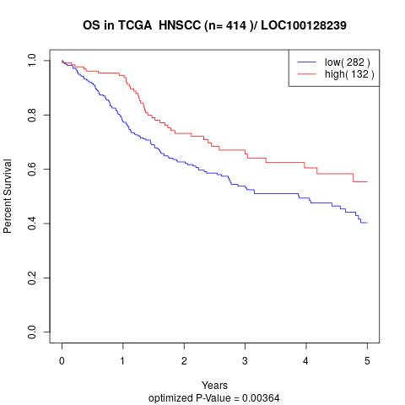

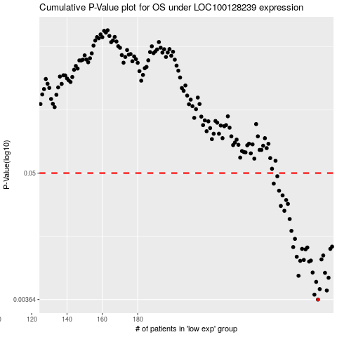

 |  |  |  |  |  | cases_OS | p_OS | rank | exp
 |  |  |  |  |  | 282 | 0.00364 | 288 | -0.017233359697
 |  |  |  |  |  | 280 | 0.00403 | 150 | -0.023164792219
 |  |  |  |  |  | 287 | 0.00439 | 126 | 0.0058673884346
 |  |  |  |  |  | 283 | 0.00452 | 219 | -0.016030564236
 |  |  |  |  |  | 281 | 0.00525 | 339 | -0.019273395137
 |  |  |  |  |  | 288 | 0.00572 | 205 | 0.005914556884
 |  |  |  |  |  | 271 | 0.00596 | 50 | -0.10040312824
 |  |  |  |  |  | 286 | 0.00633 | 54 | -0.0035191330116
 |  |  |  |  |  | 279 | 0.00637 | 108 | -0.032421600429
 |  |  |  |  |  | 277 | 0.008 | 13 | -0.044508515608
 |  |  |  |  |  | 272 | 0.00812 | 130 | -0.09925929334
 |  |  |  |  |  | 278 | 0.00816 | 209 | -0.040640702751
 |  |  |  |  |  | 274 | 0.00827 | 392 | -0.084424815979
 |  |  |  |  |  | 284 | 0.00836 | 98 | -0.015806514101
 |  |  |  |  |  | 270 | 0.00883 | 379 | -0.10048567303
 |  |  |  |  |  | 285 | 0.00907 | 123 | -0.011136837602
 |  |  |  |  |  | 275 | 0.0103 | 356 | -0.060581164768
 |  |  |  |  |  | 289 | 0.0104 | 315 | 0.0075654526158
 |  |  |  |  |  | 273 | 0.0104 | 323 | -0.085875245801
 |  |  |  |  |  | 276 | 0.0107 | 180 | -0.05178424894
 |  |  |  |  |  | 268 | 0.0108 | 310 | -0.10521431009
 |  |  |  |  |  | 290 | 0.0109 | 140 | 0.009711617067
 |  |  |  |  |  | 269 | 0.0128 | 113 | -0.10300918507
 |  |  |  |  |  | 267 | 0.0151 | 52 | -0.1119004378
 |  |  |  |  |  | 266 | 0.0193 | 411 | -0.11734839371
 |  |  |  |  |  | 263 | 0.0229 | 402 | -0.1320177815
 |  |  |  |  |  | 261 | 0.0253 | 59 | -0.1371591425
 |  |  |  |  |  | 265 | 0.0264 | 227 | -0.11852760495
 |  |  |  |  |  | 264 | 0.0286 | 279 | -0.12666416249
 |  |  |  |  |  | 262 | 0.0315 | 308 | -0.13359792456
 |  |  |  |  |  | 260 | 0.0347 | 114 | -0.14136892661
 |  |  |  |  |  | 257 | 0.0402 | 230 | -0.16172211256
 |  |  |  |  |  | 259 | 0.0468 | 68 | -0.14536645271
 |  |  |  |  |  |  | cases_RFS | p_RFS | rank | exp
 |  |  |  |  |  |  | 281 | 0.00364 | 339 | -0.019273395137
 |  |  |  |  |  |  | 279 | 0.00403 | 108 | -0.032421600429
 |  |  |  |  |  |  | 286 | 0.00439 | 54 | -0.0035191330116
 |  |  |  |  |  |  | 282 | 0.00452 | 288 | -0.017233359697
 |  |  |  |  |  |  | 280 | 0.00525 | 150 | -0.023164792219
 |  |  |  |  |  |  | 287 | 0.00572 | 126 | 0.0058673884346
 |  |  |  |  |  |  | 270 | 0.00596 | 379 | -0.10048567303
 |  |  |  |  |  |  | 285 | 0.00633 | 123 | -0.011136837602
 |  |  |  |  |  |  | 278 | 0.00637 | 209 | -0.040640702751
 |  |  |  |  |  |  | 276 | 0.008 | 180 | -0.05178424894
 |  |  |  |  |  |  | 271 | 0.00812 | 50 | -0.10040312824
 |  |  |  |  |  |  | 277 | 0.00816 | 13 | -0.044508515608
 |  |  |  |  |  |  | 273 | 0.00827 | 323 | -0.085875245801
 |  |  |  |  |  |  | 283 | 0.00836 | 219 | -0.016030564236
 |  |  |  |  |  |  | 269 | 0.00883 | 113 | -0.10300918507
 |  |  |  |  |  |  | 284 | 0.00907 | 98 | -0.015806514101
 |  |  |  |  |  |  | 274 | 0.0103 | 392 | -0.084424815979
 |  |  |  |  |  |  | 272 | 0.0104 | 130 | -0.09925929334
 |  |  |  |  |  |  | 288 | 0.0104 | 205 | 0.005914556884
 |  |  |  |  |  |  | 275 | 0.0107 | 356 | -0.060581164768
 |  |  |  |  |  |  | 267 | 0.0108 | 52 | -0.1119004378
 |  |  |  |  |  |  | 289 | 0.0109 | 315 | 0.0075654526158
 |  |  |  |  |  |  | 268 | 0.0128 | 310 | -0.10521431009
 |  |  |  |  |  |  | 266 | 0.0151 | 411 | -0.11734839371
 |  |  |  |  |  |  | 265 | 0.0193 | 227 | -0.11852760495
 |  |  |  |  |  |  | 262 | 0.0229 | 308 | -0.13359792456
 |  |  |  |  |  |  | 260 | 0.0253 | 114 | -0.14136892661
 |  |  |  |  |  |  | 264 | 0.0264 | 279 | -0.12666416249
 |  |  |  |  |  |  | 263 | 0.0286 | 402 | -0.1320177815
 |  |  |  |  |  |  | 261 | 0.0315 | 59 | -0.1371591425
 |  |  |  |  |  |  | 259 | 0.0347 | 68 | -0.14536645271
 |  |  |  |  |  |  | 256 | 0.0402 | 79 | -0.16571963866
 |  |  |  |  |  |  | 258 | 0.0468 | 224 | -0.1548001426

