LOC100128292 _multivariate
Reported by Tex Li-Hsing Chi. tex@gate.sinica.edu.tw 2019-08-18

Table 2. The clinicopathological features of HNSCC cohort and LOC100128292 expression. (Chi square test)
Cutoff at -0.275 (49.8%)
 |  | LOC100128292 expression |  | LOC100128292 expression |  | (Optimised)
 | Features | Low | (%) | High | (%) | Case no | P-value | Remark | Matthews
Gender | Female | 143 | 34.5 | 163 | 39.3 | 415 | 0.0416 | 1 | 0
2 | Male | 64 | 15.4 | 45 | 10.8
Age at diagnosis | <=65y | 137 | 33 | 137 | 33 | 415 | 1 | 0 | 0
4 | >65y | 70 | 16.9 | 71 | 17.1
Clinical T Status | T1+T2 | 76 | 18.3 | 73 | 17.6 | 415 | 0.8092 | 0 | 0
6 | T3+T4 | 131 | 31.6 | 135 | 32.5
Clinical N Status | N0 | 117 | 28.2 | 99 | 23.9 | 415 | 0.0852 | 1 | 0
8 | N1-3 | 90 | 21.7 | 109 | 26.3
Clinical M Status | M0 | 206 | 49.6 | 206 | 49.6 | 415 | 1 | 0 | 0
10 | M1 | 1 | 0.2 | 2 | 0.5
Clinical Stage | Stage I+II | 58 | 14 | 44 | 10.6 | 415 | 0.131 | 0 | 0
12 | Stage III+IV | 149 | 35.9 | 164 | 39.5
Surgical Margin status | Negative | 165 | 39.8 | 153 | 36.9 | 415 | 0.1639 | 0 | 0
14 | Positive | 42 | 10.1 | 55 | 13.3
Tobacco Exposure | Low | 85 | 20.5 | 76 | 18.3 | 415 | 0.3655 | 0 | 0
16 | High | 122 | 29.4 | 132 | 31.8

Table 3. Univariate/Multivariate Cox's proportional hazards regression analyses on OS time of LOC100128292 gene expression in HNSCC

 |  | Univariate |  |  |  | Multivariate
 | Features | HR | CI95%(L) | CI95%(H) | P-value | HR | CI95%(L) | CI95%(H) | P-value
1 | Female | 1 |  |  |  | 1
Gender | Male | 1.157 | 0.843 | 1.587 | 0.367 | 1.194 | 0.854 | 1.668 | 0.3
11 | <=65y | 1 |  |  |  | 1
Age at diagnosis | >65y | 1.329 | 0.99 | 1.784 | 0.058 | 1.398 | 1.028 | 1.902 | 0.033
12 | T1+T2 | 1 |  |  |  | 1
Clinical T Status | T3+T4 | 1.409 | 1.028 | 1.931 | 0.033 | 2.185 | 1.155 | 4.134 | 0.016
13 | N0 | 1 |  |  |  | 1
Clinical N Status | N1-3 | 1.185 | 0.89 | 1.577 | 0.246 | 1.25 | 0.876 | 1.785 | 0.218
14 | M0 | 1 |  |  |  | 1
Clinical M Status | M1 | 4.097 | 1.009 | 16.644 | 0.049 | 9.427 | 2.057 | 43.209 | 0.004
15 | Stage I+II | 1 |  |  |  | 1
Clinical Stage | Stage III+IV | 1.245 | 0.882 | 1.759 | 0.213 | 0.512 | 0.238 | 1.101 | 0.086
16 | Negative | 1 |  |  |  | 1
Surgical Margin status | Positive | 1.591 | 1.155 | 2.191 | 0.004 | 1.694 | 1.224 | 2.345 | 0.001
17 | Low | 1 |  |  |  | 1
Tobacco Exposure | High | 1.364 | 1.008 | 1.844 | 0.044 | 1.47 | 1.065 | 2.028 | 0.019
18 | Low | 1 |  |  |  | 1
RNAseq(z-score) | High | 0.958 | 0.719 | 1.276 | 0.767 | 0.891 | 0.664 | 1.195 | 0.441

Table 4. Univariate/Multivariate Cox's proportional hazards regression analyses on RFS time of LOC100128292 gene expression in HNSCC

 |  | Univariate |  |  |  | Multivariate
 | Features | HR | CI95%(L) | CI95%(H) | P-value | HR | CI95%(L) | CI95%(H) | P-value
1 | Female | 1 |  |  |  | 1
Gender | Male | 1.157 | 0.843 | 1.587 | 0.367 | 1.194 | 0.854 | 1.668 | 0.3
11 | <=65y | 1 |  |  |  | 1
Age at diagnosis | >65y | 1.329 | 0.99 | 1.784 | 0.058 | 1.398 | 1.028 | 1.902 | 0.033
12 | T1+T2 | 1 |  |  |  | 1
Clinical T Status | T3+T4 | 1.409 | 1.028 | 1.931 | 0.033 | 2.185 | 1.155 | 4.134 | 0.016
13 | N0 | 1 |  |  |  | 1
Clinical N Status | N1-3 | 1.185 | 0.89 | 1.577 | 0.246 | 1.25 | 0.876 | 1.785 | 0.218
14 | M0 | 1 |  |  |  | 1
Clinical M Status | M1 | 4.097 | 1.009 | 16.644 | 0.049 | 9.427 | 2.057 | 43.209 | 0.004
15 | Stage I+II | 1 |  |  |  | 1
Clinical Stage | Stage III+IV | 1.245 | 0.882 | 1.759 | 0.213 | 0.512 | 0.238 | 1.101 | 0.086
16 | Negative | 1 |  |  |  | 1
Surgical Margin status | Positive | 1.591 | 1.155 | 2.191 | 0.004 | 1.694 | 1.224 | 2.345 | 0.001
17 | Low | 1 |  |  |  | 1
Tobacco Exposure | High | 1.364 | 1.008 | 1.844 | 0.044 | 1.47 | 1.065 | 2.028 | 0.019
18 | Low | 1 |  |  |  | 1
RNAseq(z-score) | High | 0.958 | 0.719 | 1.276 | 0.767 | 0.891 | 0.664 | 1.195 | 0.441

Kaplan-Meier survival estimate: Cutoff at -0.275 (49.8%)

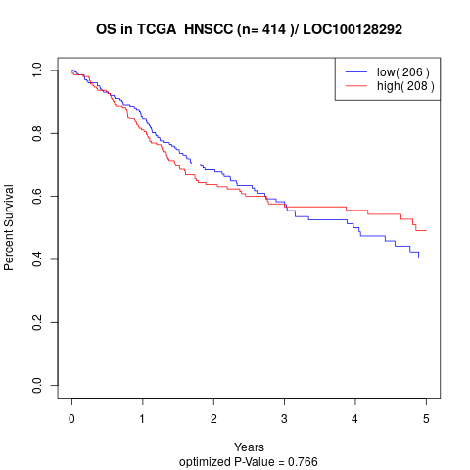

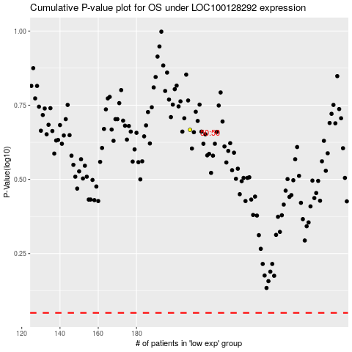

 |  |  |  |  |  | cases_OS | p_OS | rank | exp
 |  |  |  |  |  |  | cases_RFS | p_RFS | rank | exp

