LOC100128822 _multivariate
Reported by Tex Li-Hsing Chi. tex@gate.sinica.edu.tw 2019-08-18

Table 2. The clinicopathological features of HNSCC cohort and LOC100128822 expression. (Chi square test)
Cutoff at -0.634 (31.6%)
 |  | LOC100128822 expression |  | LOC100128822 expression |  | (Optimised)
 | Features | Low | (%) | High | (%) | Case no | P-value | Remark | Matthews
Gender | Female | 93 | 22.4 | 213 | 51.3 | 415 | 0.4579 | 0 | 0
2 | Male | 38 | 9.2 | 71 | 17.1
Age at diagnosis | <=65y | 88 | 21.2 | 186 | 44.8 | 415 | 0.8221 | 0 | 0
4 | >65y | 43 | 10.4 | 98 | 23.6
Clinical T Status | T1+T2 | 54 | 13 | 95 | 22.9 | 415 | 0.1546 | 0 | 0
6 | T3+T4 | 77 | 18.6 | 189 | 45.5
Clinical N Status | N0 | 68 | 16.4 | 148 | 35.7 | 415 | 1 | 0 | 0
8 | N1-3 | 63 | 15.2 | 136 | 32.8
Clinical M Status | M0 | 131 | 31.6 | 281 | 67.7 | 415 | 0.5549 | 0 | 0
10 | M1 | 0 | 0 | 3 | 0.7
Clinical Stage | Stage I+II | 42 | 10.1 | 60 | 14.5 | 415 | 0.0225 | 1 | 0
12 | Stage III+IV | 89 | 21.4 | 224 | 54
Surgical Margin status | Negative | 98 | 23.6 | 220 | 53 | 415 | 0.6178 | 0 | 0
14 | Positive | 33 | 8 | 64 | 15.4
Tobacco Exposure | Low | 53 | 12.8 | 108 | 26 | 415 | 0.6653 | 0 | 0
16 | High | 78 | 18.8 | 176 | 42.4

Table 3. Univariate/Multivariate Cox's proportional hazards regression analyses on OS time of LOC100128822 gene expression in HNSCC

 |  | Univariate |  |  |  | Multivariate
 | Features | HR | CI95%(L) | CI95%(H) | P-value | HR | CI95%(L) | CI95%(H) | P-value
1 | Female | 1 |  |  |  | 1
Gender | Male | 1.157 | 0.843 | 1.587 | 0.367 | 1.186 | 0.848 | 1.66 | 0.318
11 | <=65y | 1 |  |  |  | 1
Age at diagnosis | >65y | 1.329 | 0.99 | 1.784 | 0.058 | 1.425 | 1.048 | 1.938 | 0.024
12 | T1+T2 | 1 |  |  |  | 1
Clinical T Status | T3+T4 | 1.409 | 1.028 | 1.931 | 0.033 | 2.239 | 1.186 | 4.23 | 0.013
13 | N0 | 1 |  |  |  | 1
Clinical N Status | N1-3 | 1.185 | 0.89 | 1.577 | 0.246 | 1.218 | 0.854 | 1.738 | 0.276
14 | M0 | 1 |  |  |  | 1
Clinical M Status | M1 | 4.097 | 1.009 | 16.644 | 0.049 | 11.103 | 2.407 | 51.211 | 0.002
15 | Stage I+II | 1 |  |  |  | 1
Clinical Stage | Stage III+IV | 1.245 | 0.882 | 1.759 | 0.213 | 0.536 | 0.249 | 1.152 | 0.11
16 | Negative | 1 |  |  |  | 1
Surgical Margin status | Positive | 1.591 | 1.155 | 2.191 | 0.004 | 1.667 | 1.206 | 2.304 | 0.002
17 | Low | 1 |  |  |  | 1
Tobacco Exposure | High | 1.364 | 1.008 | 1.844 | 0.044 | 1.51 | 1.093 | 2.087 | 0.012
18 | Low | 1 |  |  |  | 1
RNAseq(z-score) | High | 0.716 | 0.532 | 0.963 | 0.027 | 0.651 | 0.481 | 0.881 | 0.005

Table 4. Univariate/Multivariate Cox's proportional hazards regression analyses on RFS time of LOC100128822 gene expression in HNSCC

 |  | Univariate |  |  |  | Multivariate
 | Features | HR | CI95%(L) | CI95%(H) | P-value | HR | CI95%(L) | CI95%(H) | P-value
1 | Female | 1 |  |  |  | 1
Gender | Male | 1.157 | 0.843 | 1.587 | 0.367 | 1.186 | 0.848 | 1.66 | 0.318
11 | <=65y | 1 |  |  |  | 1
Age at diagnosis | >65y | 1.329 | 0.99 | 1.784 | 0.058 | 1.425 | 1.048 | 1.938 | 0.024
12 | T1+T2 | 1 |  |  |  | 1
Clinical T Status | T3+T4 | 1.409 | 1.028 | 1.931 | 0.033 | 2.239 | 1.186 | 4.23 | 0.013
13 | N0 | 1 |  |  |  | 1
Clinical N Status | N1-3 | 1.185 | 0.89 | 1.577 | 0.246 | 1.218 | 0.854 | 1.738 | 0.276
14 | M0 | 1 |  |  |  | 1
Clinical M Status | M1 | 4.097 | 1.009 | 16.644 | 0.049 | 11.103 | 2.407 | 51.211 | 0.002
15 | Stage I+II | 1 |  |  |  | 1
Clinical Stage | Stage III+IV | 1.245 | 0.882 | 1.759 | 0.213 | 0.536 | 0.249 | 1.152 | 0.11
16 | Negative | 1 |  |  |  | 1
Surgical Margin status | Positive | 1.591 | 1.155 | 2.191 | 0.004 | 1.667 | 1.206 | 2.304 | 0.002
17 | Low | 1 |  |  |  | 1
Tobacco Exposure | High | 1.364 | 1.008 | 1.844 | 0.044 | 1.51 | 1.093 | 2.087 | 0.012
18 | Low | 1 |  |  |  | 1
RNAseq(z-score) | High | 0.716 | 0.532 | 0.963 | 0.027 | 0.651 | 0.481 | 0.881 | 0.005

Kaplan-Meier survival estimate: Cutoff at -0.634 (31.6%)

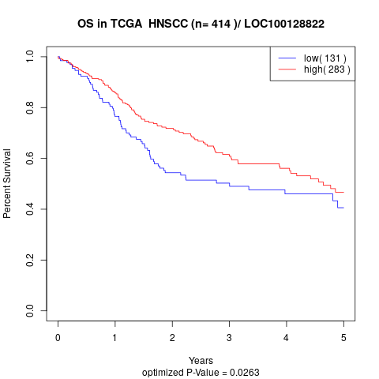

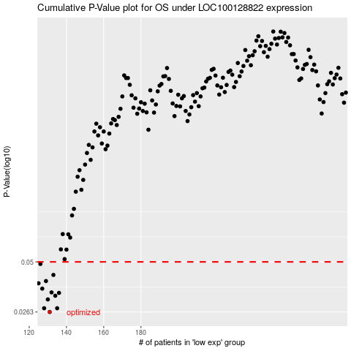

 |  |  |  |  |  | cases_OS | p_OS | rank | exp
 |  |  |  |  |  | 131 | 0.0263 | 42 | -0.63386094558
 |  |  |  |  |  | 128 | 0.0276 | 190 | -0.65294203133
 |  |  |  |  |  | 135 | 0.0276 | 268 | -0.62342744549
 |  |  |  |  |  | 130 | 0.0309 | 244 | -0.63529561368
 |  |  |  |  |  | 134 | 0.0324 | 153 | -0.62398152421
 |  |  |  |  |  | 136 | 0.0336 | 270 | -0.6175650948
 |  |  |  |  |  | 132 | 0.0338 | 174 | -0.62780070963
 |  |  |  |  |  | 127 | 0.0355 | 236 | -0.65646933601
 |  |  |  |  |  | 125 | 0.038 | 132 | -0.66117900509
 |  |  |  |  |  | 129 | 0.0391 | 161 | -0.64029221638
 |  |  |  |  |  | 133 | 0.0423 | 390 | -0.62774876475
 |  |  |  |  |  | 126 | 0.0487 | 204 | -0.65770117172
 |  |  |  |  |  |  | cases_RFS | p_RFS | rank | exp
 |  |  |  |  |  |  | 130 | 0.0263 | 244 | -0.63529561368
 |  |  |  |  |  |  | 134 | 0.0276 | 153 | -0.62398152421
 |  |  |  |  |  |  | 127 | 0.0276 | 236 | -0.65646933601
 |  |  |  |  |  |  | 129 | 0.0309 | 161 | -0.64029221638
 |  |  |  |  |  |  | 133 | 0.0324 | 390 | -0.62774876475
 |  |  |  |  |  |  | 135 | 0.0336 | 268 | -0.62342744549
 |  |  |  |  |  |  | 131 | 0.0338 | 42 | -0.63386094558
 |  |  |  |  |  |  | 126 | 0.0355 | 204 | -0.65770117172
 |  |  |  |  |  |  |  | 0.038 | 79 | -0.67128846807
 |  |  |  |  |  |  | 128 | 0.0391 | 190 | -0.65294203133
 |  |  |  |  |  |  | 132 | 0.0423 | 174 | -0.62780070963
 |  |  |  |  |  |  | 125 | 0.0487 | 132 | -0.66117900509

