LOC100128842 _multivariate
Reported by Tex Li-Hsing Chi. tex@gate.sinica.edu.tw 2019-08-18

Table 2. The clinicopathological features of HNSCC cohort and LOC100128842 expression. (Chi square test)
Cutoff at -0.565 (35.3%)
 |  | LOC100128842 expression |  | LOC100128842 expression |  | (Optimised)
 | Features | Low | (%) | High | (%) | Case no | P-value | Remark | Matthews
Gender | Female | 107 | 25.8 | 199 | 48 | 415 | 0.8355 | 0 | 0
2 | Male | 40 | 9.6 | 69 | 16.6
Age at diagnosis | <=65y | 101 | 24.3 | 173 | 41.7 | 415 | 0.4554 | 0 | 0
4 | >65y | 46 | 11.1 | 95 | 22.9
Clinical T Status | T1+T2 | 54 | 13 | 95 | 22.9 | 415 | 0.8773 | 0 | 0
6 | T3+T4 | 93 | 22.4 | 173 | 41.7
Clinical N Status | N0 | 74 | 17.8 | 142 | 34.2 | 415 | 0.6795 | 0 | 0
8 | N1-3 | 73 | 17.6 | 126 | 30.4
Clinical M Status | M0 | 146 | 35.2 | 266 | 64.1 | 415 | 1 | 0 | 0
10 | M1 | 1 | 0.2 | 2 | 0.5
Clinical Stage | Stage I+II | 35 | 8.4 | 67 | 16.1 | 415 | 0.8806 | 0 | 0
12 | Stage III+IV | 112 | 27 | 201 | 48.4
Surgical Margin status | Negative | 114 | 27.5 | 204 | 49.2 | 415 | 0.8087 | 0 | 0
14 | Positive | 33 | 8 | 64 | 15.4
Tobacco Exposure | Low | 60 | 14.5 | 101 | 24.3 | 415 | 0.5986 | 0 | 0
16 | High | 87 | 21 | 167 | 40.2

Table 3. Univariate/Multivariate Cox's proportional hazards regression analyses on OS time of LOC100128842 gene expression in HNSCC

 |  | Univariate |  |  |  | Multivariate
 | Features | HR | CI95%(L) | CI95%(H) | P-value | HR | CI95%(L) | CI95%(H) | P-value
1 | Female | 1 |  |  |  | 1
Gender | Male | 1.157 | 0.843 | 1.587 | 0.367 | 1.162 | 0.831 | 1.626 | 0.379
11 | <=65y | 1 |  |  |  | 1
Age at diagnosis | >65y | 1.329 | 0.99 | 1.784 | 0.058 | 1.419 | 1.044 | 1.929 | 0.025
12 | T1+T2 | 1 |  |  |  | 1
Clinical T Status | T3+T4 | 1.409 | 1.028 | 1.931 | 0.033 | 2.202 | 1.166 | 4.16 | 0.015
13 | N0 | 1 |  |  |  | 1
Clinical N Status | N1-3 | 1.185 | 0.89 | 1.577 | 0.246 | 1.234 | 0.866 | 1.759 | 0.245
14 | M0 | 1 |  |  |  | 1
Clinical M Status | M1 | 4.097 | 1.009 | 16.644 | 0.049 | 9.075 | 1.98 | 41.605 | 0.005
15 | Stage I+II | 1 |  |  |  | 1
Clinical Stage | Stage III+IV | 1.245 | 0.882 | 1.759 | 0.213 | 0.512 | 0.238 | 1.099 | 0.086
16 | Negative | 1 |  |  |  | 1
Surgical Margin status | Positive | 1.591 | 1.155 | 2.191 | 0.004 | 1.641 | 1.188 | 2.266 | 0.003
17 | Low | 1 |  |  |  | 1
Tobacco Exposure | High | 1.364 | 1.008 | 1.844 | 0.044 | 1.479 | 1.073 | 2.04 | 0.017
18 | Low | 1 |  |  |  | 1
RNAseq(z-score) | High | 0.712 | 0.533 | 0.951 | 0.022 | 0.709 | 0.529 | 0.951 | 0.022

Table 4. Univariate/Multivariate Cox's proportional hazards regression analyses on RFS time of LOC100128842 gene expression in HNSCC

 |  | Univariate |  |  |  | Multivariate
 | Features | HR | CI95%(L) | CI95%(H) | P-value | HR | CI95%(L) | CI95%(H) | P-value
1 | Female | 1 |  |  |  | 1
Gender | Male | 1.157 | 0.843 | 1.587 | 0.367 | 1.162 | 0.831 | 1.626 | 0.379
11 | <=65y | 1 |  |  |  | 1
Age at diagnosis | >65y | 1.329 | 0.99 | 1.784 | 0.058 | 1.419 | 1.044 | 1.929 | 0.025
12 | T1+T2 | 1 |  |  |  | 1
Clinical T Status | T3+T4 | 1.409 | 1.028 | 1.931 | 0.033 | 2.202 | 1.166 | 4.16 | 0.015
13 | N0 | 1 |  |  |  | 1
Clinical N Status | N1-3 | 1.185 | 0.89 | 1.577 | 0.246 | 1.234 | 0.866 | 1.759 | 0.245
14 | M0 | 1 |  |  |  | 1
Clinical M Status | M1 | 4.097 | 1.009 | 16.644 | 0.049 | 9.075 | 1.98 | 41.605 | 0.005
15 | Stage I+II | 1 |  |  |  | 1
Clinical Stage | Stage III+IV | 1.245 | 0.882 | 1.759 | 0.213 | 0.512 | 0.238 | 1.099 | 0.086
16 | Negative | 1 |  |  |  | 1
Surgical Margin status | Positive | 1.591 | 1.155 | 2.191 | 0.004 | 1.641 | 1.188 | 2.266 | 0.003
17 | Low | 1 |  |  |  | 1
Tobacco Exposure | High | 1.364 | 1.008 | 1.844 | 0.044 | 1.479 | 1.073 | 2.04 | 0.017
18 | Low | 1 |  |  |  | 1
RNAseq(z-score) | High | 0.712 | 0.533 | 0.951 | 0.022 | 0.709 | 0.529 | 0.951 | 0.022

Kaplan-Meier survival estimate: Cutoff at -0.565 (35.3%)

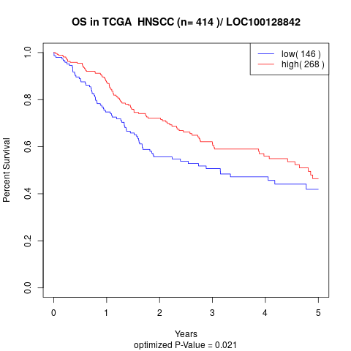

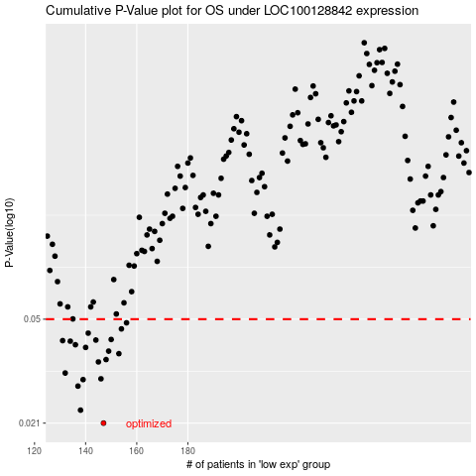

 |  |  |  |  |  | cases_OS | p_OS | rank | exp
 |  |  |  |  |  | 147 | 0.021 | 182 | -0.56479467485
 |  |  |  |  |  | 138 | 0.0234 | 169 | -0.58465339575
 |  |  |  |  |  | 137 | 0.0286 | 215 | -0.58520765549
 |  |  |  |  |  | 139 | 0.0302 | 105 | -0.58391663585
 |  |  |  |  |  | 146 | 0.0304 | 239 | -0.5694923641
 |  |  |  |  |  | 132 | 0.0319 | 205 | -0.59063534537
 |  |  |  |  |  | 145 | 0.035 | 142 | -0.57040486489
 |  |  |  |  |  | 148 | 0.0357 | 19 | -0.56415930393
 |  |  |  |  |  | 153 | 0.0375 | 286 | -0.54263104455
 |  |  |  |  |  | 149 | 0.0383 | 348 | -0.55901550318
 |  |  |  |  |  | 140 | 0.0395 | 8 | -0.58346376509
 |  |  |  |  |  | 136 | 0.0404 | 191 | -0.58599173024
 |  |  |  |  |  | 134 | 0.0416 | 314 | -0.58905367734
 |  |  |  |  |  | 131 | 0.0418 | 117 | -0.59271719903
 |  |  |  |  |  | 144 | 0.042 | 209 | -0.5728246818
 |  |  |  |  |  | 150 | 0.0422 | 177 | -0.55650105656
 |  |  |  |  |  | 141 | 0.0445 | 262 | -0.58262561621
 |  |  |  |  |  | 154 | 0.0461 | 327 | -0.54129271006
 |  |  |  |  |  | 156 | 0.0485 | 175 | -0.53979891247
 |  |  |  |  |  |  | cases_RFS | p_RFS | rank | exp
 |  |  |  |  |  |  | 146 | 0.021 | 239 | -0.5694923641
 |  |  |  |  |  |  | 137 | 0.0234 | 215 | -0.58520765549
 |  |  |  |  |  |  | 136 | 0.0286 | 191 | -0.58599173024
 |  |  |  |  |  |  | 138 | 0.0302 | 169 | -0.58465339575
 |  |  |  |  |  |  | 145 | 0.0304 | 142 | -0.57040486489
 |  |  |  |  |  |  | 131 | 0.0319 | 117 | -0.59271719903
 |  |  |  |  |  |  | 144 | 0.035 | 209 | -0.5728246818
 |  |  |  |  |  |  | 147 | 0.0357 | 182 | -0.56479467485
 |  |  |  |  |  |  | 152 | 0.0375 | 287 | -0.54486160204
 |  |  |  |  |  |  | 148 | 0.0383 | 19 | -0.56415930393
 |  |  |  |  |  |  | 139 | 0.0395 | 105 | -0.58391663585
 |  |  |  |  |  |  | 135 | 0.0404 | 107 | -0.58862784363
 |  |  |  |  |  |  | 133 | 0.0416 | 221 | -0.58929025162
 |  |  |  |  |  |  | 130 | 0.0418 | 80 | -0.59368377394
 |  |  |  |  |  |  | 143 | 0.042 | 214 | -0.58066542933
 |  |  |  |  |  |  | 149 | 0.0422 | 348 | -0.55901550318
 |  |  |  |  |  |  | 140 | 0.0445 | 8 | -0.58346376509
 |  |  |  |  |  |  | 153 | 0.0461 | 286 | -0.54263104455
 |  |  |  |  |  |  | 155 | 0.0485 | 323 | -0.5411102099

