LOC100129034 _multivariate
Reported by Tex Li-Hsing Chi. tex@gate.sinica.edu.tw 2019-08-18

Table 2. The clinicopathological features of HNSCC cohort and LOC100129034 expression. (Chi square test)
Cutoff at -0.208 (49.8%)
 |  | LOC100129034 expression |  | LOC100129034 expression |  | (Optimised)
 | Features | Low | (%) | High | (%) | Case no | P-value | Remark | Matthews
Gender | Female | 152 | 36.6 | 154 | 37.1 | 415 | 0.9766 | 0 | 0
2 | Male | 55 | 13.3 | 54 | 13
Age at diagnosis | <=65y | 141 | 34 | 133 | 32 | 415 | 0.4272 | 0 | 0
4 | >65y | 66 | 15.9 | 75 | 18.1
Clinical T Status | T1+T2 | 75 | 18.1 | 74 | 17.8 | 415 | 0.9707 | 0 | 0
6 | T3+T4 | 132 | 31.8 | 134 | 32.3
Clinical N Status | N0 | 113 | 27.2 | 103 | 24.8 | 415 | 0.3495 | 1 | 0
8 | N1-3 | 94 | 22.7 | 105 | 25.3
Clinical M Status | M0 | 205 | 49.4 | 207 | 49.9 | 415 | 0.6232 | 0 | 0
10 | M1 | 2 | 0.5 | 1 | 0.2
Clinical Stage | Stage I+II | 53 | 12.8 | 49 | 11.8 | 415 | 0.7113 | 0 | 0
12 | Stage III+IV | 154 | 37.1 | 159 | 38.3
Surgical Margin status | Negative | 154 | 37.1 | 164 | 39.5 | 415 | 0.2984 | 0 | 0
14 | Positive | 53 | 12.8 | 44 | 10.6
Tobacco Exposure | Low | 79 | 19 | 82 | 19.8 | 415 | 0.8405 | 0 | 0
16 | High | 128 | 30.8 | 126 | 30.4

Table 3. Univariate/Multivariate Cox's proportional hazards regression analyses on OS time of LOC100129034 gene expression in HNSCC

 |  | Univariate |  |  |  | Multivariate
 | Features | HR | CI95%(L) | CI95%(H) | P-value | HR | CI95%(L) | CI95%(H) | P-value
1 | Female | 1 |  |  |  | 1
Gender | Male | 1.157 | 0.843 | 1.587 | 0.367 | 1.21 | 0.865 | 1.693 | 0.265
11 | <=65y | 1 |  |  |  | 1
Age at diagnosis | >65y | 1.329 | 0.99 | 1.784 | 0.058 | 1.389 | 1.021 | 1.889 | 0.036
12 | T1+T2 | 1 |  |  |  | 1
Clinical T Status | T3+T4 | 1.409 | 1.028 | 1.931 | 0.033 | 2.205 | 1.166 | 4.169 | 0.015
13 | N0 | 1 |  |  |  | 1
Clinical N Status | N1-3 | 1.185 | 0.89 | 1.577 | 0.246 | 1.236 | 0.866 | 1.764 | 0.243
14 | M0 | 1 |  |  |  | 1
Clinical M Status | M1 | 4.097 | 1.009 | 16.644 | 0.049 | 9.662 | 2.098 | 44.484 | 0.004
15 | Stage I+II | 1 |  |  |  | 1
Clinical Stage | Stage III+IV | 1.245 | 0.882 | 1.759 | 0.213 | 0.503 | 0.234 | 1.08 | 0.078
16 | Negative | 1 |  |  |  | 1
Surgical Margin status | Positive | 1.591 | 1.155 | 2.191 | 0.004 | 1.681 | 1.215 | 2.324 | 0.002
17 | Low | 1 |  |  |  | 1
Tobacco Exposure | High | 1.364 | 1.008 | 1.844 | 0.044 | 1.46 | 1.059 | 2.013 | 0.021
18 | Low | 1 |  |  |  | 1
RNAseq(z-score) | High | 1.01 | 0.758 | 1.346 | 0.946 | 1.071 | 0.8 | 1.433 | 0.647

Table 4. Univariate/Multivariate Cox's proportional hazards regression analyses on RFS time of LOC100129034 gene expression in HNSCC

 |  | Univariate |  |  |  | Multivariate
 | Features | HR | CI95%(L) | CI95%(H) | P-value | HR | CI95%(L) | CI95%(H) | P-value
1 | Female | 1 |  |  |  | 1
Gender | Male | 1.157 | 0.843 | 1.587 | 0.367 | 1.21 | 0.865 | 1.693 | 0.265
11 | <=65y | 1 |  |  |  | 1
Age at diagnosis | >65y | 1.329 | 0.99 | 1.784 | 0.058 | 1.389 | 1.021 | 1.889 | 0.036
12 | T1+T2 | 1 |  |  |  | 1
Clinical T Status | T3+T4 | 1.409 | 1.028 | 1.931 | 0.033 | 2.205 | 1.166 | 4.169 | 0.015
13 | N0 | 1 |  |  |  | 1
Clinical N Status | N1-3 | 1.185 | 0.89 | 1.577 | 0.246 | 1.236 | 0.866 | 1.764 | 0.243
14 | M0 | 1 |  |  |  | 1
Clinical M Status | M1 | 4.097 | 1.009 | 16.644 | 0.049 | 9.662 | 2.098 | 44.484 | 0.004
15 | Stage I+II | 1 |  |  |  | 1
Clinical Stage | Stage III+IV | 1.245 | 0.882 | 1.759 | 0.213 | 0.503 | 0.234 | 1.08 | 0.078
16 | Negative | 1 |  |  |  | 1
Surgical Margin status | Positive | 1.591 | 1.155 | 2.191 | 0.004 | 1.681 | 1.215 | 2.324 | 0.002
17 | Low | 1 |  |  |  | 1
Tobacco Exposure | High | 1.364 | 1.008 | 1.844 | 0.044 | 1.46 | 1.059 | 2.013 | 0.021
18 | Low | 1 |  |  |  | 1
RNAseq(z-score) | High | 1.01 | 0.758 | 1.346 | 0.946 | 1.071 | 0.8 | 1.433 | 0.647

Kaplan-Meier survival estimate: Cutoff at -0.208 (49.8%)

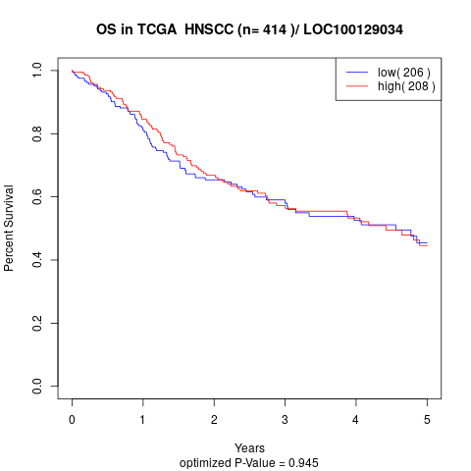

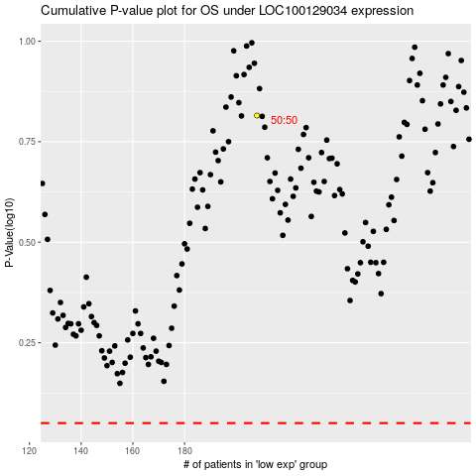

 |  |  |  |  |  | cases_OS | p_OS | rank | exp
 |  |  |  |  |  |  | cases_RFS | p_RFS | rank | exp

