LOC100129550 _multivariate
Reported by Tex Li-Hsing Chi. tex@gate.sinica.edu.tw 2019-08-18

Table 2. The clinicopathological features of HNSCC cohort and LOC100129550 expression. (Chi square test)
Cutoff at -0.213 (50.0%)
 |  | LOC100129550 expression |  | LOC100129550 expression |  | (Optimised)
 | Features | Low | (%) | High | (%) | Case no | P-value | Remark | Matthews
Gender | Female | 153 | 36.9 | 153 | 36.9 | 415 | 1 | 0 | 0
2 | Male | 54 | 13 | 55 | 13.3
Age at diagnosis | <=65y | 135 | 32.5 | 139 | 33.5 | 415 | 0.8084 | 0 | 0
4 | >65y | 72 | 17.3 | 69 | 16.6
Clinical T Status | T1+T2 | 65 | 15.7 | 84 | 20.2 | 415 | 0.0711 | 0 | 0
6 | T3+T4 | 142 | 34.2 | 124 | 29.9
Clinical N Status | N0 | 104 | 25.1 | 112 | 27 | 415 | 0.5243 | 0 | 0
8 | N1-3 | 103 | 24.8 | 96 | 23.1
Clinical M Status | M0 | 206 | 49.6 | 206 | 49.6 | 415 | 1 | 0 | 0
10 | M1 | 1 | 0.2 | 2 | 0.5
Clinical Stage | Stage I+II | 43 | 10.4 | 59 | 14.2 | 415 | 0.0925 | 0 | 0
12 | Stage III+IV | 164 | 39.5 | 149 | 35.9
Surgical Margin status | Negative | 153 | 36.9 | 165 | 39.8 | 415 | 0.2036 | 0 | 0
14 | Positive | 54 | 13 | 43 | 10.4
Tobacco Exposure | Low | 70 | 16.9 | 91 | 21.9 | 415 | 0.0439 | 1 | 0
16 | High | 137 | 33 | 117 | 28.2

Table 3. Univariate/Multivariate Cox's proportional hazards regression analyses on OS time of LOC100129550 gene expression in HNSCC

 |  | Univariate |  |  |  | Multivariate
 | Features | HR | CI95%(L) | CI95%(H) | P-value | HR | CI95%(L) | CI95%(H) | P-value
1 | Female | 1 |  |  |  | 1
Gender | Male | 1.157 | 0.843 | 1.587 | 0.367 | 1.236 | 0.884 | 1.73 | 0.215
11 | <=65y | 1 |  |  |  | 1
Age at diagnosis | >65y | 1.329 | 0.99 | 1.784 | 0.058 | 1.387 | 1.02 | 1.886 | 0.037
12 | T1+T2 | 1 |  |  |  | 1
Clinical T Status | T3+T4 | 1.409 | 1.028 | 1.931 | 0.033 | 2.275 | 1.2 | 4.313 | 0.012
13 | N0 | 1 |  |  |  | 1
Clinical N Status | N1-3 | 1.185 | 0.89 | 1.577 | 0.246 | 1.226 | 0.859 | 1.75 | 0.261
14 | M0 | 1 |  |  |  | 1
Clinical M Status | M1 | 4.097 | 1.009 | 16.644 | 0.049 | 9.582 | 2.088 | 43.967 | 0.004
15 | Stage I+II | 1 |  |  |  | 1
Clinical Stage | Stage III+IV | 1.245 | 0.882 | 1.759 | 0.213 | 0.505 | 0.235 | 1.084 | 0.08
16 | Negative | 1 |  |  |  | 1
Surgical Margin status | Positive | 1.591 | 1.155 | 2.191 | 0.004 | 1.722 | 1.242 | 2.388 | 0.001
17 | Low | 1 |  |  |  | 1
Tobacco Exposure | High | 1.364 | 1.008 | 1.844 | 0.044 | 1.469 | 1.067 | 2.023 | 0.018
18 | Low | 1 |  |  |  | 1
RNAseq(z-score) | High | 1.073 | 0.805 | 1.43 | 0.63 | 1.227 | 0.914 | 1.646 | 0.174

Table 4. Univariate/Multivariate Cox's proportional hazards regression analyses on RFS time of LOC100129550 gene expression in HNSCC

 |  | Univariate |  |  |  | Multivariate
 | Features | HR | CI95%(L) | CI95%(H) | P-value | HR | CI95%(L) | CI95%(H) | P-value
1 | Female | 1 |  |  |  | 1
Gender | Male | 1.157 | 0.843 | 1.587 | 0.367 | 1.236 | 0.884 | 1.73 | 0.215
11 | <=65y | 1 |  |  |  | 1
Age at diagnosis | >65y | 1.329 | 0.99 | 1.784 | 0.058 | 1.387 | 1.02 | 1.886 | 0.037
12 | T1+T2 | 1 |  |  |  | 1
Clinical T Status | T3+T4 | 1.409 | 1.028 | 1.931 | 0.033 | 2.275 | 1.2 | 4.313 | 0.012
13 | N0 | 1 |  |  |  | 1
Clinical N Status | N1-3 | 1.185 | 0.89 | 1.577 | 0.246 | 1.226 | 0.859 | 1.75 | 0.261
14 | M0 | 1 |  |  |  | 1
Clinical M Status | M1 | 4.097 | 1.009 | 16.644 | 0.049 | 9.582 | 2.088 | 43.967 | 0.004
15 | Stage I+II | 1 |  |  |  | 1
Clinical Stage | Stage III+IV | 1.245 | 0.882 | 1.759 | 0.213 | 0.505 | 0.235 | 1.084 | 0.08
16 | Negative | 1 |  |  |  | 1
Surgical Margin status | Positive | 1.591 | 1.155 | 2.191 | 0.004 | 1.722 | 1.242 | 2.388 | 0.001
17 | Low | 1 |  |  |  | 1
Tobacco Exposure | High | 1.364 | 1.008 | 1.844 | 0.044 | 1.469 | 1.067 | 2.023 | 0.018
18 | Low | 1 |  |  |  | 1
RNAseq(z-score) | High | 1.073 | 0.805 | 1.43 | 0.63 | 1.227 | 0.914 | 1.646 | 0.174

Kaplan-Meier survival estimate: Cutoff at -0.213 (50.0%)

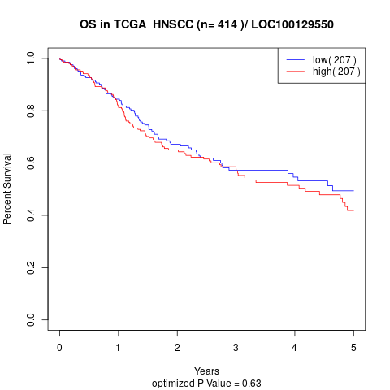

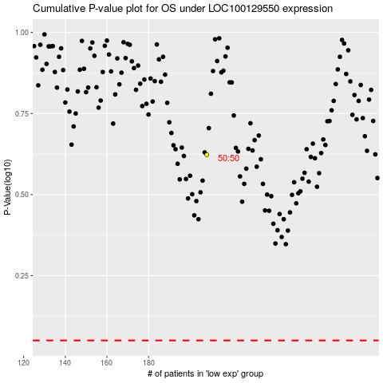

 |  |  |  |  |  | cases_OS | p_OS | rank | exp
 |  |  |  |  |  |  | cases_RFS | p_RFS | rank | exp

