LOC100129637 _multivariate
Reported by Tex Li-Hsing Chi. tex@gate.sinica.edu.tw 2019-08-18

Table 2. The clinicopathological features of HNSCC cohort and LOC100129637 expression. (Chi square test)
Cutoff at -0.216 (49.8%)
 |  | LOC100129637 expression |  | LOC100129637 expression |  | (Optimised)
 | Features | Low | (%) | High | (%) | Case no | P-value | Remark | Matthews
Gender | Female | 142 | 34.2 | 164 | 39.5 | 415 | 0.0238 | 1 | 0
2 | Male | 65 | 15.7 | 44 | 10.6
Age at diagnosis | <=65y | 136 | 32.8 | 138 | 33.3 | 415 | 0.9719 | 0 | 0
4 | >65y | 71 | 17.1 | 70 | 16.9
Clinical T Status | T1+T2 | 74 | 17.8 | 75 | 18.1 | 415 | 1 | 0 | 0
6 | T3+T4 | 133 | 32 | 133 | 32
Clinical N Status | N0 | 109 | 26.3 | 107 | 25.8 | 415 | 0.8812 | 0 | 0
8 | N1-3 | 98 | 23.6 | 101 | 24.3
Clinical M Status | M0 | 207 | 49.9 | 205 | 49.4 | 415 | 0.2482 | 0 | 0
10 | M1 | 0 | 0 | 3 | 0.7
Clinical Stage | Stage I+II | 54 | 13 | 48 | 11.6 | 415 | 0.5498 | 0 | 0
12 | Stage III+IV | 153 | 36.9 | 160 | 38.6
Surgical Margin status | Negative | 158 | 38.1 | 160 | 38.6 | 415 | 0.9081 | 0 | 0
14 | Positive | 49 | 11.8 | 48 | 11.6
Tobacco Exposure | Low | 83 | 20 | 78 | 18.8 | 415 | 0.6152 | 0 | 0
16 | High | 124 | 29.9 | 130 | 31.3

Table 3. Univariate/Multivariate Cox's proportional hazards regression analyses on OS time of LOC100129637 gene expression in HNSCC

 |  | Univariate |  |  |  | Multivariate
 | Features | HR | CI95%(L) | CI95%(H) | P-value | HR | CI95%(L) | CI95%(H) | P-value
1 | Female | 1 |  |  |  | 1
Gender | Male | 1.157 | 0.843 | 1.587 | 0.367 | 1.153 | 0.824 | 1.613 | 0.407
11 | <=65y | 1 |  |  |  | 1
Age at diagnosis | >65y | 1.329 | 0.99 | 1.784 | 0.058 | 1.451 | 1.064 | 1.979 | 0.019
12 | T1+T2 | 1 |  |  |  | 1
Clinical T Status | T3+T4 | 1.409 | 1.028 | 1.931 | 0.033 | 2.204 | 1.167 | 4.163 | 0.015
13 | N0 | 1 |  |  |  | 1
Clinical N Status | N1-3 | 1.185 | 0.89 | 1.577 | 0.246 | 1.278 | 0.895 | 1.825 | 0.178
14 | M0 | 1 |  |  |  | 1
Clinical M Status | M1 | 4.097 | 1.009 | 16.644 | 0.049 | 11.141 | 2.411 | 51.478 | 0.002
15 | Stage I+II | 1 |  |  |  | 1
Clinical Stage | Stage III+IV | 1.245 | 0.882 | 1.759 | 0.213 | 0.5 | 0.233 | 1.072 | 0.075
16 | Negative | 1 |  |  |  | 1
Surgical Margin status | Positive | 1.591 | 1.155 | 2.191 | 0.004 | 1.698 | 1.229 | 2.347 | 0.001
17 | Low | 1 |  |  |  | 1
Tobacco Exposure | High | 1.364 | 1.008 | 1.844 | 0.044 | 1.494 | 1.083 | 2.062 | 0.015
18 | Low | 1 |  |  |  | 1
RNAseq(z-score) | High | 0.775 | 0.581 | 1.035 | 0.084 | 0.71 | 0.528 | 0.955 | 0.023

Table 4. Univariate/Multivariate Cox's proportional hazards regression analyses on RFS time of LOC100129637 gene expression in HNSCC

 |  | Univariate |  |  |  | Multivariate
 | Features | HR | CI95%(L) | CI95%(H) | P-value | HR | CI95%(L) | CI95%(H) | P-value
1 | Female | 1 |  |  |  | 1
Gender | Male | 1.157 | 0.843 | 1.587 | 0.367 | 1.153 | 0.824 | 1.613 | 0.407
11 | <=65y | 1 |  |  |  | 1
Age at diagnosis | >65y | 1.329 | 0.99 | 1.784 | 0.058 | 1.451 | 1.064 | 1.979 | 0.019
12 | T1+T2 | 1 |  |  |  | 1
Clinical T Status | T3+T4 | 1.409 | 1.028 | 1.931 | 0.033 | 2.204 | 1.167 | 4.163 | 0.015
13 | N0 | 1 |  |  |  | 1
Clinical N Status | N1-3 | 1.185 | 0.89 | 1.577 | 0.246 | 1.278 | 0.895 | 1.825 | 0.178
14 | M0 | 1 |  |  |  | 1
Clinical M Status | M1 | 4.097 | 1.009 | 16.644 | 0.049 | 11.141 | 2.411 | 51.478 | 0.002
15 | Stage I+II | 1 |  |  |  | 1
Clinical Stage | Stage III+IV | 1.245 | 0.882 | 1.759 | 0.213 | 0.5 | 0.233 | 1.072 | 0.075
16 | Negative | 1 |  |  |  | 1
Surgical Margin status | Positive | 1.591 | 1.155 | 2.191 | 0.004 | 1.698 | 1.229 | 2.347 | 0.001
17 | Low | 1 |  |  |  | 1
Tobacco Exposure | High | 1.364 | 1.008 | 1.844 | 0.044 | 1.494 | 1.083 | 2.062 | 0.015
18 | Low | 1 |  |  |  | 1
RNAseq(z-score) | High | 0.775 | 0.581 | 1.035 | 0.084 | 0.71 | 0.528 | 0.955 | 0.023

Kaplan-Meier survival estimate: Cutoff at -0.216 (49.8%)

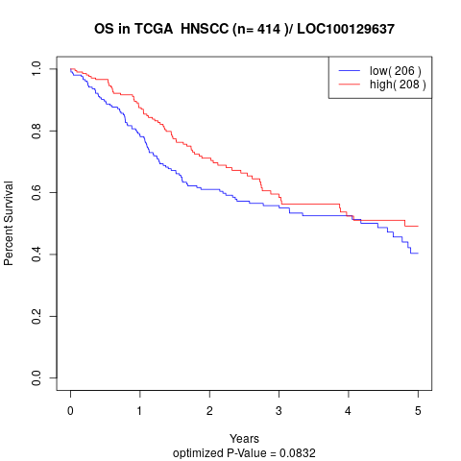

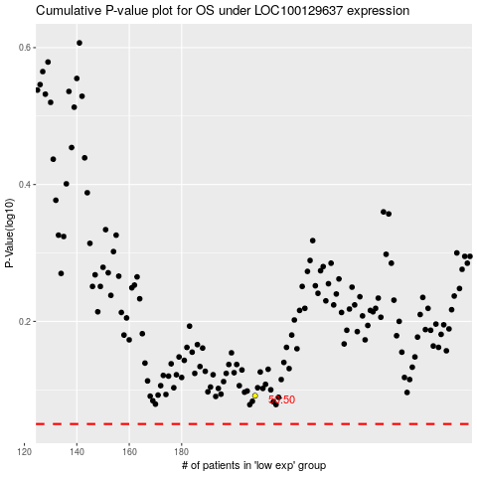

 |  |  |  |  |  | cases_OS | p_OS | rank | exp
 |  |  |  |  |  |  | cases_RFS | p_RFS | rank | exp

