LOC100129726 _multivariate
Reported by Tex Li-Hsing Chi. tex@gate.sinica.edu.tw 2019-08-18

Table 2. The clinicopathological features of HNSCC cohort and LOC100129726 expression. (Chi square test)
Cutoff at -0.502 (36.5%)
 |  | LOC100129726 expression |  | LOC100129726 expression |  | (Optimised)
 | Features | Low | (%) | High | (%) | Case no | P-value | Remark | Matthews
Gender | Female | 103 | 24.8 | 203 | 48.9 | 415 | 0.0691 | 0 | 0
2 | Male | 48 | 11.6 | 61 | 14.7
Age at diagnosis | <=65y | 100 | 24.1 | 174 | 41.9 | 415 | 1 | 0 | 0
4 | >65y | 51 | 12.3 | 90 | 21.7
Clinical T Status | T1+T2 | 56 | 13.5 | 93 | 22.4 | 415 | 0.7845 | 0 | 0
6 | T3+T4 | 95 | 22.9 | 171 | 41.2
Clinical N Status | N0 | 76 | 18.3 | 140 | 33.7 | 415 | 0.6691 | 0 | 0
8 | N1-3 | 75 | 18.1 | 124 | 29.9
Clinical M Status | M0 | 149 | 35.9 | 263 | 63.4 | 415 | 0.3004 | 0 | 0
10 | M1 | 2 | 0.5 | 1 | 0.2
Clinical Stage | Stage I+II | 40 | 9.6 | 62 | 14.9 | 415 | 0.5717 | 0 | 0
12 | Stage III+IV | 111 | 26.7 | 202 | 48.7
Surgical Margin status | Negative | 120 | 28.9 | 198 | 47.7 | 415 | 0.3358 | 0 | 0
14 | Positive | 31 | 7.5 | 66 | 15.9
Tobacco Exposure | Low | 67 | 16.1 | 94 | 22.7 | 415 | 0.0938 | 0 | 0
16 | High | 84 | 20.2 | 170 | 41

Table 3. Univariate/Multivariate Cox's proportional hazards regression analyses on OS time of LOC100129726 gene expression in HNSCC

 |  | Univariate |  |  |  | Multivariate
 | Features | HR | CI95%(L) | CI95%(H) | P-value | HR | CI95%(L) | CI95%(H) | P-value
1 | Female | 1 |  |  |  | 1
Gender | Male | 1.157 | 0.843 | 1.587 | 0.367 | 1.152 | 0.823 | 1.613 | 0.41
11 | <=65y | 1 |  |  |  | 1
Age at diagnosis | >65y | 1.329 | 0.99 | 1.784 | 0.058 | 1.378 | 1.015 | 1.872 | 0.04
12 | T1+T2 | 1 |  |  |  | 1
Clinical T Status | T3+T4 | 1.409 | 1.028 | 1.931 | 0.033 | 2.102 | 1.11 | 3.978 | 0.023
13 | N0 | 1 |  |  |  | 1
Clinical N Status | N1-3 | 1.185 | 0.89 | 1.577 | 0.246 | 1.201 | 0.84 | 1.715 | 0.315
14 | M0 | 1 |  |  |  | 1
Clinical M Status | M1 | 4.097 | 1.009 | 16.644 | 0.049 | 7.781 | 1.681 | 36.012 | 0.009
15 | Stage I+II | 1 |  |  |  | 1
Clinical Stage | Stage III+IV | 1.245 | 0.882 | 1.759 | 0.213 | 0.55 | 0.255 | 1.186 | 0.127
16 | Negative | 1 |  |  |  | 1
Surgical Margin status | Positive | 1.591 | 1.155 | 2.191 | 0.004 | 1.654 | 1.198 | 2.282 | 0.002
17 | Low | 1 |  |  |  | 1
Tobacco Exposure | High | 1.364 | 1.008 | 1.844 | 0.044 | 1.492 | 1.081 | 2.059 | 0.015
18 | Low | 1 |  |  |  | 1
RNAseq(z-score) | High | 0.697 | 0.522 | 0.931 | 0.015 | 0.725 | 0.538 | 0.977 | 0.034

Table 4. Univariate/Multivariate Cox's proportional hazards regression analyses on RFS time of LOC100129726 gene expression in HNSCC

 |  | Univariate |  |  |  | Multivariate
 | Features | HR | CI95%(L) | CI95%(H) | P-value | HR | CI95%(L) | CI95%(H) | P-value
1 | Female | 1 |  |  |  | 1
Gender | Male | 1.157 | 0.843 | 1.587 | 0.367 | 1.152 | 0.823 | 1.613 | 0.41
11 | <=65y | 1 |  |  |  | 1
Age at diagnosis | >65y | 1.329 | 0.99 | 1.784 | 0.058 | 1.378 | 1.015 | 1.872 | 0.04
12 | T1+T2 | 1 |  |  |  | 1
Clinical T Status | T3+T4 | 1.409 | 1.028 | 1.931 | 0.033 | 2.102 | 1.11 | 3.978 | 0.023
13 | N0 | 1 |  |  |  | 1
Clinical N Status | N1-3 | 1.185 | 0.89 | 1.577 | 0.246 | 1.201 | 0.84 | 1.715 | 0.315
14 | M0 | 1 |  |  |  | 1
Clinical M Status | M1 | 4.097 | 1.009 | 16.644 | 0.049 | 7.781 | 1.681 | 36.012 | 0.009
15 | Stage I+II | 1 |  |  |  | 1
Clinical Stage | Stage III+IV | 1.245 | 0.882 | 1.759 | 0.213 | 0.55 | 0.255 | 1.186 | 0.127
16 | Negative | 1 |  |  |  | 1
Surgical Margin status | Positive | 1.591 | 1.155 | 2.191 | 0.004 | 1.654 | 1.198 | 2.282 | 0.002
17 | Low | 1 |  |  |  | 1
Tobacco Exposure | High | 1.364 | 1.008 | 1.844 | 0.044 | 1.492 | 1.081 | 2.059 | 0.015
18 | Low | 1 |  |  |  | 1
RNAseq(z-score) | High | 0.697 | 0.522 | 0.931 | 0.015 | 0.725 | 0.538 | 0.977 | 0.034

Kaplan-Meier survival estimate: Cutoff at -0.502 (36.5%)

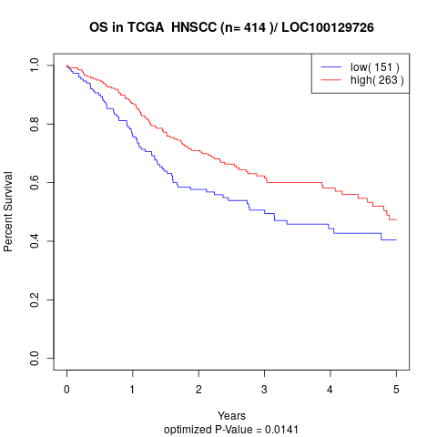

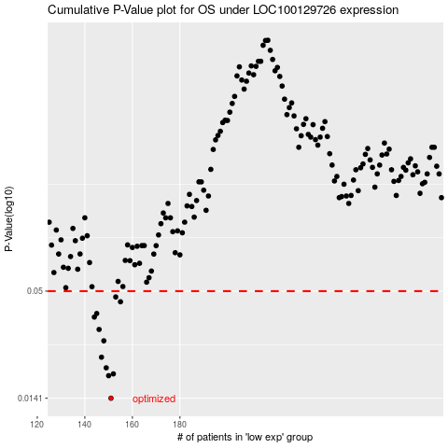

 |  |  |  |  |  | cases_OS | p_OS | rank | exp
 |  |  |  |  |  | 151 | 0.0141 | 40 | -0.50176399185
 |  |  |  |  |  | 150 | 0.0184 | 325 | -0.50372865002
 |  |  |  |  |  | 152 | 0.0188 | 271 | -0.49672260483
 |  |  |  |  |  | 149 | 0.0202 | 254 | -0.50383985709
 |  |  |  |  |  | 147 | 0.0229 | 290 | -0.50721313811
 |  |  |  |  |  | 148 | 0.0278 | 67 | -0.50591572233
 |  |  |  |  |  | 146 | 0.0318 | 364 | -0.51344073383
 |  |  |  |  |  | 144 | 0.0368 | 94 | -0.51792608551
 |  |  |  |  |  | 145 | 0.0384 | 371 | -0.51636918658
 |  |  |  |  |  | 155 | 0.0441 | 134 | -0.49457260155
 |  |  |  |  |  | 153 | 0.0467 | 170 | -0.49661139777
 |  |  |  |  |  |  | cases_RFS | p_RFS | rank | exp
 |  |  |  |  |  |  | 150 | 0.0141 | 325 | -0.50372865002
 |  |  |  |  |  |  | 149 | 0.0184 | 254 | -0.50383985709
 |  |  |  |  |  |  | 151 | 0.0188 | 40 | -0.50176399185
 |  |  |  |  |  |  | 148 | 0.0202 | 67 | -0.50591572233
 |  |  |  |  |  |  | 146 | 0.0229 | 364 | -0.51344073383
 |  |  |  |  |  |  | 147 | 0.0278 | 290 | -0.50721313811
 |  |  |  |  |  |  | 145 | 0.0318 | 371 | -0.51636918658
 |  |  |  |  |  |  | 143 | 0.0368 | 198 | -0.51918643227
 |  |  |  |  |  |  | 144 | 0.0384 | 94 | -0.51792608551
 |  |  |  |  |  |  | 154 | 0.0441 | 163 | -0.4961665695
 |  |  |  |  |  |  | 152 | 0.0467 | 271 | -0.49672260483

