LOC100130015 _multivariate
Reported by Tex Li-Hsing Chi. tex@gate.sinica.edu.tw 2019-08-18

Table 2. The clinicopathological features of HNSCC cohort and LOC100130015 expression. (Chi square test)
Cutoff at -0.349 (49.8%)
 |  | LOC100130015 expression |  | LOC100130015 expression |  | (Optimised)
 | Features | Low | (%) | High | (%) | Case no | P-value | Remark | Matthews
Gender | Female | 140 | 33.7 | 166 | 40 | 415 | 0.0068 | 1 | 0
2 | Male | 67 | 16.1 | 42 | 10.1
Age at diagnosis | <=65y | 135 | 32.5 | 139 | 33.5 | 415 | 0.8084 | 0 | 0
4 | >65y | 72 | 17.3 | 69 | 16.6
Clinical T Status | T1+T2 | 82 | 19.8 | 67 | 16.1 | 415 | 0.1417 | 0 | 0
6 | T3+T4 | 125 | 30.1 | 141 | 34
Clinical N Status | N0 | 101 | 24.3 | 115 | 27.7 | 415 | 0.2201 | 0 | 0
8 | N1-3 | 106 | 25.5 | 93 | 22.4
Clinical M Status | M0 | 206 | 49.6 | 206 | 49.6 | 415 | 1 | 0 | 0
10 | M1 | 1 | 0.2 | 2 | 0.5
Clinical Stage | Stage I+II | 56 | 13.5 | 46 | 11.1 | 415 | 0.2918 | 0 | 0
12 | Stage III+IV | 151 | 36.4 | 162 | 39
Surgical Margin status | Negative | 157 | 37.8 | 161 | 38.8 | 415 | 0.729 | 0 | 0
14 | Positive | 50 | 12 | 47 | 11.3
Tobacco Exposure | Low | 92 | 22.2 | 69 | 16.6 | 415 | 0.0206 | 1 | 0
16 | High | 115 | 27.7 | 139 | 33.5

Table 3. Univariate/Multivariate Cox's proportional hazards regression analyses on OS time of LOC100130015 gene expression in HNSCC

 |  | Univariate |  |  |  | Multivariate
 | Features | HR | CI95%(L) | CI95%(H) | P-value | HR | CI95%(L) | CI95%(H) | P-value
1 | Female | 1 |  |  |  | 1
Gender | Male | 1.157 | 0.843 | 1.587 | 0.367 | 1.166 | 0.832 | 1.635 | 0.373
11 | <=65y | 1 |  |  |  | 1
Age at diagnosis | >65y | 1.329 | 0.99 | 1.784 | 0.058 | 1.406 | 1.033 | 1.915 | 0.03
12 | T1+T2 | 1 |  |  |  | 1
Clinical T Status | T3+T4 | 1.409 | 1.028 | 1.931 | 0.033 | 2.201 | 1.164 | 4.162 | 0.015
13 | N0 | 1 |  |  |  | 1
Clinical N Status | N1-3 | 1.185 | 0.89 | 1.577 | 0.246 | 1.21 | 0.846 | 1.73 | 0.297
14 | M0 | 1 |  |  |  | 1
Clinical M Status | M1 | 4.097 | 1.009 | 16.644 | 0.049 | 9.565 | 2.086 | 43.86 | 0.004
15 | Stage I+II | 1 |  |  |  | 1
Clinical Stage | Stage III+IV | 1.245 | 0.882 | 1.759 | 0.213 | 0.517 | 0.241 | 1.112 | 0.091
16 | Negative | 1 |  |  |  | 1
Surgical Margin status | Positive | 1.591 | 1.155 | 2.191 | 0.004 | 1.661 | 1.202 | 2.294 | 0.002
17 | Low | 1 |  |  |  | 1
Tobacco Exposure | High | 1.364 | 1.008 | 1.844 | 0.044 | 1.501 | 1.083 | 2.078 | 0.015
18 | Low | 1 |  |  |  | 1
RNAseq(z-score) | High | 0.844 | 0.633 | 1.125 | 0.247 | 0.831 | 0.616 | 1.122 | 0.226

Table 4. Univariate/Multivariate Cox's proportional hazards regression analyses on RFS time of LOC100130015 gene expression in HNSCC

 |  | Univariate |  |  |  | Multivariate
 | Features | HR | CI95%(L) | CI95%(H) | P-value | HR | CI95%(L) | CI95%(H) | P-value
1 | Female | 1 |  |  |  | 1
Gender | Male | 1.157 | 0.843 | 1.587 | 0.367 | 1.166 | 0.832 | 1.635 | 0.373
11 | <=65y | 1 |  |  |  | 1
Age at diagnosis | >65y | 1.329 | 0.99 | 1.784 | 0.058 | 1.406 | 1.033 | 1.915 | 0.03
12 | T1+T2 | 1 |  |  |  | 1
Clinical T Status | T3+T4 | 1.409 | 1.028 | 1.931 | 0.033 | 2.201 | 1.164 | 4.162 | 0.015
13 | N0 | 1 |  |  |  | 1
Clinical N Status | N1-3 | 1.185 | 0.89 | 1.577 | 0.246 | 1.21 | 0.846 | 1.73 | 0.297
14 | M0 | 1 |  |  |  | 1
Clinical M Status | M1 | 4.097 | 1.009 | 16.644 | 0.049 | 9.565 | 2.086 | 43.86 | 0.004
15 | Stage I+II | 1 |  |  |  | 1
Clinical Stage | Stage III+IV | 1.245 | 0.882 | 1.759 | 0.213 | 0.517 | 0.241 | 1.112 | 0.091
16 | Negative | 1 |  |  |  | 1
Surgical Margin status | Positive | 1.591 | 1.155 | 2.191 | 0.004 | 1.661 | 1.202 | 2.294 | 0.002
17 | Low | 1 |  |  |  | 1
Tobacco Exposure | High | 1.364 | 1.008 | 1.844 | 0.044 | 1.501 | 1.083 | 2.078 | 0.015
18 | Low | 1 |  |  |  | 1
RNAseq(z-score) | High | 0.844 | 0.633 | 1.125 | 0.247 | 0.831 | 0.616 | 1.122 | 0.226

Kaplan-Meier survival estimate: Cutoff at -0.349 (49.8%)

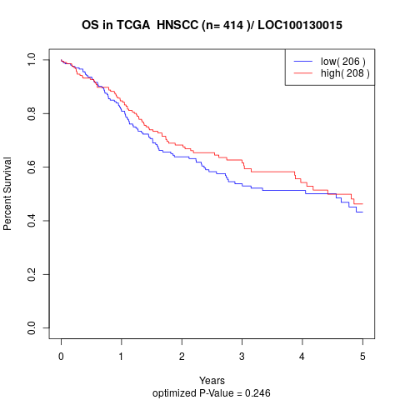

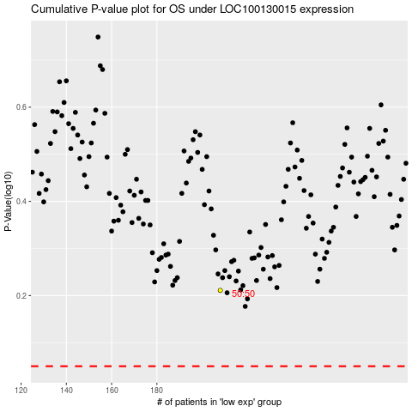

 |  |  |  |  |  | cases_OS | p_OS | rank | exp
 |  |  |  |  |  |  | cases_RFS | p_RFS | rank | exp

